Cidades
Cidades | Wikiaves (Espécies) | SpeciesLink (Espécies) | Wikiaves (Registros) | SpeciesLink (Registros) |  | Wikiaves (Registros) | SpeciesLink (Registros) | Wikiaves (Espécies) | SpeciesLink (Espécies)
Aguaí | 116 | 1 | 210 | 1 | Total | 535711 | 36318 | 779 | 661
Águas da Prata | 169 | 1 | 492 | 2 | Média | 3096.6 | 209.9 | 214.3 | 29.8
Águas de Santa Barbara | 196 | 2 | 853 | 2 | Desvio Padrão | 5752.0 | 624.7 | 105.3 | 50.7
Águas de São Pedro | 192 | 33 | 1403 | 39 | Mediana | 996.0 | 7.0 | 213.0 | 6.0
Agudos | 160 | 15 | 333 | 18 | Máximo | 41840 | 5680 | 500 | 281
Americana | 226 | 3 | 4500 | 3 | Mínimo | 2 | 1 | 2 | 1
Américo Brasiliense | 168 | 46 | 497 | 130 | Quartil 1 | 314.0 | 2.0 | 137.0 | 2.0
Amparo | 262 | 1 | 1960 | 1 | Quartil 3 | 3270.0 | 68.0 | 292.0 | 33.0
Angatuba | 175 | 140 | 333 | 141
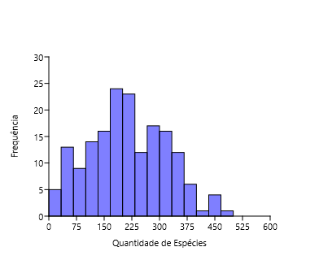
Anhembi | 228 | 209 | 924 | 1134
Apiaí | 261 | 3 | 953 | 4
Araçatuba | 241 | 1 | 2709 | 1
Araraquara | 292 | 19 | 4936 | 25
Araras | 336 | 2 | 6286 | 9
Artur Nogueira | 137 | 5 | 359 | 9
Assis | 140 | 2 | 556 | 2
Atibaia | 302 | 34 | 2860 | 55
Avaré | 213 | 1 | 1084 | 1
Barra do Chapéu | 37 | 1 | 46 | 6
Barra do Turvo | 109 | 31 | 272 | 122
Batatais | 248 | 1 | 2499 | 1
Bauru | 273 | 1 | 2882 | 1
Bertioga | 321 | 103 | 5215 | 653
Biritiba-Mirim | 160 | 24 | 463 | 25
Boa Esperança do Sul | 192 | 1 | 1127 | 3
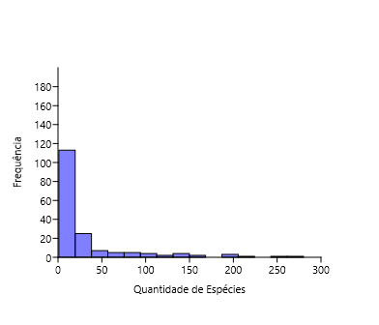
Bom Sucesso de Itararé | 58 | 4 | 68 | 5
Boracéia | 145 | 46 | 223 | 65
Botucatu | 323 | 32 | 3890 | 35
Bragança Paulista | 274 | 1 | 2623 | 1
Brotas | 299 | 55 | 3731 | 74
Buri | 161 | 3 | 244 | 3
Buritama | 56 | 1 | 74 | 1
Cabreúva | 233 | 7 | 996 | 7
Cafelândia | 58 | 16 | 83 | 17
Cajati | 141 | 17 | 289 | 130
Campinas | 331 | 246 | 14452 | 1230
Campos do Jordão | 307 | 89 | 16073 | 344
Cananéia | 323 | 124 | 3712 | 1108
Capão Bonito | 217 | 74 | 847 | 119
Caraguatatuba | 439 | 82 | 9080 | 892
Castilho | 190 | 1 | 492 | 1
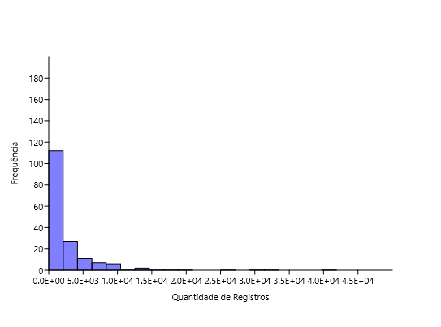
Cerquilho | 94 | 2 | 181 | 2
Charqueada | 105 | 1 | 218 | 1
Conchal | 186 | 2 | 726 | 2
Cosmópolis | 113 | 2 | 371 | 2
Cotia | 322 | 117 | 3270 | 545
Cubatão | 235 | 6 | 2127 | 9
Cunha | 326 | 46 | 1552 | 66
Divinolândia | 192 | 6 | 634 | 6
Dourado | 359 | 18 | 8844 | 25
Eldorado | 268 | 18 | 1322 | 79
Embu-Guaçu | 204 | 5 | 714 | 7
Euclides da Cunha Paulista | 13 | 1 | 18 | 2
Franca | 340 | 1 | 3029 | 1
Gália | 221 | 6 | 1300 | 6
Garça | 190 | 34 | 679 | 50
Guapiara | 117 | 3 | 174 | 4
Guararapes | 136 | 1 | 235 | 1
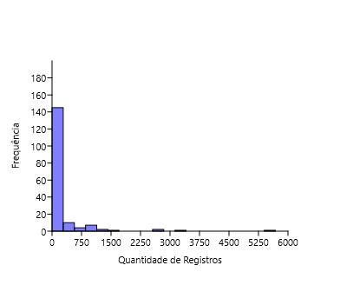
Guarujá | 227 | 33 | 2267 | 493
Guarulhos | 334 | 7 | 5080 | 9
Hortolândia | 89 | 2 | 305 | 3
Iacri | 74 | 5 | 155 | 5
Ibiúna | 331 | 79 | 4282 | 825
Igaratá | 143 | 6 | 275 | 6
Iguape | 262 | 145 | 1384 | 2653
Ilha Comprida | 282 | 5 | 3840 | 184
Ilhabela | 337 | 6 | 9328 | 6
Indaiatuba | 251 | 4 | 3047 | 8
Iperó | 228 | 36 | 1321 | 49
Iporanga | 388 | 1 | 7474 | 1
Itanhaém | 332 | 37 | 3945 | 1546
Itapetininga | 248 | 194 | 1432 | 3338
Itapeva | 232 | 1 | 757 | 1
Itapevi | 228 | 4 | 1380 | 5 | Histogramas 2x1 |  |  |  |  | Histograma 4x1
Itapira | 307 | 1 | 3260 | 1
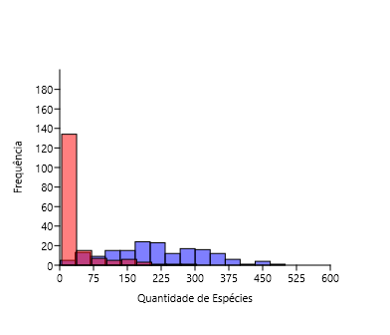
Itaquaquecetuba | 155 | 1 | 684 | 1
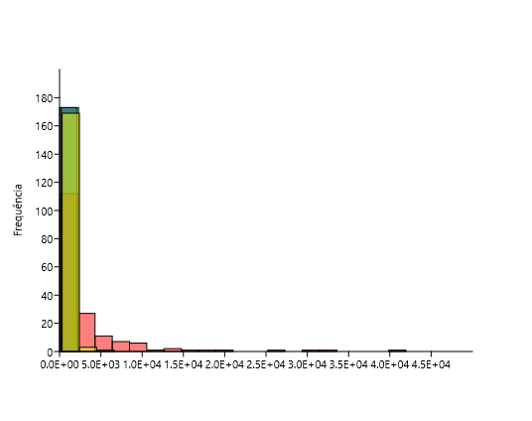
Itararé | 168 | 31 | 389 | 50
Itatiba | 287 | 67 | 6022 | 188
Itirapina | 270 | 24 | 3111 | 58
Itupeva | 212 | 5 | 981 | 6
Jacupiranga | 211 | 52 | 354 | 488
Jaguariúna | 218 | 3 | 1663 | 3
Jaú | 296 | 1 | 4487 | 1
José Bonifácio | 62 | 27 | 94 | 41
Jundiaí | 334 | 78 | 7352 | 149
Juquiá | 194 | 93 | 511 | 357
Juquitiba | 260 | 157 | 1953 | 217
Lençóis Paulista | 176 | 162 | 460 | 555
Luís Antônio | 202 | 1 | 547 | 1
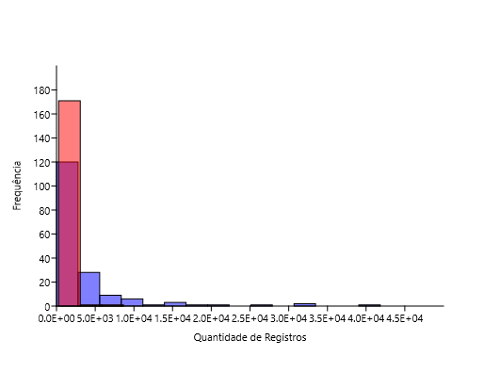
Macatuba | 38 | 2 | 54 | 2
Mairiporã | 283 | 14 | 3711 | 14
Mineiros do Tietê | 321 | 1 | 1259 | 2
Miracatu | 306 | 24 | 3448 | 546
Mirandópolis | 147 | 3 | 363 | 3
Mirassol | 158 | 2 | 383 | 2
Mococa | 238 | 19 | 505 | 22
Mogi das Cruzes | 392 | 20 | 8554 | 38
Mogi Guaçu | 221 | 34 | 954 | 43
Mogi Mirim | 188 | 2 | 1248 | 4
Mongaguá | 273 | 1 | 3572 | 1
Monte Alegre do Sul | 286 | 2 | 7838 | 2
Monte Mor | 80 | 8 | 133 | 9
Morro Agudo | 193 | 1 | 822 | 1
Narandiba | 52 | 2 | 69 | 2
Nova Campina | 112 | 3 | 214 | 3
Nova Odessa | 116 | 16 | 316 | 18
Óleo | 9 | 1 | 10 | 1
Paranapanema | 134 | 1 | 281 | 1
Pariquera-Açú | 183 | 38 | 492 | 1027
Patrocínio Paulista | 90 | 2 | 118 | 2
Paulínia | 222 | 3 | 2646 | 3
Pedreira | 228 | 1 | 1929 | 1
Penápolis | 64 | 2 | 102 | 2
Pereira Barreto | 66 | 4 | 132 | 7
Peruíbe | 438 | 98 | 17059 | 879
Piacatu | 2 | 1 | 2 | 1
Piedade | 289 | 6 | 1235 | 6
Pindamonhangaba | 385 | 8 | 4304 | 9
Piquete | 169 | 4 | 422 | 4
Piracicaba | 347 | 28 | 14240 | 56
Piraju | 352 | 1 | 12158 | 1
Pirassununga | 233 | 7 | 1307 | 20
Pitangueiras | 110 | 105 | 141 | 665
Porto Ferreira | 189 | 30 | 608 | 41
Praia Grande | 223 | 22 | 1233 | 435
Presidente Epitácio | 154 | 1 | 388 | 1
Promissão | 43 | 3 | 59 | 6
Registro | 198 | 34 | 871 | 863
Ribeirão Bonito | 107 | 4 | 335 | 7
Ribeirão Branco | 44 | 8 | 62 | 9
Ribeirão Grande | 436 | 143 | 25900 | 894
Rincão | 122 | 1 | 199 | 1
Rio Claro | 344 | 25 | 9627 | 29
Rio Grande da Serra | 105 | 1 | 213 | 1
Salesópolis | 393 | 188 | 8027 | 2779
Santa Maria da Serra | 98 | 25 | 200 | 25
Santo André | 347 | 59 | 7495 | 96
Santo Antônio de Posse | 140 | 1 | 386 | 1
Santo Antônio do Aracanguá | 98 | 2 | 142 | 2
Santos | 192 | 7 | 1476 | 7
São Bernardo do Campo | 303 | 4 | 2917 | 4
São Caetano do Sul | 68 | 1 | 265 | 6
São Carlos | 315 | 4 | 6463 | 24
São José do Barreiro | 264 | 17 | 1089 | 28
São José do Rio Pardo | 208 | 1 | 1351 | 1
São José do Rio Preto | 230 | 2 | 2481 | 8
São José dos Campos | 398 | 66 | 10169 | 77
São Luiz do Paraitinga | 406 | 110 | 19720 | 300
São Manuel | 281 | 1 | 1253 | 2
São Miguel Arcanjo | 376 | 23 | 4465 | 27
São Paulo | 464 | 281 | 41840 | 5680
São Pedro | 272 | 46 | 2791 | 68
São Sebastião | 344 | 66 | 5619 | 457
São Sebastião da Grama | 298 | 6 | 2326 | 6
São Simão | 120 | 1 | 198 | 2
São Vicente | 193 | 5 | 955 | 240
Sarapuí | 144 | 7 | 340 | 7
Sete Barras | 221 | 146 | 640 | 729
Socorro | 195 | 1 | 1580 | 2
Sorocaba | 245 | 8 | 5155 | 8
Sumaré | 90 | 18 | 195 | 19
Tapiraí | 355 | 28 | 31244 | 44
Tapiratiba | 121 | 6 | 314 | 6
Taubaté | 273 | 4 | 2817 | 4
Teodoro Sampaio | 325 | 39 | 4055 | 60
Torrinha | 110 | 3 | 209 | 3
Ubatuba | 500 | 190 | 31495 | 1349
Ubirajara | 5 | 1 | 5 | 1
Valinhos | 182 | 35 | 1376 | 71
Valparaíso | 23 | 3 | 29 | 3
Vargem | 66 | 1 | 94 | 2
Vera Cruz | 66 | 1 | 69 | 1
Vinhedo | 182 | 6 | 787 | 9
Total: | 37069 | 5164 | 535711 | 36318

Log10
Cidades | Wikiaves (Espécies) | SpeciesLink (Espécies) | Wikiaves (Registros) | SpeciesLink (Registros) |  | Wikiaves (Registros) | SpeciesLink (Registros) | Wikiaves (Espécies) | SpeciesLink (Espécies)
Aguaí | 2.0645 | 0.0000 | 2.3222 | 0.0000 | Total | 5.73 | 4.56 | 2.89 | 2.82
Águas da Prata | 2.2279 | 0.0000 | 2.6920 | 0.3010 | Média | 3.49 | 2.32 | 2.33 | 1.47
Águas de Santa Barbara | 2.2923 | 0.3010 | 2.9309 | 0.3010 | Desvio Padrão | 3.76 | 2.80 | 2.02 | 1.70
Águas de São Pedro | 2.2833 | 1.5185 | 3.1471 | 1.5911 | Mediana | 3.00 | 0.85 | 2.33 | 0.78
Agudos | 2.2041 | 1.1761 | 2.5224 | 1.2553 | Máximo | 4.62 | 3.75 | 2.70 | 2.45
Americana | 2.3541 | 0.4771 | 3.6532 | 0.4771 | Mínimo | 0.30 | 0.00 | 0.30 | 0.00
Américo Brasiliense | 2.2253 | 1.6628 | 2.6964 | 2.1139 | Quartil 1 | 2.50 | 0.30 | 2.14 | 0.30
Amparo | 2.4183 | 0.0000 | 3.2923 | 0.0000 | Quartil 3 | 3.51 | 1.83 | 2.47 | 1.52
Angatuba | 2.2430 | 2.1461 | 2.5224 | 2.1492
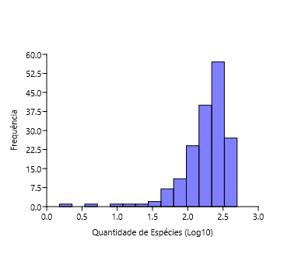
Anhembi | 2.3579 | 2.3201 | 2.9657 | 3.0546
Apiaí | 2.4166 | 0.4771 | 2.9791 | 0.6021
Araçatuba | 2.3820 | 0.0000 | 3.4328 | 0.0000
Araraquara | 2.4654 | 1.2788 | 3.6934 | 1.3979
Araras | 2.5263 | 0.3010 | 3.7984 | 0.9542
Artur Nogueira | 2.1367 | 0.6990 | 2.5551 | 0.9542
Assis | 2.1461 | 0.3010 | 2.7451 | 0.3010
Atibaia | 2.4800 | 1.5315 | 3.4564 | 1.7404
Avaré | 2.3284 | 0.0000 | 3.0350 | 0.0000
Barra do Chapéu | 1.5682 | 0.0000 | 1.6628 | 0.7782
Barra do Turvo | 2.0374 | 1.4914 | 2.4346 | 2.0864
Batatais | 2.3945 | 0.0000 | 3.3978 | 0.0000
Bauru | 2.4362 | 0.0000 | 3.4597 | 0.0000
Bertioga | 2.5065 | 2.0128 | 3.7173 | 2.8149
Biritiba-Mirim | 2.2041 | 1.3802 | 2.6656 | 1.3979
Boa Esperança do Sul | 2.2833 | 0.0000 | 3.0519 | 0.4771
Bom Sucesso de Itararé | 1.7634 | 0.6021 | 1.8325 | 0.6990
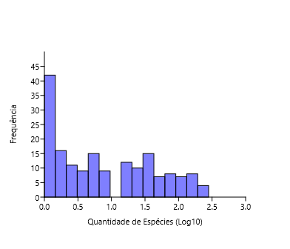
Boracéia | 2.1614 | 1.6628 | 2.3483 | 1.8129
Botucatu | 2.5092 | 1.5051 | 3.5899 | 1.5441
Bragança Paulista | 2.4378 | 0.0000 | 3.4188 | 0.0000
Brotas | 2.4757 | 1.7404 | 3.5718 | 1.8692
Buri | 2.2068 | 0.4771 | 2.3874 | 0.4771
Buritama | 1.7482 | 0.0000 | 1.8692 | 0.0000
Cabreúva | 2.3674 | 0.8451 | 2.9983 | 0.8451
Cafelândia | 1.7634 | 1.2041 | 1.9191 | 1.2304
Cajati | 2.1492 | 1.2304 | 2.4609 | 2.1139
Campinas | 2.5198 | 2.3909 | 4.1599 | 3.0899
Campos do Jordão | 2.4871 | 1.9494 | 4.2061 | 2.5366
Cananéia | 2.5092 | 2.0934 | 3.5696 | 3.0445
Capão Bonito | 2.3365 | 1.8692 | 2.9279 | 2.0755
Caraguatatuba | 2.6425 | 1.9138 | 3.9581 | 2.9504
Castilho | 2.2788 | 0.0000 | 2.6920 | 0.0000
Cerquilho | 1.9731 | 0.3010 | 2.2577 | 0.3010
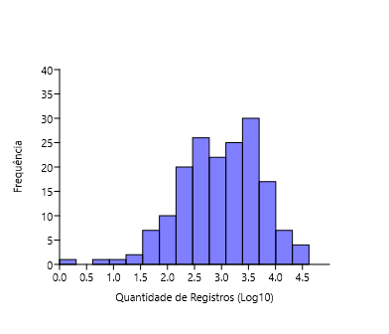
Charqueada | 2.0212 | 0.0000 | 2.3385 | 0.0000
Conchal | 2.2695 | 0.3010 | 2.8609 | 0.3010
Cosmópolis | 2.0531 | 0.3010 | 2.5694 | 0.3010
Cotia | 2.5079 | 2.0682 | 3.5145 | 2.7364
Cubatão | 2.3711 | 0.7782 | 3.3278 | 0.9542
Cunha | 2.5132 | 1.6628 | 3.1909 | 1.8195
Divinolândia | 2.2833 | 0.7782 | 2.8021 | 0.7782
Dourado | 2.5551 | 1.2553 | 3.9466 | 1.3979
Eldorado | 2.4281 | 1.2553 | 3.1212 | 1.8976
Embu-Guaçu | 2.3096 | 0.6990 | 2.8537 | 0.8451
Euclides da Cunha Paulista | 1.1139 | 0.0000 | 1.2553 | 0.3010
Franca | 2.5315 | 0.0000 | 3.4813 | 0.0000
Gália | 2.3444 | 0.7782 | 3.1139 | 0.7782
Garça | 2.2788 | 1.5315 | 2.8319 | 1.6990
Guapiara | 2.0682 | 0.4771 | 2.2405 | 0.6021
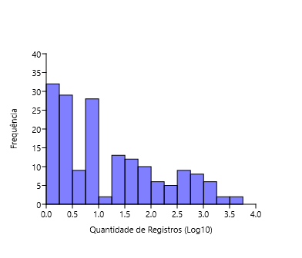
Guararapes | 2.1335 | 0.0000 | 2.3711 | 0.0000
Guarujá | 2.3560 | 1.5185 | 3.3555 | 2.6928
Guarulhos | 2.5237 | 0.8451 | 3.7059 | 0.9542
Hortolândia | 1.9494 | 0.3010 | 2.4843 | 0.4771
Iacri | 1.8692 | 0.6990 | 2.1903 | 0.6990
Ibiúna | 2.5198 | 1.8976 | 3.6316 | 2.9165
Igaratá | 2.1553 | 0.7782 | 2.4393 | 0.7782
Iguape | 2.4183 | 2.1614 | 3.1411 | 3.4237
Ilha Comprida | 2.4502 | 0.6990 | 3.5843 | 2.2648
Ilhabela | 2.5276 | 0.7782 | 3.9698 | 0.7782
Indaiatuba | 2.3997 | 0.6021 | 3.4839 | 0.9031
Iperó | 2.3579 | 1.5563 | 3.1209 | 1.6902
Iporanga | 2.5888 | 0.0000 | 3.8736 | 0.0000
Itanhaém | 2.5211 | 1.5682 | 3.5960 | 3.1892
Itapetininga | 2.3945 | 2.2878 | 3.1559 | 3.5235
Itapeva | 2.3655 | 0.0000 | 2.8791 | 0.0000
Itapevi | 2.3579 | 0.6021 | 3.1399 | 0.6990 | Histogramas 2x1 |  |  |  |  | Histograma 4x1
Itapira | 2.4871 | 0.0000 | 3.5132 | 0.0000
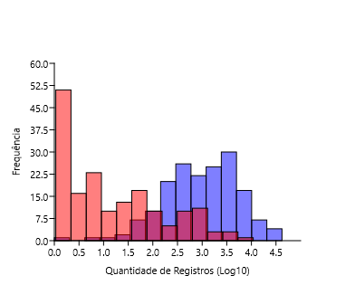
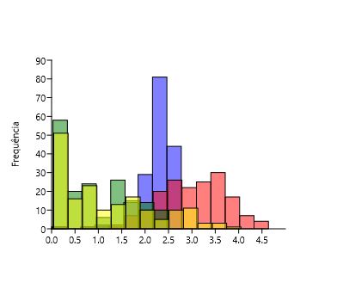
Itaquaquecetuba | 2.1903 | 0.0000 | 2.8351 | 0.0000
Itararé | 2.2253 | 1.4914 | 2.5899 | 1.6990
Itatiba | 2.4579 | 1.8261 | 3.7797 | 2.2742
Itirapina | 2.4314 | 1.3802 | 3.4929 | 1.7634
Itupeva | 2.3263 | 0.6990 | 2.9917 | 0.7782
Jacupiranga | 2.3243 | 1.7160 | 2.5490 | 2.6884
Jaguariúna | 2.3385 | 0.4771 | 3.2209 | 0.4771
Jaú | 2.4713 | 0.0000 | 3.6520 | 0.0000
José Bonifácio | 1.7924 | 1.4314 | 1.9731 | 1.6128
Jundiaí | 2.5237 | 1.8921 | 3.8664 | 2.1732
Juquiá | 2.2878 | 1.9685 | 2.7084 | 2.5527
Juquitiba | 2.4150 | 2.1959 | 3.2907 | 2.3365
Lençóis Paulista | 2.2455 | 2.2095 | 2.6628 | 2.7443
Luís Antônio | 2.3054 | 0.0000 | 2.7380 | 0.0000
Macatuba | 1.5798 | 0.3010 | 1.7324 | 0.3010
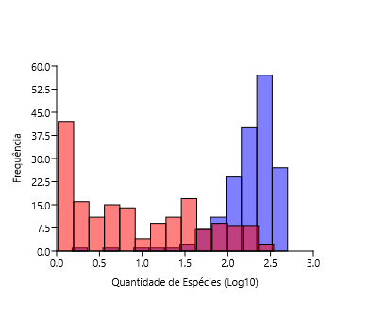
Mairiporã | 2.4518 | 1.1461 | 3.5695 | 1.1461
Mineiros do Tietê | 2.5065 | 0.0000 | 3.1000 | 0.3010
Miracatu | 2.4857 | 1.3802 | 3.5376 | 2.7372
Mirandópolis | 2.1673 | 0.4771 | 2.5599 | 0.4771
Mirassol | 2.1987 | 0.3010 | 2.5832 | 0.3010
Mococa | 2.3766 | 1.2788 | 2.7033 | 1.3424
Mogi das Cruzes | 2.5933 | 1.3010 | 3.9322 | 1.5798
Mogi Guaçu | 2.3444 | 1.5315 | 2.9795 | 1.6335
Mogi Mirim | 2.2742 | 0.3010 | 3.0962 | 0.6021
Mongaguá | 2.4362 | 0.0000 | 3.5529 | 0.0000
Monte Alegre do Sul | 2.4564 | 0.3010 | 3.8942 | 0.3010
Monte Mor | 1.9031 | 0.9031 | 2.1239 | 0.9542
Morro Agudo | 2.2856 | 0.0000 | 2.9149 | 0.0000
Narandiba | 1.7160 | 0.3010 | 1.8388 | 0.3010
Nova Campina | 2.0492 | 0.4771 | 2.3304 | 0.4771
Nova Odessa | 2.0645 | 1.2041 | 2.4997 | 1.2553
Óleo | 0.9542 | 0.0000 | 1.0000 | 0.0000
Paranapanema | 2.1271 | 0.0000 | 2.4487 | 0.0000
Pariquera-Açú | 2.2625 | 1.5798 | 2.6920 | 3.0116
Patrocínio Paulista | 1.9542 | 0.3010 | 2.0719 | 0.3010
Paulínia | 2.3464 | 0.4771 | 3.4226 | 0.4771
Pedreira | 2.3579 | 0.0000 | 3.2853 | 0.0000
Penápolis | 1.8062 | 0.3010 | 2.0086 | 0.3010
Pereira Barreto | 1.8195 | 0.6021 | 2.1206 | 0.8451
Peruíbe | 2.6415 | 1.9912 | 4.2320 | 2.9440
Piacatu | 0.3010 | 0.0000 | 0.3010 | 0.0000
Piedade | 2.4609 | 0.7782 | 3.0917 | 0.7782
Pindamonhangaba | 2.5855 | 0.9031 | 3.6339 | 0.9542
Piquete | 2.2279 | 0.6021 | 2.6253 | 0.6021
Piracicaba | 2.5403 | 1.4472 | 4.1535 | 1.7482
Piraju | 2.5465 | 0.0000 | 4.0849 | 0.0000
Pirassununga | 2.3674 | 0.8451 | 3.1163 | 1.3010
Pitangueiras | 2.0414 | 2.0212 | 2.1492 | 2.8228
Porto Ferreira | 2.2765 | 1.4771 | 2.7839 | 1.6128
Praia Grande | 2.3483 | 1.3424 | 3.0910 | 2.6385
Presidente Epitácio | 2.1875 | 0.0000 | 2.5888 | 0.0000
Promissão | 1.6335 | 0.4771 | 1.7709 | 0.7782
Registro | 2.2967 | 1.5315 | 2.9400 | 2.9360
Ribeirão Bonito | 2.0294 | 0.6021 | 2.5250 | 0.8451
Ribeirão Branco | 1.6435 | 0.9031 | 1.7924 | 0.9542
Ribeirão Grande | 2.6395 | 2.1553 | 4.4133 | 2.9513
Rincão | 2.0864 | 0.0000 | 2.2989 | 0.0000
Rio Claro | 2.5366 | 1.3979 | 3.9835 | 1.4624
Rio Grande da Serra | 2.0212 | 0.0000 | 2.3284 | 0.0000
Salesópolis | 2.5944 | 2.2742 | 3.9046 | 3.4439
Santa Maria da Serra | 1.9912 | 1.3979 | 2.3010 | 1.3979
Santo André | 2.5403 | 1.7709 | 3.8748 | 1.9823
Santo Antônio de Posse | 2.1461 | 0.0000 | 2.5866 | 0.0000
Santo Antônio do Aracanguá | 1.9912 | 0.3010 | 2.1523 | 0.3010
Santos | 2.2833 | 0.8451 | 3.1691 | 0.8451
São Bernardo do Campo | 2.4814 | 0.6021 | 3.4649 | 0.6021
São Caetano do Sul | 1.8325 | 0.0000 | 2.4232 | 0.7782
São Carlos | 2.4983 | 0.6021 | 3.8104 | 1.3802
São José do Barreiro | 2.4216 | 1.2304 | 3.0370 | 1.4472
São José do Rio Pardo | 2.3181 | 0.0000 | 3.1307 | 0.0000
São José do Rio Preto | 2.3617 | 0.3010 | 3.3946 | 0.9031
São José dos Campos | 2.5999 | 1.8195 | 4.0073 | 1.8865
São Luiz do Paraitinga | 2.6085 | 2.0414 | 4.2949 | 2.4771
São Manuel | 2.4487 | 0.0000 | 3.0980 | 0.3010
São Miguel Arcanjo | 2.5752 | 1.3617 | 3.6498 | 1.4314
São Paulo | 2.6665 | 2.4487 | 4.6216 | 3.7543
São Pedro | 2.4346 | 1.6628 | 3.4458 | 1.8325
São Sebastião | 2.5366 | 1.8195 | 3.7497 | 2.6599
São Sebastião da Grama | 2.4742 | 0.7782 | 3.3666 | 0.7782
São Simão | 2.0792 | 0.0000 | 2.2967 | 0.3010
São Vicente | 2.2856 | 0.6990 | 2.9800 | 2.3802
Sarapuí | 2.1584 | 0.8451 | 2.5315 | 0.8451
Sete Barras | 2.3444 | 2.1644 | 2.8062 | 2.8627
Socorro | 2.2900 | 0.0000 | 3.1987 | 0.3010
Sorocaba | 2.3892 | 0.9031 | 3.7122 | 0.9031
Sumaré | 1.9542 | 1.2553 | 2.2900 | 1.2788
Tapiraí | 2.5502 | 1.4472 | 4.4948 | 1.6435
Tapiratiba | 2.0828 | 0.7782 | 2.4969 | 0.7782
Taubaté | 2.4362 | 0.6021 | 3.4498 | 0.6021
Teodoro Sampaio | 2.5119 | 1.5911 | 3.6080 | 1.7782
Torrinha | 2.0414 | 0.4771 | 2.3201 | 0.4771
Ubatuba | 2.6990 | 2.2788 | 4.4982 | 3.1300
Ubirajara | 0.6990 | 0.0000 | 0.6990 | 0.0000
Valinhos | 2.2601 | 1.5441 | 3.1386 | 1.8513
Valparaíso | 1.3617 | 0.4771 | 1.4624 | 0.4771
Vargem | 1.8195 | 0.0000 | 1.9731 | 0.3010
Vera Cruz | 1.8195 | 0.0000 | 1.8388 | 0.0000
Vinhedo | 2.2601 | 0.7782 | 2.8960 | 0.9542

SPLxWAV
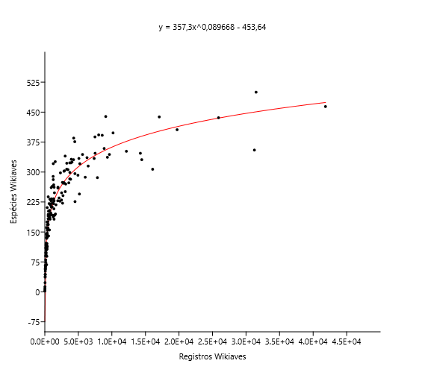
 | Registros Wikiaves | Registros SpeciesLink | Espécies Wikiaves | Espécies SpeciesLink |  |  |  |  |  |  |  |  | Espécies Wikiaves (Log10) | Espécies SpeciesLink (Log10) | Registros Wikiaves (Log10) | Registros SpeciesLink (Log10)
Registros Wikiaves | 1 | 0.41 | 0.91 | 0.41 |  |  |  |  |  |  |  | Espécies Wikiaves (Log10) | 1 | 7.06E-08 | 1.50E-67 | 1.23E-07
Registros SpeciesLink |  | 1 | 0.39 | 0.94 |  |  |  |  |  |  |  | Espécies SpeciesLink (Log10) | 0.40 | 1 | 1.88E-08 | 7.13E-82
Espécies Wikiaves |  |  | 1 | 0.40 |  |  |  |  |  |  |  | Registros Wikiaves (Log10) | 0.91 | 0.41 | 1 | 1.53E-08
Espécies SpeciesLink |  |  |  | 1 |  |  | Ordinary Least Squares Regression: Wikiaves (Espécies)-Wikiaves (Registros) |  |  |  |  | Registros SpeciesLink (Log10) | 0.39 | 0.94 | 0.41 | 1

 |  |  |  |  |  |  | Slope a: | 36.692 | Std. error a: | 3.0934
Espécies x Registros |  |  |  |  |  |  |  | t: | 11.861 | p (slope): | 4.59E-24
 |  |  |  |  |  |  | Intercept b: | -4765.5 | Std. error b: | 738.57
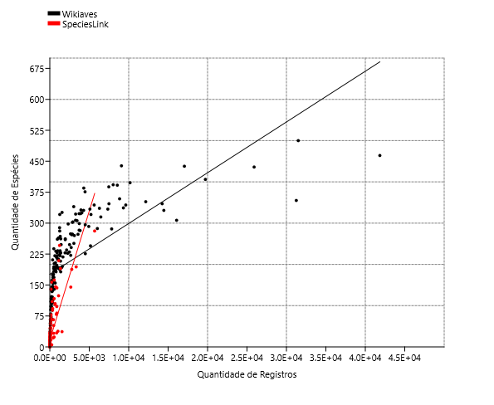
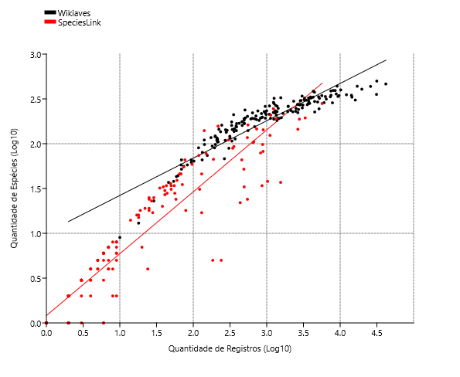
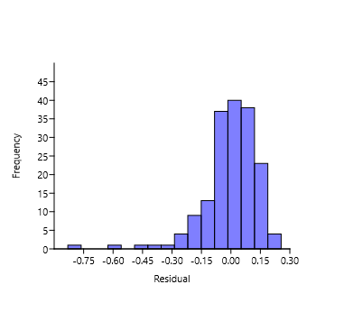
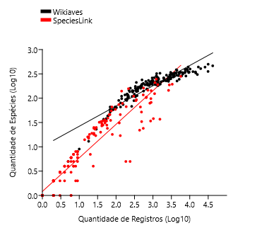
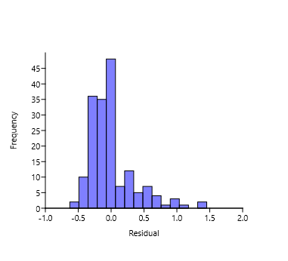
 |  |  |  |  |  |  | 95% bootstrapped confidence intervals (N=1999): |  |  |  |  |  |  |  |  |  |  |  |  |  |  |  | SPL | WAV
 |  |  |  |  |  |  | Slope a: | (24,765, 47,708) |  |  |  |  |  |  |  |  |  | Ordinary Least Squares Regression: SpeciesLink (Espécies)-SpeciesLink (Registros)
 |  |  |  |  |  |  | Intercept b: | (-6589,9, -2569,6)
 |  |  |  |  |  |  |  |  |  |  |  |  |  |  |  |  |  | Slope a: | 1.2799 | Std. error a: | 0.035471
 |  |  |  |  |  |  | Correlation: |  |  |  |  |  |  |  |  |  |  |  | t: | 36.082 | p (slope): | 7.13E-82
 |  |  |  |  |  |  | r: | 0.67185 |  |  |  |  |  |  |  |  |  | Intercept b: | 0.030727 | Std. error b: | 0.041208
 |  |  |  |  |  |  | r2: | 0.45138
 |  |  |  |  |  |  | t: | 11.861 |  |  |  |  |  |  |  |  |  | 95% bootstrapped confidence intervals (N=1999):
 |  |  |  |  |  |  | p (uncorr.): | 4.59E-24 |  |  |  |  |  |  |  |  |  | Slope a: | (1,2178, 1,3481)
 |  |  |  |  |  |  | Permutation p: | 0.0001 |  |  |  |  |  |  |  |  |  | Intercept b: | (-0,031814, 0,090051)

 |  |  |  |  |  |  | Ordinary Least Squares Regression: SpeciesLink (Espécies)-SpeciesLink (Registros) |  |  |  |  |  |  |  |  |  |  | Correlation:
 |  |  |  |  |  |  |  |  |  |  |  |  |  |  |  |  |  | r: | 0.94016
 |  |  |  |  |  |  | Slope a: | 9.5011 | Std. error a: | 0.60027 |  |  |  |  |  |  |  | r2: | 0.8839
 |  |  |  |  |  |  |  | t: | 15.828 | p (slope): | 2.48E-35 |  |  |  |  |  |  | t: | 36.082
 |  |  |  |  |  |  | Intercept b: | -73.675 | Std. error b: | 35.31 |  |  |  |  |  |  |  | p (uncorr.): | 7.13E-82
 |  |  |  |  |  |  |  |  |  |  |  |  |  |  |  |  |  | Permutation p: | 0.0001
 |  |  |  |  |  |  | 95% bootstrapped confidence intervals (N=1999):
 |  |  |  |  |  |  | Slope a: | (5,8235, 13,435)
 |  |  |  |  |  |  | Intercept b: | (-144,21, -0,32279)

 |  |  |  |  |  |  | Correlation:
 |  |  |  |  |  |  | r: | 0.77093
 |  |  |  |  |  |  | r2: | 0.59433
 |  |  |  |  |  |  | t: | 15.828
 |  |  |  |  |  |  | p (uncorr.): | 2.48E-35
Registros: |  |  |  |  |  |  | Permutation p: | 0.0001
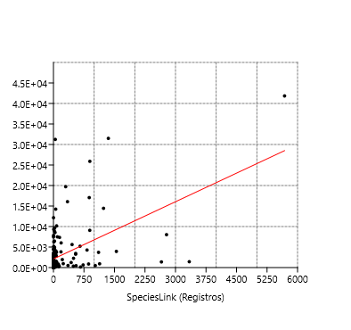
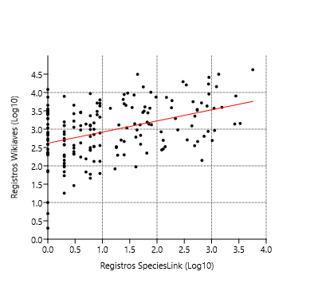
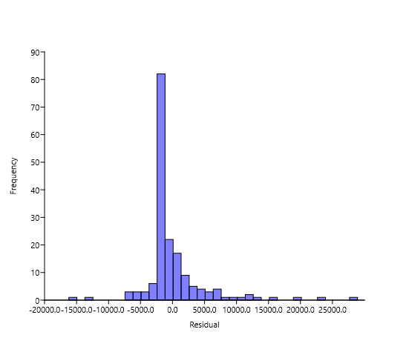

Espécies:
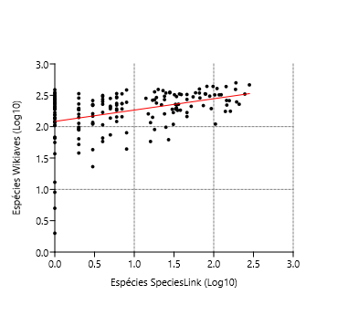
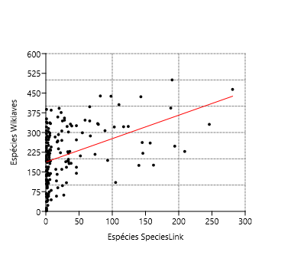
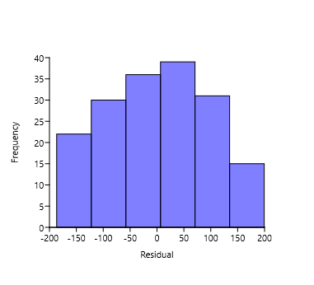

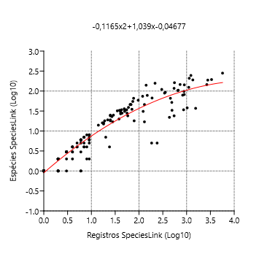
Modelo não Linear:
 |  |  |  |  | Polynomial regression, order 2 |  |  |  |  |  |  | Polynomial regression, order 2
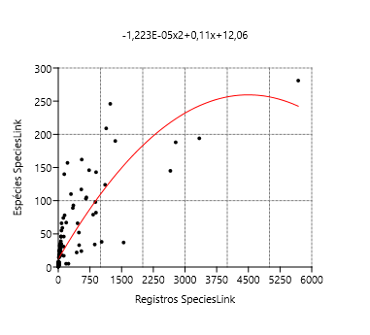
 |  |  |  |  | chi2: | 1.44E+05 |  |  |  |  |  | chi2: | 8.9337
 |  |  |  |  | Akaike ICc: | 1.44E+05 |  |  |  |  |  | Akaike ICc: | 15.076 |  |  |  | Wikiaves (Espécies) | SpeciesLink (Espécies) | Wikiaves (Registros) | SpeciesLink (Registros)
 |  |  |  |  | Akaike IC: | 1.44E+05 |  |  |  |  |  | Akaike IC: | 14.934 |  |  | Wikiaves (Espécies) |  | 7.06E-08 | 1.50E-67 | 1.23E-07
 |  |  |  |  | R2: | 0.67642 |  |  |  |  |  | R2: | 0.90673 |  |  | SpeciesLink (Espécies) | 0.39577 |  | 1.88E-08 | 7.13E-82
 |  |  |  |  | F: | 177.69 |  |  |  |  |  | F: | 826.32 |  |  | Wikiaves (Registros) | 0.91067 | 0.41139 |  | 1.53E-08
 |  |  |  |  | p: | 2.23E-42 |  |  |  |  |  | p: | 2.68E-88 |  |  | SpeciesLink (Registros) | 0.38895 | 0.94016 | 0.41374

 |  |  |  |  | a0: | 12.0624 |  |  |  |  |  | a0: | -0.0467688
 |  |  |  |  | a1: | 0.110033 |  |  |  |  |  | a1: | 1.03927
 |  |  |  |  | a2: | -1.22E-05 |  |  |  |  |  | a2: | -0.116488

 |  |  |  |  | Equation: -1,223E-05x2+0,11x+12,06 |  |  |  |  |  |  | Equation: -0,1165x2+1,039x-0,04677

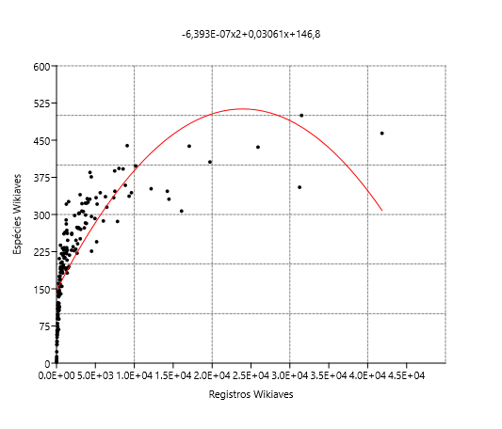
 |  |  |  |  | Polynomial regression, order 2
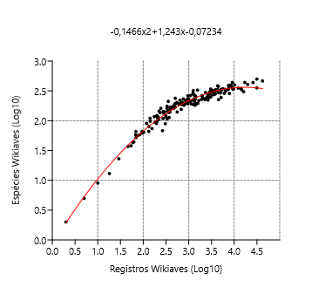
 |  |  |  |  | chi2: | 6.73E+05 |  |  |  |  |  | Polynomial regression, order 2
 |  |  |  |  | Akaike ICc: | 6.73E+05
 |  |  |  |  | Akaike IC: | 6.73E+05 |  |  |  |  |  | chi2: | 0.79385
 |  |  |  |  | R2: | 0.64925 |  |  |  |  |  | Akaike ICc: | 6.9359
 |  |  |  |  | F: | 157.34 |  |  |  |  |  | Akaike IC: | 6.7938
 |  |  |  |  | p: | 2.11E-39 |  |  |  |  |  | R2: | 0.96038
 |  |  |  |  |  |  |  |  |  |  |  | F: | 2060.5
 |  |  |  |  | a0: | 146.778 |  |  |  |  |  | p: | 6.62E-120
 |  |  |  |  | a1: | 0.0306072
 |  |  |  |  | a2: | -6.39E-07 |  |  |  |  |  | a0: | -0.0723402
 |  |  |  |  |  |  |  |  |  |  |  | a1: | 1.24255
 |  |  |  |  | Equation: -6,393E-07x2+0,03061x+146,8 |  |  |  |  |  |  | a2: | -0.146596

 |  |  |  |  |  |  |  |  |  |  |  | Equation: -0,1466x2+1,243x-0,07234

Espécies
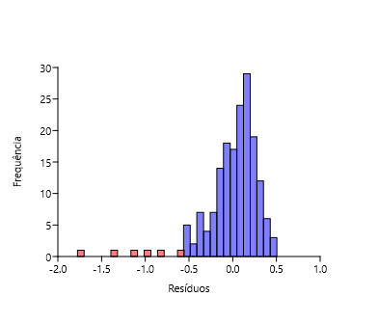
SpeciesLink | Wikiaves | Regress. | Residual |  | Espécies SpeciesLink (Log10) | Espécies Wikiaves (Log10) | Residuos | Excluidos
0 | 2.0645 | 2.0838 | -0.019369 | -0.12098 | 0 | 2.0645 | -0.019369 | -0.96988
0 | 2.2279 | 2.0838 | 0.14406 | 0.19493 | 0 | 2.2279 | 0.14406 | -1.1296
0.30103 | 2.2923 | 2.1383 | 0.15393 | 0.31591 | 0.30103 | 2.2923 | 0.15393 | -1.7828
1.5185 | 2.2833 | 2.3587 | -0.075424 | -0.594845 | 1.5185 | 2.2833 | -0.075424 | -0.60386
1.1761 | 2.2041 | 2.2967 | -0.092617 | 0.668795 | 1.1761 | 2.2041 | -0.092617 | -1.3849
0.47712 | 2.3541 | 2.1702 | 0.18391 |  | 0.47712 | 2.3541 | 0.18391 | -0.80847
1.6628 | 2.2253 | 2.3848 | -0.15953 |  | 1.6628 | 2.2253 | -0.15953
0 | 2.4183 | 2.0838 | 0.33447 |  | 0 | 2.4183 | 0.33447
2.1461 | 2.243 | 2.4723 | -0.22931 |  | 2.1461 | 2.243 | -0.22931
2.3201 | 2.3579 | 2.5038 | -0.14591 |  | 2.3201 | 2.3579 | -0.14591
0.47712 | 2.4166 | 2.1702 | 0.24644 |  | 0.47712 | 2.4166 | 0.24644
0 | 2.382 | 2.0838 | 0.29819 |  | 0 | 2.382 | 0.29819
1.2788 | 2.4654 | 2.3153 | 0.15006 |  | 1.2788 | 2.4654 | 0.15006
0.30103 | 2.5263 | 2.1383 | 0.38802 |  | 0.30103 | 2.5263 | 0.38802
0.69897 | 2.1367 | 2.2104 | -0.073642 |  | 0.69897 | 2.1367 | -0.073642
0.30103 | 2.1461 | 2.1383 | 0.007805 |  | 0.30103 | 2.1461 | 0.007805
1.5315 | 2.48 | 2.3611 | 0.11893 |  | 1.5315 | 2.48 | 0.11893
0 | 2.3284 | 2.0838 | 0.24455 |  | 0 | 2.3284 | 0.24455
0 | 1.5682 | 2.0838 | -0.51563 |  | 0 | 1.5682 | -0.51563
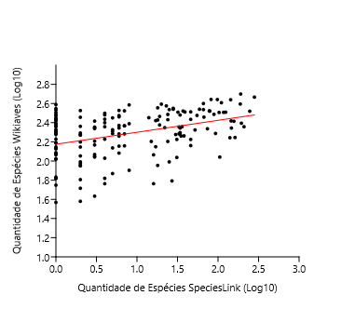
1.4914 | 2.0374 | 2.3538 | -0.31638 |  | 1.4914 | 2.0374 | -0.31638
0 | 2.3945 | 2.0838 | 0.31062 |  | 0 | 2.3945 | 0.31062 |  | Ordinary Least Squares Regression: SpeciesLink-Wikiaves
0 | 2.4362 | 2.0838 | 0.35234 |  | 0 | 2.4362 | 0.35234
2.0128 | 2.5065 | 2.4482 | 0.058291 |  | 2.0128 | 2.5065 | 0.058291 |  | Slope a: | 0.12484 | Std. error a: | 0.022928
1.3802 | 2.2041 | 2.3337 | -0.12957 |  | 1.3802 | 2.2041 | -0.12957 |  |  | t: | 5.445 | p (slope): | 1.85E-07
0 | 2.2833 | 2.0838 | 0.19947 |  | 0 | 2.2833 | 0.19947 |  | Intercept b: | 2.1753 | Std. error b: | 0.027052
0.60206 | 1.7634 | 2.1928 | -0.42939 |  | 0.60206 | 1.7634 | -0.42939
1.6628 | 2.1614 | 2.3848 | -0.22347 |  | 1.6628 | 2.1614 | -0.22347 |  | 95% bootstrapped confidence intervals (N=1999):
1.5051 | 2.5092 | 2.3563 | 0.1529 |  | 1.5051 | 2.5092 | 0.1529 |  | Slope a: | (0,081696, 0,1683)
0 | 2.4378 | 2.0838 | 0.35392 |  | 0 | 2.4378 | 0.35392 |  | Intercept b: | (2,116, 2,2368)
1.7404 | 2.4757 | 2.3989 | 0.076784 |  | 1.7404 | 2.4757 | 0.076784
0.47712 | 2.2068 | 2.1702 | 0.036625 |  | 0.47712 | 2.2068 | 0.036625 |  | Correlation:
0 | 1.7482 | 2.0838 | -0.33564 |  | 0 | 1.7482 | -0.33564 |  | r: | 0.39028
0.8451 | 2.3674 | 2.2368 | 0.13054 |  | 0.8451 | 2.3674 | 0.13054 |  | r2: | 0.15232
1.2041 | 1.7634 | 2.3018 | -0.53838 |  | 1.2041 | 1.7634 | -0.53838 |  | t: | 5.445
1.2304 | 2.1492 | 2.3066 | -0.15736 |  | 1.2304 | 2.1492 | -0.15736 |  | p (uncorr.): | 1.85E-07
2.3909 | 2.5198 | 2.5167 | 0.0031667 |  | 2.3909 | 2.5198 | 0.0031667 |  | Permutation p: | 0.0001
1.9494 | 2.4871 | 2.4367 | 0.050411 |  | 1.9494 | 2.4871 | 0.050411
2.0934 | 2.5092 | 2.4628 | 0.046401 |  | 2.0934 | 2.5092 | 0.046401
1.8692 | 2.3365 | 2.4222 | -0.085757 |  | 1.8692 | 2.3365 | -0.085757
1.9138 | 2.6425 | 2.4303 | 0.21218 |  | 1.9138 | 2.6425 | 0.21218
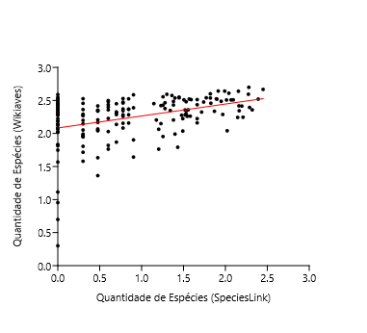
0 | 2.2788 | 2.0838 | 0.19493 |  | 0 | 2.2788 | 0.19493
0.30103 | 1.9731 | 2.1383 | -0.1652 |  | 0.30103 | 1.9731 | -0.1652 |  | Ordinary Least Squares Regression: SpeciesLink (Espécies)-Wikiaves (Espécies)
0 | 2.0212 | 2.0838 | -0.062638 |  | 0 | 2.0212 | -0.062638
0.30103 | 2.2695 | 2.1383 | 0.13119 |  | 0.30103 | 2.2695 | 0.13119 |  | Slope a: | 0.18103 | Std. error a: | 0.032123
0.30103 | 2.0531 | 2.1383 | -0.085245 |  | 0.30103 | 2.0531 | -0.085245 |  |  | t: | 5.6356 | p (slope): | 7.06E-08
2.0682 | 2.5079 | 2.4582 | 0.049622 |  | 2.0682 | 2.5079 | 0.049622 |  | Intercept b: | 2.0838 | Std. error b: | 0.037319
0.77815 | 2.3711 | 2.2247 | 0.14637 |  | 0.77815 | 2.3711 | 0.14637
1.6628 | 2.5132 | 2.3848 | 0.12838 |  | 1.6628 | 2.5132 | 0.12838 |  | 95% bootstrapped confidence intervals (N=1999):
0.77815 | 2.2833 | 2.2247 | 0.058604 |  | 0.77815 | 2.2833 | 0.058604 |  | Slope a: | (0,11298, 0,24301)
1.2553 | 2.5551 | 2.3111 | 0.24402 |  | 1.2553 | 2.5551 | 0.24402 |  | Intercept b: | (1,9955, 2,1849)
1.2553 | 2.4281 | 2.3111 | 0.11706 |  | 1.2553 | 2.4281 | 0.11706
0.69897 | 2.3096 | 2.2104 | 0.099268 |  | 0.69897 | 2.3096 | 0.099268 |  | Correlation:
0 | 1.1139 | 2.0838 | -0.96988 |  | 0 | 2.5315 | 0.44765 |  | r: | 0.39577
0 | 2.5315 | 2.0838 | 0.44765 |  | 0.77815 | 2.3444 | 0.1197 |  | r2: | 0.15664
0.77815 | 2.3444 | 2.2247 | 0.1197 |  | 1.5315 | 2.2788 | -0.082319 |  | t: | 5.6356
1.5315 | 2.2788 | 2.3611 | -0.082319 |  | 0.47712 | 2.0682 | -0.10202 |  | p (uncorr.): | 7.06E-08
0.47712 | 2.0682 | 2.1702 | -0.10202 |  | 0 | 2.1335 | 0.049712 |  | Permutation p: | 0.0001
0 | 2.1335 | 2.0838 | 0.049712 |  | 1.5185 | 2.356 | -0.0026999
1.5185 | 2.356 | 2.3587 | -0.0026999 |  | 0.8451 | 2.5237 | 0.28693
0.8451 | 2.5237 | 2.2368 | 0.28693 |  | 0.30103 | 1.9494 | -0.18893
0.30103 | 1.9494 | 2.1383 | -0.18893 |  | 0.69897 | 1.8692 | -0.34113
0.69897 | 1.8692 | 2.2104 | -0.34113 |  | 1.8976 | 2.5198 | 0.092471
1.8976 | 2.5198 | 2.4274 | 0.092471 |  | 0.77815 | 2.1553 | -0.069361
0.77815 | 2.1553 | 2.2247 | -0.069361 |  | 2.1614 | 2.4183 | -0.056801
2.1614 | 2.4183 | 2.4751 | -0.056801 |  | 0.69897 | 2.4502 | 0.23989
0.69897 | 2.4502 | 2.2104 | 0.23989 |  | 0.77815 | 2.5276 | 0.30293
0.77815 | 2.5276 | 2.2247 | 0.30293 |  | 0.60206 | 2.3997 | 0.20685
0.60206 | 2.3997 | 2.1928 | 0.20685 |  | 1.5563 | 2.3579 | -0.0076318
1.5563 | 2.3579 | 2.3656 | -0.0076318 |  | 0 | 2.5888 | 0.505
0 | 2.5888 | 2.0838 | 0.505 |  | 1.5682 | 2.5211 | 0.15342
1.5682 | 2.5211 | 2.3677 | 0.15342 |  | 2.2878 | 2.3945 | -0.10354
2.2878 | 2.3945 | 2.498 | -0.10354 |  | 0 | 2.3655 | 0.28166
0 | 2.3655 | 2.0838 | 0.28166 |  | 0.60206 | 2.3579 | 0.16512
0.60206 | 2.3579 | 2.1928 | 0.16512 |  | 0 | 2.4871 | 0.40331
0 | 2.4871 | 2.0838 | 0.40331 |  | 0 | 2.1903 | 0.1065
0 | 2.1903 | 2.0838 | 0.1065 |  | 1.4914 | 2.2253 | -0.1285
1.4914 | 2.2253 | 2.3538 | -0.1285 |  | 1.8261 | 2.4579 | 0.043478
1.8261 | 2.4579 | 2.4144 | 0.043478 |  | 1.3802 | 2.4314 | 0.097675
1.3802 | 2.4314 | 2.3337 | 0.097675 |  | 0.69897 | 2.3263 | 0.11597
0.69897 | 2.3263 | 2.2104 | 0.11597 |  | 1.716 | 2.3243 | -0.070195
1.716 | 2.3243 | 2.3945 | -0.070195 |  | 0.47712 | 2.3385 | 0.16826
0.47712 | 2.3385 | 2.1702 | 0.16826 |  | 0 | 2.4713 | 0.38746
0 | 2.4713 | 2.0838 | 0.38746 |  | 1.4314 | 1.7924 | -0.55056
1.4314 | 1.7924 | 2.3429 | -0.55056 |  | 1.8921 | 2.5237 | 0.097391
1.8921 | 2.5237 | 2.4264 | 0.097391 |  | 1.9685 | 2.2878 | -0.15238
1.9685 | 2.2878 | 2.4402 | -0.15238 |  | 2.1959 | 2.415 | -0.06638
2.1959 | 2.415 | 2.4814 | -0.06638 |  | 2.2095 | 2.2455 | -0.23831
2.2095 | 2.2455 | 2.4838 | -0.23831 |  | 0 | 2.3054 | 0.22152
0 | 2.3054 | 2.0838 | 0.22152 |  | 0.30103 | 1.5798 | -0.55854
0.30103 | 1.5798 | 2.1383 | -0.55854 |  | 1.1461 | 2.4518 | 0.16047
1.1461 | 2.4518 | 2.2913 | 0.16047 |  | 0 | 2.5065 | 0.42268
0 | 2.5065 | 2.0838 | 0.42268 |  | 1.3802 | 2.4857 | 0.15203
1.3802 | 2.4857 | 2.3337 | 0.15203 |  | 0.47712 | 2.1673 | -0.0028837
0.47712 | 2.1673 | 2.1702 | -0.0028837 |  | 0.30103 | 2.1987 | 0.060334
0.30103 | 2.1987 | 2.1383 | 0.060334 |  | 1.2788 | 2.3766 | 0.061255
1.2788 | 2.3766 | 2.3153 | 0.061255 |  | 1.301 | 2.5933 | 0.27393
1.301 | 2.5933 | 2.3194 | 0.27393 |  | 1.5315 | 2.3444 | -0.016681
1.5315 | 2.3444 | 2.3611 | -0.016681 |  | 0.30103 | 2.2742 | 0.13583
0.30103 | 2.2742 | 2.1383 | 0.13583 |  | 0 | 2.4362 | 0.35234
0 | 2.4362 | 2.0838 | 0.35234 |  | 0.30103 | 2.4564 | 0.31804
0.30103 | 2.4564 | 2.1383 | 0.31804 |  | 0.90309 | 1.9031 | -0.34422
0.90309 | 1.9031 | 2.2473 | -0.34422 |  | 0 | 2.2856 | 0.20173
0 | 2.2856 | 2.0838 | 0.20173 |  | 0.30103 | 1.716 | -0.42232
0.30103 | 1.716 | 2.1383 | -0.42232 |  | 0.47712 | 2.0492 | -0.12098
0.47712 | 2.0492 | 2.1702 | -0.12098 |  | 1.2041 | 2.0645 | -0.23735
1.2041 | 2.0645 | 2.3018 | -0.23735 |  | 0 | 2.1271 | 0.043278
0 | 0.95424 | 2.0838 | -1.1296 |  | 1.5798 | 2.2625 | -0.10737
0 | 2.1271 | 2.0838 | 0.043278 |  | 0.30103 | 1.9542 | -0.18408
1.5798 | 2.2625 | 2.3698 | -0.10737 |  | 0.47712 | 2.3464 | 0.17615
0.30103 | 1.9542 | 2.1383 | -0.18408 |  | 0 | 2.3579 | 0.27411
0.47712 | 2.3464 | 2.1702 | 0.17615 |  | 0.30103 | 1.8062 | -0.33214
0 | 2.3579 | 2.0838 | 0.27411 |  | 0.60206 | 1.8195 | -0.37327
0.30103 | 1.8062 | 2.1383 | -0.33214 |  | 1.9912 | 2.6415 | 0.19717
0.60206 | 1.8195 | 2.1928 | -0.37327 |  | 0.77815 | 2.4609 | 0.2362
1.9912 | 2.6415 | 2.4443 | 0.19717 |  | 0.90309 | 2.5855 | 0.33815
0 | 0.30103 | 2.0838 | -1.7828 |  | 0.60206 | 2.2279 | 0.035068
0.77815 | 2.4609 | 2.2247 | 0.2362 |  | 1.4472 | 2.5403 | 0.19452
0.90309 | 2.5855 | 2.2473 | 0.33815 |  | 0 | 2.5465 | 0.46272
0.60206 | 2.2279 | 2.1928 | 0.035068 |  | 0.8451 | 2.3674 | 0.13054
1.4472 | 2.5403 | 2.3458 | 0.19452 |  | 2.0212 | 2.0414 | -0.40833
0 | 2.5465 | 2.0838 | 0.46272 |  | 1.4771 | 2.2765 | -0.074771
0.8451 | 2.3674 | 2.2368 | 0.13054 |  | 1.3424 | 2.3483 | 0.021457
2.0212 | 2.0414 | 2.4497 | -0.40833 |  | 0 | 2.1875 | 0.10369
1.4771 | 2.2765 | 2.3512 | -0.074771 |  | 0.47712 | 1.6335 | -0.53673
1.3424 | 2.3483 | 2.3268 | 0.021457 |  | 1.5315 | 2.2967 | -0.064408
0 | 2.1875 | 2.0838 | 0.10369 |  | 0.60206 | 2.0294 | -0.16344
0.47712 | 1.6335 | 2.1702 | -0.53673 |  | 2.1553 | 2.6395 | 0.16548
1.5315 | 2.2967 | 2.3611 | -0.064408 |  | 0 | 2.0864 | 0.0025327
0.60206 | 2.0294 | 2.1928 | -0.16344 |  | 1.3979 | 2.5366 | 0.19966
0.90309 | 1.6435 | 2.2473 | -0.60386 |  | 0 | 2.0212 | -0.062638
2.1553 | 2.6395 | 2.474 | 0.16548 |  | 2.2742 | 2.5944 | 0.098872
0 | 2.0864 | 2.0838 | 0.0025327 |  | 1.3979 | 1.9912 | -0.34567
1.3979 | 2.5366 | 2.3369 | 0.19966 |  | 1.7709 | 2.5403 | 0.13592
0 | 2.0212 | 2.0838 | -0.062638 |  | 0 | 2.1461 | 0.062301
2.2742 | 2.5944 | 2.4955 | 0.098872 |  | 0.30103 | 1.9912 | -0.1471
1.3979 | 1.9912 | 2.3369 | -0.34567 |  | 0.8451 | 2.2833 | 0.046485
1.7709 | 2.5403 | 2.4044 | 0.13592 |  | 0.60206 | 2.4814 | 0.28862
0 | 2.1461 | 2.0838 | 0.062301 |  | 0 | 1.8325 | -0.25132
0.30103 | 1.9912 | 2.1383 | -0.1471 |  | 0.60206 | 2.4983 | 0.30549
0.8451 | 2.2833 | 2.2368 | 0.046485 |  | 1.2304 | 2.4216 | 0.11503
0.60206 | 2.4814 | 2.1928 | 0.28862 |  | 0 | 2.3181 | 0.23424
0 | 1.8325 | 2.0838 | -0.25132 |  | 0.30103 | 2.3617 | 0.2234
0.60206 | 2.4983 | 2.1928 | 0.30549 |  | 1.8195 | 2.5999 | 0.18666
1.2304 | 2.4216 | 2.3066 | 0.11503 |  | 2.0414 | 2.6085 | 0.15514
0 | 2.3181 | 2.0838 | 0.23424 |  | 0 | 2.4487 | 0.36488
0.30103 | 2.3617 | 2.1383 | 0.2234 |  | 1.3617 | 2.5752 | 0.24485
1.8195 | 2.5999 | 2.4132 | 0.18666 |  | 2.4487 | 2.6665 | 0.1394
2.0414 | 2.6085 | 2.4534 | 0.15514 |  | 1.6628 | 2.4346 | 0.049731
0 | 2.4487 | 2.0838 | 0.36488 |  | 1.8195 | 2.5366 | 0.12334
1.3617 | 2.5752 | 2.3303 | 0.24485 |  | 0.77815 | 2.4742 | 0.24952
2.4487 | 2.6665 | 2.5271 | 0.1394 |  | 0 | 2.0792 | -0.0046459
1.6628 | 2.4346 | 2.3848 | 0.049731 |  | 0.69897 | 2.2856 | 0.075195
1.8195 | 2.5366 | 2.4132 | 0.12334 |  | 0.8451 | 2.1584 | -0.078454
0.77815 | 2.4742 | 2.2247 | 0.24952 |  | 2.1644 | 2.3444 | -0.13125
0 | 2.0792 | 2.0838 | -0.0046459 |  | 0 | 2.29 | 0.20621
0.69897 | 2.2856 | 2.2104 | 0.075195 |  | 0.90309 | 2.3892 | 0.14185
0.8451 | 2.1584 | 2.2368 | -0.078454 |  | 1.2553 | 1.9542 | -0.35683
2.1644 | 2.3444 | 2.4756 | -0.13125 |  | 1.4472 | 2.5502 | 0.20442
0 | 2.29 | 2.0838 | 0.20621 |  | 0.77815 | 2.0828 | -0.14191
0.90309 | 2.3892 | 2.2473 | 0.14185 |  | 0.60206 | 2.4362 | 0.24334
1.2553 | 1.9542 | 2.3111 | -0.35683 |  | 1.5911 | 2.5119 | 0.14002
1.4472 | 2.5502 | 2.3458 | 0.20442 |  | 0.47712 | 2.0414 | -0.12881
0.77815 | 2.0828 | 2.2247 | -0.14191 |  | 2.2788 | 2.699 | 0.20262
0.60206 | 2.4362 | 2.1928 | 0.24334 |  | 1.5441 | 2.2601 | -0.10328
1.5911 | 2.5119 | 2.3719 | 0.14002 |  | 0 | 1.8195 | -0.26428
0.47712 | 2.0414 | 2.1702 | -0.12881 |  | 0 | 1.8195 | -0.26428
2.2788 | 2.699 | 2.4964 | 0.20262 |  | 0.77815 | 2.2601 | 0.035374
0 | 0.69897 | 2.0838 | -1.3849
1.5441 | 2.2601 | 2.3634 | -0.10328
0.47712 | 1.3617 | 2.1702 | -0.80847
0 | 1.8195 | 2.0838 | -0.26428
0 | 1.8195 | 2.0838 | -0.26428
0.77815 | 2.2601 | 2.2247 | 0.035374

Registros
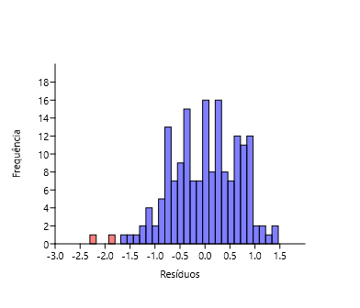
SpeciesLink | Wikiaves | Regress. | Residual |  | Registros SpeciesLink (Log10) | Registros Wikiaves (Log10) | Residuos | Excluidos
0 | 2.3222 | 2.6178 | -0.29558 | -0.45156 | 0 | 2.3222 | -0.29558 | -2.3168
0.30103 | 2.692 | 2.7092 | -0.017276 | 0.51243 | 0.30103 | 2.692 | -0.017276 | -1.9188
0.30103 | 2.9309 | 2.7092 | 0.22171 | 0.96399 | 0.30103 | 2.9309 | 0.22171
1.5911 | 3.1471 | 3.1011 | 0.045942 | -1.897545 | 1.5911 | 3.1471 | 0.045942
1.2553 | 2.5224 | 2.9991 | -0.47667 | 1.958415 | 1.2553 | 2.5224 | -0.47667
0.47712 | 3.6532 | 2.7627 | 0.89048 |  | 0.47712 | 3.6532 | 0.89048
2.1139 | 2.6964 | 3.26 | -0.56359 |  | 2.1139 | 2.6964 | -0.56359
0 | 3.2923 | 2.6178 | 0.67446 |  | 0 | 3.2923 | 0.67446
2.1492 | 2.5224 | 3.2707 | -0.74822 |  | 2.1492 | 2.5224 | -0.74822
3.0546 | 2.9657 | 3.5457 | -0.58003 |  | 3.0546 | 2.9657 | -0.58003
0.60206 | 2.9791 | 2.8007 | 0.17841 |  | 0.60206 | 2.9791 | 0.17841
0 | 3.4328 | 2.6178 | 0.81501 |  | 0 | 3.4328 | 0.81501
1.3979 | 3.6934 | 3.0425 | 0.65092 |  | 1.3979 | 3.6934 | 0.65092
0.95424 | 3.7984 | 2.9077 | 0.89071 |  | 0.95424 | 3.7984 | 0.89071
0.95424 | 2.5551 | 2.9077 | -0.35257 |  | 0.95424 | 2.5551 | -0.35257
0.30103 | 2.7451 | 2.7092 | 0.035833 |  | 0.30103 | 2.7451 | 0.035833
1.7404 | 3.4564 | 3.1465 | 0.3099 |  | 1.7404 | 3.4564 | 0.3099
0 | 3.035 | 2.6178 | 0.41723 |  | 0 | 3.035 | 0.41723
0.77815 | 1.6628 | 2.8542 | -1.1914 |  | 0.77815 | 1.6628 | -1.1914
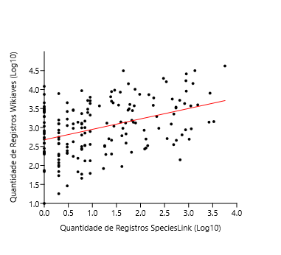
2.0864 | 2.4346 | 3.2516 | -0.817 |  | 2.0864 | 2.4346 | -0.817
0 | 3.3978 | 2.6178 | 0.77997 |  | 0 | 3.3978 | 0.77997 |  | Ordinary Least Squares Regression: Registros SpeciesLink (Log10)-Registros Wikiaves (Log10)
0 | 3.4597 | 2.6178 | 0.8419 |  | 0 | 3.4597 | 0.8419
2.8149 | 3.7173 | 3.4729 | 0.24437 |  | 2.8149 | 3.7173 | 0.24437 |  | Slope a: | 0.27501 | Std. error a: | 0.048688
1.3979 | 2.6656 | 3.0425 | -0.37687 |  | 1.3979 | 2.6656 | -0.37687 |  |  | t: | 5.6483 | p (slope): | 6.74E-08
0.47712 | 3.0519 | 2.7627 | 0.28919 |  | 0.47712 | 3.0519 | 0.28919 |  | Intercept b: | 2.6767 | Std. error b: | 0.075887
0.69897 | 1.8325 | 2.8301 | -0.99761 |  | 0.69897 | 1.8325 | -0.99761
1.8129 | 2.3483 | 3.1685 | -0.8202 |  | 1.8129 | 2.3483 | -0.8202 |  | 95% bootstrapped confidence intervals (N=1999):
1.5441 | 3.5899 | 3.0868 | 0.50311 |  | 1.5441 | 3.5899 | 0.50311 |  | Slope a: | (0,17958, 0,36691)
0 | 3.4188 | 2.6178 | 0.801 |  | 0 | 3.4188 | 0.801 |  | Intercept b: | (2,5329, 2,8359)
1.8692 | 3.5718 | 3.1856 | 0.38621 |  | 1.8692 | 3.5718 | 0.38621
0.47712 | 2.3874 | 2.7627 | -0.37534 |  | 0.47712 | 2.3874 | -0.37534 |  | Correlation:
0 | 1.8692 | 2.6178 | -0.74857 |  | 0 | 1.8692 | -0.74857 |  | r: | 0.3985
0.8451 | 2.9983 | 2.8745 | 0.12375 |  | 0.8451 | 2.9983 | 0.12375 |  | r2: | 0.1588
1.2304 | 1.9191 | 2.9916 | -1.0725 |  | 1.2304 | 1.9191 | -1.0725 |  | t: | 5.6483
2.1139 | 2.4609 | 3.26 | -0.79905 |  | 2.1139 | 2.4609 | -0.79905 |  | p (uncorr.): | 6.74E-08
3.0899 | 4.1599 | 3.5564 | 0.60351 |  | 3.0899 | 4.1599 | 0.60351 |  | Permutation p: | 0.0001
2.5366 | 4.2061 | 3.3883 | 0.81777 |  | 2.5366 | 4.2061 | 0.81777
3.0445 | 3.5696 | 3.5426 | 0.026969 |  | 3.0445 | 3.5696 | 0.026969
2.0755 | 2.9279 | 3.2483 | -0.3204 |  | 2.0755 | 2.9279 | -0.3204
2.9504 | 3.9581 | 3.514 | 0.44405 |  | 2.9504 | 3.9581 | 0.44405
0 | 2.692 | 2.6178 | 0.074168 |  | 0 | 2.692 | 0.074168
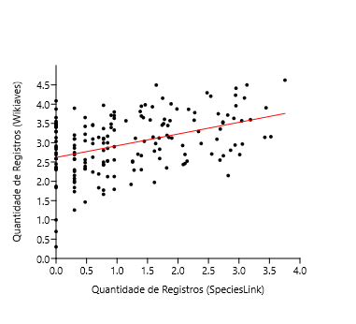
0.30103 | 2.2577 | 2.7092 | -0.45156 |  | 0.30103 | 2.2577 | -0.45156
0 | 2.3385 | 2.6178 | -0.27934 |  | 0 | 2.3385 | -0.27934 |  | Ordinary Least Squares Regression: SpeciesLink (Registros)-Wikiaves (Registros)
0.30103 | 2.8609 | 2.7092 | 0.1517 |  | 0.30103 | 2.8609 | 0.1517
0.30103 | 2.5694 | 2.7092 | -0.13987 |  | 0.30103 | 2.5694 | -0.13987 |  | Slope a: | 0.30377 | Std. error a: | 0.051115
2.7364 | 3.5145 | 3.449 | 0.065514 |  | 2.7364 | 3.5145 | 0.065514 |  |  | t: | 5.9429 | p (slope): | 1.53E-08
0.95424 | 3.3278 | 2.9077 | 0.4201 |  | 0.95424 | 3.3278 | 0.4201 |  | Intercept b: | 2.6178 | Std. error b: | 0.079205
1.8195 | 3.1909 | 3.1705 | 0.020371 |  | 1.8195 | 3.1909 | 0.020371
0.77815 | 2.8021 | 2.8542 | -0.052088 |  | 0.77815 | 2.8021 | -0.052088 |  | 95% bootstrapped confidence intervals (N=1999):
1.3979 | 3.9466 | 3.0425 | 0.9042 |  | 1.3979 | 3.9466 | 0.9042 |  | Slope a: | (0,19588, 0,40505)
1.8976 | 3.1212 | 3.1942 | -0.073009 |  | 1.8976 | 3.1212 | -0.073009 |  | Intercept b: | (2,4526, 2,7923)
0.8451 | 2.8537 | 2.8745 | -0.020815 |  | 0.8451 | 2.8537 | -0.020815
0.30103 | 1.2553 | 2.7092 | -1.454 |  | 0.30103 | 1.2553 | -1.454 |  | Correlation:
0 | 3.4813 | 2.6178 | 0.8635 |  | 0 | 3.4813 | 0.8635 |  | r: | 0.41374
0.77815 | 3.1139 | 2.8542 | 0.25977 |  | 0.77815 | 3.1139 | 0.25977 |  | r2: | 0.17118
1.699 | 2.8319 | 3.1339 | -0.30202 |  | 1.699 | 2.8319 | -0.30202 |  | t: | 5.9429
0.60206 | 2.2405 | 2.8007 | -0.56014 |  | 0.60206 | 2.2405 | -0.56014 |  | p (uncorr.): | 1.53E-08
0 | 2.3711 | 2.6178 | -0.24673 |  | 0 | 2.3711 | -0.24673 |  | Permutation p: | 0.0001
2.6928 | 3.3555 | 3.4358 | -0.080353 |  | 2.6928 | 3.3555 | -0.080353
0.95424 | 3.7059 | 2.9077 | 0.7982 |  | 0.95424 | 3.7059 | 0.7982
0.47712 | 2.4843 | 2.7627 | -0.27843 |  | 0.47712 | 2.4843 | -0.27843
0.69897 | 2.1903 | 2.8301 | -0.63979 |  | 0.69897 | 2.1903 | -0.63979
2.9165 | 3.6316 | 3.5037 | 0.12792 |  | 2.9165 | 3.6316 | 0.12792
0.77815 | 2.4393 | 2.8542 | -0.41484 |  | 0.77815 | 2.4393 | -0.41484
3.4237 | 3.1411 | 3.6578 | -0.51669 |  | 3.4237 | 3.1411 | -0.51669
2.2648 | 3.5843 | 3.3058 | 0.27855 |  | 2.2648 | 3.5843 | 0.27855
0.77815 | 3.9698 | 2.8542 | 1.1156 |  | 0.77815 | 3.9698 | 1.1156
0.90309 | 3.4839 | 2.8921 | 0.59174 |  | 0.90309 | 3.4839 | 0.59174
1.6902 | 3.1209 | 3.1312 | -0.010326 |  | 1.6902 | 3.1209 | -0.010326
0 | 3.8736 | 2.6178 | 1.2558 |  | 0 | 3.8736 | 1.2558
3.1892 | 3.596 | 3.5866 | 0.0094621 |  | 3.1892 | 3.596 | 0.0094621
3.5235 | 3.1559 | 3.6881 | -0.53219 |  | 3.5235 | 3.1559 | -0.53219
0 | 2.8791 | 2.6178 | 0.2613 |  | 0 | 2.8791 | 0.2613
0.69897 | 3.1399 | 2.8301 | 0.30976 |  | 0.69897 | 3.1399 | 0.30976
0 | 3.5132 | 2.6178 | 0.89542 |  | 0 | 3.5132 | 0.89542
0 | 2.8351 | 2.6178 | 0.21726 |  | 0 | 2.8351 | 0.21726
1.699 | 2.5899 | 3.1339 | -0.54394 |  | 1.699 | 2.5899 | -0.54394
2.2742 | 3.7797 | 3.3086 | 0.47112 |  | 2.2742 | 3.7797 | 0.47112
1.7634 | 3.4929 | 3.1535 | 0.33943 |  | 1.7634 | 3.4929 | 0.33943
0.77815 | 2.9917 | 2.8542 | 0.13749 |  | 0.77815 | 2.9917 | 0.13749
2.6884 | 2.549 | 3.4345 | -0.88546 |  | 2.6884 | 2.549 | -0.88546
0.47712 | 3.2209 | 2.7627 | 0.45816 |  | 0.47712 | 3.2209 | 0.45816
0 | 3.652 | 2.6178 | 1.0342 |  | 0 | 3.652 | 1.0342
1.6128 | 1.9731 | 3.1077 | -1.1346 |  | 1.6128 | 1.9731 | -1.1346
2.1732 | 3.8664 | 3.2779 | 0.58846 |  | 2.1732 | 3.8664 | 0.58846
2.5527 | 2.7084 | 3.3932 | -0.6848 |  | 2.5527 | 2.7084 | -0.6848
2.3365 | 3.2907 | 3.3275 | -0.036843 |  | 2.3365 | 3.2907 | -0.036843
2.7443 | 2.6628 | 3.4514 | -0.78867 |  | 2.7443 | 2.6628 | -0.78867
0 | 2.738 | 2.6178 | 0.12019 |  | 0 | 2.738 | 0.12019
0.30103 | 1.7324 | 2.7092 | -0.97685 |  | 0.30103 | 1.7324 | -0.97685
1.1461 | 3.5695 | 2.966 | 0.60353 |  | 1.1461 | 3.5695 | 0.60353
0.30103 | 3.1 | 2.7092 | 0.39078 |  | 0.30103 | 3.1 | 0.39078
2.7372 | 3.5376 | 3.4493 | 0.088292 |  | 2.7372 | 3.5376 | 0.088292
0.47712 | 2.5599 | 2.7627 | -0.20283 |  | 0.47712 | 2.5599 | -0.20283
0.30103 | 2.5832 | 2.7092 | -0.12604 |  | 0.30103 | 2.5832 | -0.12604
1.3424 | 2.7033 | 3.0256 | -0.32229 |  | 1.3424 | 2.7033 | -0.32229
1.5798 | 3.9322 | 3.0977 | 0.83448 |  | 1.5798 | 3.9322 | 0.83448
1.6335 | 2.9795 | 3.114 | -0.13445 |  | 1.6335 | 2.9795 | -0.13445
0.60206 | 3.0962 | 2.8007 | 0.29553 |  | 0.60206 | 3.0962 | 0.29553
0 | 3.5529 | 2.6178 | 0.93511 |  | 0 | 3.5529 | 0.93511
0.30103 | 3.8942 | 2.7092 | 1.185 |  | 0.30103 | 3.8942 | 1.185
0.95424 | 2.1239 | 2.9077 | -0.78382 |  | 0.95424 | 2.1239 | -0.78382
0 | 2.9149 | 2.6178 | 0.29707 |  | 0 | 2.9149 | 0.29707
0.30103 | 1.8388 | 2.7092 | -0.87039 |  | 0.30103 | 1.8388 | -0.87039
0.47712 | 2.3304 | 2.7627 | -0.43232 |  | 0.47712 | 2.3304 | -0.43232
1.2553 | 2.4997 | 2.9991 | -0.49943 |  | 1.2553 | 2.4997 | -0.49943
0 | 1 | 2.6178 | -1.6178 |  | 0 | 1 | -1.6178
0 | 2.4487 | 2.6178 | -0.16909 |  | 0 | 2.4487 | -0.16909
3.0116 | 2.692 | 3.5326 | -0.84066 |  | 3.0116 | 2.692 | -0.84066
0.30103 | 2.0719 | 2.7092 | -0.63736 |  | 0.30103 | 2.0719 | -0.63736
0.47712 | 3.4226 | 2.7627 | 0.65986 |  | 0.47712 | 3.4226 | 0.65986
0 | 3.2853 | 2.6178 | 0.66753 |  | 0 | 3.2853 | 0.66753
0.30103 | 2.0086 | 2.7092 | -0.70064 |  | 0.30103 | 2.0086 | -0.70064
0.8451 | 2.1206 | 2.8745 | -0.75394 |  | 0.8451 | 2.1206 | -0.75394
2.944 | 4.232 | 3.5121 | 0.71986 |  | 2.944 | 4.232 | 0.71986
0 | 0.30103 | 2.6178 | -2.3168 |  | 0.77815 | 3.0917 | 0.23749
0.77815 | 3.0917 | 2.8542 | 0.23749 |  | 0.95424 | 3.6339 | 0.7262
0.95424 | 3.6339 | 2.9077 | 0.7262 |  | 0.60206 | 2.6253 | -0.17537
0.60206 | 2.6253 | 2.8007 | -0.17537 |  | 1.7482 | 4.1535 | 1.0047
1.7482 | 4.1535 | 3.1488 | 1.0047 |  | 0 | 4.0849 | 1.4671
0 | 4.0849 | 2.6178 | 1.4671 |  | 1.301 | 3.1163 | 0.10326
1.301 | 3.1163 | 3.013 | 0.10326 |  | 2.8228 | 2.1492 | -1.3261
2.8228 | 2.1492 | 3.4753 | -1.3261 |  | 1.6128 | 2.7839 | -0.32381
1.6128 | 2.7839 | 3.1077 | -0.32381 |  | 2.6385 | 3.091 | -0.32833
2.6385 | 3.091 | 3.4193 | -0.32833 |  | 0 | 2.5888 | -0.028966
0 | 2.5888 | 2.6178 | -0.028966 |  | 0.77815 | 1.7709 | -1.0833
0.77815 | 1.7709 | 2.8542 | -1.0833 |  | 2.936 | 2.94 | -0.56965
2.936 | 2.94 | 3.5097 | -0.56965 |  | 0.8451 | 2.525 | -0.34947
0.8451 | 2.525 | 2.8745 | -0.34947 |  | 0.95424 | 1.7924 | -1.1153
0.95424 | 1.7924 | 2.9077 | -1.1153 |  | 2.9513 | 4.4133 | 0.89897
2.9513 | 4.4133 | 3.5143 | 0.89897 |  | 0 | 2.2989 | -0.31894
0 | 2.2989 | 2.6178 | -0.31894 |  | 1.4624 | 3.9835 | 0.92146
1.4624 | 3.9835 | 3.062 | 0.92146 |  | 0 | 2.3284 | -0.28942
0 | 2.3284 | 2.6178 | -0.28942 |  | 3.4439 | 3.9046 | 0.2406
3.4439 | 3.9046 | 3.6639 | 0.2406 |  | 1.3979 | 2.301 | -0.74142
1.3979 | 2.301 | 3.0425 | -0.74142 |  | 1.9823 | 3.8748 | 0.65482
1.9823 | 3.8748 | 3.22 | 0.65482 |  | 0 | 2.5866 | -0.03121
0 | 2.5866 | 2.6178 | -0.03121 |  | 0.30103 | 2.1523 | -0.55695
0.30103 | 2.1523 | 2.7092 | -0.55695 |  | 0.8451 | 3.1691 | 0.29457
0.8451 | 3.1691 | 2.8745 | 0.29457 |  | 0.60206 | 3.4649 | 0.66425
0.60206 | 3.4649 | 2.8007 | 0.66425 |  | 0.77815 | 2.4232 | -0.43093
0.77815 | 2.4232 | 2.8542 | -0.43093 |  | 1.3802 | 3.8104 | 0.77337
1.3802 | 3.8104 | 3.0371 | 0.77337 |  | 1.4472 | 3.037 | -0.020373
1.4472 | 3.037 | 3.0574 | -0.020373 |  | 0 | 3.1307 | 0.51286
0 | 3.1307 | 2.6178 | 0.51286 |  | 0.90309 | 3.3946 | 0.5025
0.90309 | 3.3946 | 2.8921 | 0.5025 |  | 1.8865 | 4.0073 | 0.81642
1.8865 | 4.0073 | 3.1909 | 0.81642 |  | 2.4771 | 4.2949 | 0.92463
2.4771 | 4.2949 | 3.3703 | 0.92463 |  | 0.30103 | 3.098 | 0.38871
0.30103 | 3.098 | 2.7092 | 0.38871 |  | 1.4314 | 3.6498 | 0.59722
1.4314 | 3.6498 | 3.0526 | 0.59722 |  | 3.7543 | 4.6216 | 0.86333
3.7543 | 4.6216 | 3.7583 | 0.86333 |  | 1.8325 | 3.4458 | 0.2713
1.8325 | 3.4458 | 3.1745 | 0.2713 |  | 2.6599 | 3.7497 | 0.32386
2.6599 | 3.7497 | 3.4258 | 0.32386 |  | 0.77815 | 3.3666 | 0.51243
0.77815 | 3.3666 | 2.8542 | 0.51243 |  | 0.30103 | 2.2967 | -0.41258
0.30103 | 2.2967 | 2.7092 | -0.41258 |  | 2.3802 | 2.98 | -0.36083
2.3802 | 2.98 | 3.3408 | -0.36083 |  | 0.8451 | 2.5315 | -0.34303
0.8451 | 2.5315 | 2.8745 | -0.34303 |  | 2.8627 | 2.8062 | -0.68123
2.8627 | 2.8062 | 3.4874 | -0.68123 |  | 0.30103 | 3.1987 | 0.48942
0.30103 | 3.1987 | 2.7092 | 0.48942 |  | 0.90309 | 3.7122 | 0.8201
0.90309 | 3.7122 | 2.8921 | 0.8201 |  | 1.2788 | 2.29 | -0.71621
1.2788 | 2.29 | 3.0062 | -0.71621 |  | 1.6435 | 4.4948 | 1.3777
1.6435 | 4.4948 | 3.117 | 1.3777 |  | 0.77815 | 2.4969 | -0.35725
0.77815 | 2.4969 | 2.8542 | -0.35725 |  | 0.60206 | 3.4498 | 0.6491
0.60206 | 3.4498 | 2.8007 | 0.6491 |  | 1.7782 | 3.608 | 0.45004
1.7782 | 3.608 | 3.1579 | 0.45004 |  | 0.47712 | 2.3201 | -0.44259
0.47712 | 2.3201 | 2.7627 | -0.44259 |  | 3.13 | 4.4982 | 0.92964
3.13 | 4.4982 | 3.5686 | 0.92964 |  | 1.8513 | 3.1386 | -0.041537
0 | 0.69897 | 2.6178 | -1.9188 |  | 0.47712 | 1.4624 | -1.3003
1.8513 | 3.1386 | 3.1802 | -0.041537 |  | 0.30103 | 1.9731 | -0.73611
0.47712 | 1.4624 | 2.7627 | -1.3003 |  | 0 | 1.8388 | -0.77895
0.30103 | 1.9731 | 2.7092 | -0.73611 |  | 0.95424 | 2.896 | -0.011693
0 | 1.8388 | 2.6178 | -0.77895
0.95424 | 2.896 | 2.9077 | -0.011693

Geral
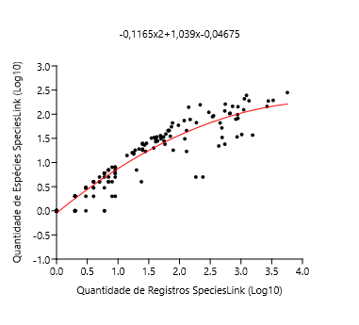
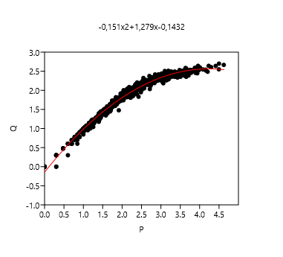
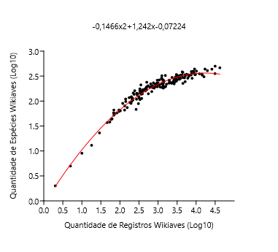
 |  |  |  |  |  |  |  |  |  |  |  |  |  | Polynomial regression, order 2
 |  |  |  |  |  | Polynomial regression, order 2
 |  |  |  |  |  |  |  |  |  |  |  |  |  | chi2: | 8.9338
 |  |  |  |  |  | chi2: | 0.79402 |  |  |  |  |  |  | Akaike ICc: | 15.076
 |  |  |  |  |  | Akaike ICc: | 6.936 |  |  |  |  |  |  | Akaike IC: | 14.934
 |  |  |  |  |  | Akaike IC: | 6.794 |  |  |  |  |  |  | R2: | 0.90672
 |  |  |  |  |  | R2: | 0.96038 |  |  |  |  |  |  | F: | 826.27
 |  |  |  |  |  | F: | 2060.2 |  |  |  |  |  |  | p: | 2.70E-88
 |  |  |  |  |  | p: | 6.70E-120
 |  |  |  |  |  |  |  |  |  |  |  |  |  | a0: | -0.0467542
 |  |  |  |  |  | a0: | -0.0722441 |  |  |  |  |  |  | a1: | 1.03925
 |  |  |  |  |  | a1: | 1.2424 |  |  |  |  |  |  | a2: | -0.116488
 |  |  |  |  |  | a2: | -0.146568
 |  |  |  |  |  |  |  |  |  |  |  |  |  | Equation: -0,1165x2+1,039x-0,04675
 |  |  |  |  |  | Equation: -0,1466x2+1,242x-0,07224

x | y | f(x) | Residual |  |  |  |  |  | x | y | f(x) | Residual
2.322 | 2.064 | 2.02237 | 0.0416274 |  |  |  |  |  | 0 | 0 | -0.0467542 | 0.0467542 |  | 0.301 | 0 | 0.255505 | -0.255505 |  | x | y | f(x) | Residual
2.692 | 2.228 | 2.21015 | 0.017847 | -0.0397181 |  |  |  |  | 0.301 | 0 | 0.255505 | -0.255505 | -0.0207634 | 2.149 | 2.146 | 1.64862 | 0.497378 |  | 1.397940009 | 1.301029996 | 1.34922 | -0.0481882
2.931 | 2.292 | 2.31012 | -0.0181159 | 0.0478378 |  |  |  |  | 0.301 | 0.301 | 0.255505 | 0.0454947 | 0.104524 | 0.954 | 0.301 | 0.83867 | -0.53767 |  | 1.69019608 | 1.633468456 | 1.58665 | 0.0468141 | -0.0399251
3.147 | 2.283 | 2.38605 | -0.103054 | 0.0875559 |  |  |  |  | 1.591 | 1.519 | 1.31182 | 0.207176 | 0.1252874 | 0.778 | 0 | 0.691272 | -0.691272 |  | 2.322219295 | 2.064457989 | 2.01193 | 0.0525285 | 0.0444868
2.522 | 2.204 | 2.12886 | 0.0751412 | 0.17917165 |  |  |  |  | 1.255 | 1.176 | 1.07403 | 0.101971 | 0.2924551 | 0.477 | 0 | 0.422462 | -0.422462 |  | 2.691965103 | 2.227886705 | 2.2048 | 0.0230854 | 0.0844119
3.653 | 2.354 | 2.5104 | -0.156401 | -0.17105195 |  |  |  |  | 0.477 | 0.477 | 0.422462 | 0.0545377 | -0.2086945 | 2.114 | 1.23 | 1.62963 | -0.399629 |  | 3.051152522 | 2.344392274 | 2.35264 | -0.00824348 | 0.17110465
2.696 | 2.225 | 2.21196 | 0.0130362 |  |  |  |  |  | 2.114 | 1.663 | 1.62963 | 0.0333711 |  | 3.09 | 2.391 | 2.05228 | 0.338722 |  | 2.930949031 | 2.292256071 | 2.3075 | -0.0152434 | -0.16654295
3.292 | 2.418 | 2.42936 | -0.0113594 | 2.549 | 2.324 | 2.14234 | 0.181664 |  | 0 | 0 | -0.0467542 | 0.0467542 |  | 1.898 | 1.255 | 1.5061 | -0.251099 |  | 3.147057671 | 2.283301229 | 2.38552 | -0.102218

2.522 | 2.243 | 2.12886 | 0.114141 | 2.423 | 1.833 | 2.07761 | -0.244614 |  | 2.149 | 2.146 | 1.64862 | 0.497378 |  | 0.301 | 0 | 0.255505 | -0.255505 |  | 2.522444234 | 2.204119983 | 2.1215 | 0.0826219
2.966 | 2.358 | 2.32335 | 0.0346508 | 2.322 | 2.064 | 2.02237 | 0.0416274 |  | 3.055 | 2.32 | 2.04096 | 0.279042 |  | 2.693 | 1.519 | 1.90714 | -0.388137 |  | 2.164352856 | 1.977723605 | 1.91701 | 0.0607179
2.979 | 2.417 | 2.32817 | 0.088827 | 2.692 | 2.228 | 2.21015 | 0.017847 |  | 0.602 | 0.477 | 0.536657 | -0.0596569 |  | 2.265 | 0.699 | 1.70953 | -1.01053 |  | 2.11058971 | 1.897627091 | 1.88296 | 0.0146665
3.433 | 2.382 | 2.46556 | -0.0835594 | 2.931 | 2.292 | 2.31012 | -0.0181159 |  | 0 | 0 | -0.0467542 | 0.0467542 |  | 3.189 | 1.568 | 2.08275 | -0.514752 |  | 1.255272505 | 1.041392685 | 1.22394 | -0.182551
3.693 | 2.465 | 2.51703 | -0.05203 | 3.147 | 2.283 | 2.38605 | -0.103054 |  | 1.398 | 1.279 | 1.17845 | 0.100552 |  | 2.336 | 2.196 | 1.74526 | 0.450737 |  | 3.25163822 | 2.471291711 | 2.41821 | 0.0530807
3.798 | 2.526 | 2.5322 | -0.00619895 | 2.522 | 2.204 | 2.12886 | 0.0751412 |  | 0.954 | 0.301 | 0.83867 | -0.53767 |  | 0.301 | 0 | 0.255505 | -0.255505 |  | 2.178976947 | 1.986771734 | 1.92612 | 0.0606564
2.555 | 2.137 | 2.1453 | -0.00830208 | 3.653 | 2.354 | 2.5104 | -0.156401 |  | 0.954 | 0.699 | 0.83867 | -0.13967 |  | 2.737 | 1.38 | 1.92503 | -0.545032 |  | 1.531478917 | 1.380211242 | 1.46091 | -0.0806973
2.745 | 2.146 | 2.23377 | -0.0877654 | 2.696 | 2.225 | 2.21196 | 0.0130362 |  | 0.301 | 0.301 | 0.255505 | 0.0454947 |  | 0.602 | 0.301 | 0.536657 | -0.235657 |  | 2.173186268 | 2.004321374 | 1.92252 | 0.0818054
3.456 | 2.48 | 2.47091 | 0.00908854 | 3.292 | 2.418 | 2.42936 | -0.0113594 |  | 1.74 | 1.531 | 1.40886 | 0.122144 |  | 3.012 | 1.58 | 2.02666 | -0.44666 |  | 0.301029996 | 0.301029996 | 0.228002 | 0.0730285
3.035 | 2.328 | 2.34839 | -0.020386 | 2.522 | 2.243 | 2.12886 | 0.114141 |  | 0 | 0 | -0.0467542 | 0.0467542 |  | 1.301 | 0.845 | 1.10814 | -0.263138 |  | 2.012837225 | 1.919078092 | 1.81882 | 0.100255
1.663 | 1.568 | 1.58853 | -0.0205315 | 2.966 | 2.358 | 2.32335 | 0.0346508 |  | 0.778 | 0 | 0.691272 | -0.691272 |  | 2.638 | 1.342 | 1.88413 | -0.542133 |  | 3.653212514 | 2.354108439 | 2.51306 | -0.158948
2.435 | 2.037 | 2.08398 | -0.0469782 | 2.979 | 2.417 | 2.32817 | 0.088827 |  | 2.086 | 1.491 | 1.61423 | -0.123229 |  | 0.778 | 0.477 | 0.691272 | -0.214272 |  | 2.696356389 | 2.225309282 | 2.20684 | 0.0184654
3.398 | 2.394 | 2.45712 | -0.0631173 | 3.433 | 2.382 | 2.46556 | -0.0835594 |  | 0 | 0 | -0.0467542 | 0.0467542 |  | 2.936 | 1.531 | 2.00034 | -0.469336 |  | 2.096910013 | 1.875061263 | 1.87416 | 0.000902516
3.46 | 2.436 | 2.47183 | -0.0358264 | 3.693 | 2.465 | 2.51703 | -0.05203 |  | 0 | 0 | -0.0467542 | 0.0467542 |  | 0.778 | 0 | 0.691272 | -0.691272 |  | 3.292256071 | 2.418301291 | 2.43002 | -0.0117165
3.717 | 2.507 | 2.52078 | -0.0137821 | 3.798 | 2.526 | 2.5322 | -0.00619895 |  | 2.815 | 2.013 | 1.95565 | 0.0573525 |  | 1.38 | 0.602 | 1.16557 | -0.563567 |  | 2.872156273 | 2.322219295 | 2.28383 | 0.0383853
2.666 | 2.204 | 2.19827 | 0.00573149 | 2.555 | 2.137 | 2.1453 | -0.00830208 |  | 1.398 | 1.38 | 1.17845 | 0.201552 |  | 0.903 | 0.301 | 0.796701 | -0.495701 |  | 2.093421685 | 1.84509804 | 1.87191 | -0.0268072
3.052 | 2.283 | 2.35434 | -0.0713403 | 2.745 | 2.146 | 2.23377 | -0.0877654 |  | 0.477 | 0 | 0.422462 | -0.422462 |  | 1.886 | 1.82 | 1.49892 | 0.321082 |  | 2.522444234 | 2.243038049 | 2.1215 | 0.12154
1.833 | 1.763 | 1.71263 | 0.0503678 | 3.456 | 2.48 | 2.47091 | 0.00908854 |  | 0.699 | 0.602 | 0.622763 | -0.0207634 |  | 0.301 | 0 | 0.255505 | -0.255505 |  | 2.965671971 | 2.357934847 | 2.32099 | 0.0369488
2.348 | 2.161 | 2.03688 | 0.124121 | 3.035 | 2.328 | 2.34839 | -0.020386 |  | 1.813 | 1.663 | 1.45451 | 0.208492 |  | 0.301 | 0 | 0.255505 | -0.255505 |  | 0.903089987 | 0.77815125 | 0.888384 | -0.110232
3.59 | 2.509 | 2.49901 | 0.00999018 | 1.663 | 1.568 | 1.58853 | -0.0205315 |  | 1.544 | 1.505 | 1.28014 | 0.224857 |  | 2.38 | 0.699 | 1.76682 | -1.06782 |  | 2.877371346 | 2.255272505 | 2.28598 | -0.0307029
3.419 | 2.438 | 2.46223 | -0.0242256 | 2.435 | 2.037 | 2.08398 | -0.0469782 |  | 0 | 0 | -0.0467542 | 0.0467542 |  | 0.301 | 0 | 0.255505 | -0.255505 |  | 0 | 0 | -0.143234 | 0.143234
3.572 | 2.476 | 2.49554 | -0.0195414 | 3.398 | 2.394 | 2.45712 | -0.0631173 |  | 1.869 | 1.74 | 1.48869 | 0.251313 |  | 0.301 | 0 | 0.255505 | -0.255505 |  | 2.979092901 | 2.416640507 | 2.3261 | 0.0905393
2.387 | 2.207 | 2.05827 | 0.148733 | 3.46 | 2.436 | 2.47183 | -0.0358264 |  | 0.477 | 0.477 | 0.422462 | 0.0545377 |  | 0 | 0 | -0.0467542 | 0.0467542 |  | 2.481442629 | 2.136720567 | 2.10005 | 0.036674
1.869 | 1.748 | 1.73783 | 0.0101746 | 3.717 | 2.507 | 2.52078 | -0.0137821 |  | 0 | 0 | -0.0467542 | 0.0467542 |  | 0.301 | 0.301 | 0.255505 | 0.0454947 |  | 3.432809005 | 2.382017043 | 2.46703 | -0.0850122
2.998 | 2.367 | 2.33513 | 0.031866 | 2.666 | 2.204 | 2.19827 | 0.00573149 |  | 0.845 | 0.845 | 0.748234 | 0.0967657 |  | 1.591 | 1.519 | 1.31182 | 0.207176 |  | 3.042969073 | 2.271841607 | 2.3497 | -0.0778597
1.919 | 1.763 | 1.77219 | -0.00918569 | 3.052 | 2.283 | 2.35434 | -0.0713403 |  | 1.23 | 1.204 | 1.05528 | 0.148715 |  | 1.255 | 1.176 | 1.07403 | 0.101971 |  | 0.954242509 | 0.903089987 | 0.939447 | -0.0363566
2.461 | 2.149 | 2.09762 | 0.0513767 | 1.833 | 1.763 | 1.71263 | 0.0503678 |  | 2.114 | 1.23 | 1.62963 | -0.399629 |  | 0.477 | 0.477 | 0.422462 | 0.0545377 |  | 2.212187604 | 1.908485019 | 1.94656 | -0.038078
4.16 | 2.52 | 2.55972 | -0.0397181 | 2.348 | 2.161 | 2.03688 | 0.124121 |  | 3.09 | 2.391 | 2.05228 | 0.338722 |  | 2.114 | 1.663 | 1.62963 | 0.0333711 |  | 2.344392274 | 1.954242509 | 2.02466 | -0.0704167
4.206 | 2.487 | 2.56046 | -0.0734642 | 3.59 | 2.509 | 2.49901 | 0.00999018 |  | 2.537 | 1.949 | 1.84005 | 0.108945 |  | 0 | 0 | -0.0467542 | 0.0467542 |  | 3.693375151 | 2.465382851 | 2.51986 | -0.0544806
3.57 | 2.509 | 2.49515 | 0.0138498 | 3.419 | 2.438 | 2.46223 | -0.0242256 |  | 3.045 | 2.093 | 2.03767 | 0.0553286 |  | 3.055 | 2.32 | 2.04096 | 0.279042 |  | 3.798374377 | 2.526339277 | 2.53536 | -0.00901942
2.928 | 2.336 | 2.30896 | 0.0270351 | 3.572 | 2.476 | 2.49554 | -0.0195414 |  | 2.076 | 1.869 | 1.60868 | 0.260315 |  | 0.602 | 0.477 | 0.536657 | -0.0596569 |  | 1.544068044 | 1.505149978 | 1.47116 | 0.0339898
3.958 | 2.642 | 2.5491 | 0.0929008 | 2.387 | 2.207 | 2.05827 | 0.148733 |  | 2.95 | 1.914 | 2.00529 | -0.0912859 |  | 0 | 0 | -0.0467542 | 0.0467542 |  | 2.181843588 | 1.949390007 | 1.92789 | 0.0214965
2.692 | 2.279 | 2.21015 | 0.068847 | 1.869 | 1.748 | 1.73783 | 0.0101746 |  | 0 | 0 | -0.0467542 | 0.0467542 |  | 1.398 | 1.279 | 1.17845 | 0.100552 |  | 2.557507202 | 2.240549248 | 2.13944 | 0.101109
2.258 | 1.973 | 1.98582 | -0.0128206 | 2.998 | 2.367 | 2.33513 | 0.031866 |  | 0.301 | 0.301 | 0.255505 | 0.0454947 |  | 0.954 | 0.699 | 0.83867 | -0.13967 |  | 0.903089987 | 0.903089987 | 0.888384 | 0.0147064
2.338 | 2.021 | 2.03132 | -0.010323 | 1.919 | 1.763 | 1.77219 | -0.00918569 |  | 0 | 0 | -0.0467542 | 0.0467542 |  | 0.301 | 0.301 | 0.255505 | 0.0454947 |  | 1 | 1 | 0.984455 | 0.0155455
2.861 | 2.27 | 2.28257 | -0.012572 | 2.461 | 2.149 | 2.09762 | 0.0513767 |  | 0.301 | 0.301 | 0.255505 | 0.0454947 |  | 1.74 | 1.531 | 1.40886 | 0.122144 |  | 2.555094449 | 2.136720567 | 2.13822 | -0.00149666
2.569 | 2.053 | 2.15218 | -0.0991816 | 4.16 | 2.52 | 2.55972 | -0.0397181 |  | 0.301 | 0.301 | 0.255505 | 0.0454947 |  | 0 | 0 | -0.0467542 | 0.0467542 |  | 2.511883361 | 2.100370545 | 2.11602 | -0.0156508
3.515 | 2.508 | 2.48393 | 0.0240683 | 4.206 | 2.487 | 2.56046 | -0.0734642 |  | 2.736 | 2.068 | 1.92463 | 0.14337 |  | 2.086 | 1.491 | 1.61423 | -0.123229 |  | 1.204119983 | 1.176091259 | 1.17753 | -0.00143881
3.328 | 2.371 | 2.43916 | -0.0681559 | 3.57 | 2.509 | 2.49515 | 0.0138498 |  | 0.954 | 0.778 | 0.83867 | -0.06067 |  | 0 | 0 | -0.0467542 | 0.0467542 |  | 2.745074792 | 2.146128036 | 2.22911 | -0.0829864
3.191 | 2.513 | 2.39985 | 0.113154 | 2.928 | 2.336 | 2.30896 | 0.0270351 |  | 1.82 | 1.663 | 1.45882 | 0.20418 |  | 0 | 0 | -0.0467542 | 0.0467542 |  | 3.456366033 | 2.480006943 | 2.47265 | 0.00735819
2.802 | 2.283 | 2.25824 | 0.0247592 | 3.958 | 2.642 | 2.5491 | 0.0929008 |  | 0.778 | 0.778 | 0.691272 | 0.0867282 |  | 2.815 | 2.013 | 1.95565 | 0.0573525 |  | 2.544068044 | 2.117271296 | 2.13261 | -0.0153357
3.947 | 2.555 | 2.54818 | 0.00682251 | 2.692 | 2.279 | 2.21015 | 0.068847 |  | 1.398 | 1.255 | 1.17845 | 0.0765516 |  | 1.398 | 1.38 | 1.17845 | 0.201552 |  | 1.230448921 | 1.230448921 | 1.20152 | 0.0289306
3.121 | 2.428 | 2.37764 | 0.0503624 | 2.258 | 1.973 | 1.98582 | -0.0128206 |  | 1.898 | 1.255 | 1.5061 | -0.251099 |  | 0.699 | 0.602 | 0.622763 | -0.0207634 |  | 1.204119983 | 1.204119983 | 1.17753 | 0.0265899
2.854 | 2.31 | 2.27974 | 0.0302614 | 2.338 | 2.021 | 2.03132 | -0.010323 |  | 0.845 | 0.699 | 0.748234 | -0.0492343 |  | 1.813 | 1.663 | 1.45451 | 0.208492 |  | 3.035029282 | 2.328379603 | 2.34683 | -0.0184552
1.255 | 1.114 | 1.25613 | -0.142126 | 2.861 | 2.27 | 2.28257 | -0.012572 |  | 0.301 | 0 | 0.255505 | -0.255505 |  | 1.544 | 1.505 | 1.28014 | 0.224857 |  | 2.214843848 | 1.806179974 | 1.94818 | -0.142004
3.481 | 2.531 | 2.47655 | 0.0544469 | 2.569 | 2.053 | 2.15218 | -0.0991816 |  | 0 | 0 | -0.0467542 | 0.0467542 |  | 0 | 0 | -0.0467542 | 0.0467542 |  | 1.176091259 | 1.079181246 | 1.15176 | -0.0725818
3.114 | 2.344 | 2.37534 | -0.0313377 | 3.515 | 2.508 | 2.48393 | 0.0240683 |  | 0.778 | 0.778 | 0.691272 | 0.0867282 |  | 1.869 | 1.74 | 1.48869 | 0.251313 |  | 1.477121255 | 1.342422681 | 1.41609 | -0.0736716
2.832 | 2.279 | 2.27074 | 0.00825991 | 3.328 | 2.371 | 2.43916 | -0.0681559 |  | 1.699 | 1.531 | 1.38267 | 0.148328 |  | 0.477 | 0.477 | 0.422462 | 0.0545377 |  | 3.031812271 | 2.437750563 | 2.34567 | 0.0920825
2.241 | 2.068 | 1.97591 | 0.0920903 | 3.191 | 2.513 | 2.39985 | 0.113154 |  | 0.602 | 0.477 | 0.536657 | -0.0596569 |  | 0 | 0 | -0.0467542 | 0.0467542 |  | 2.025305865 | 1.812913357 | 1.82716 | -0.0142515
2.371 | 2.134 | 2.04955 | 0.0844538 | 2.802 | 2.283 | 2.25824 | 0.0247592 |  | 0 | 0 | -0.0467542 | 0.0467542 |  | 0.845 | 0.845 | 0.748234 | 0.0967657 |  | 1.86332286 | 1.633468456 | 1.71514 | -0.0816741
3.355 | 2.356 | 2.44625 | -0.0902541 | 3.947 | 2.555 | 2.54818 | 0.00682251 |  | 2.693 | 1.519 | 1.90714 | -0.388137 |  | 1.23 | 1.204 | 1.05528 | 0.148715 |  | 3.311329952 | 2.374748346 | 2.43539 | -0.0606419
3.706 | 2.524 | 2.51908 | 0.00491669 | 3.121 | 2.428 | 2.37764 | 0.0503624 |  | 0.954 | 0.845 | 0.83867 | 0.00633005 |  | 2.537 | 1.949 | 1.84005 | 0.108945 |  | 2.722633923 | 2.133538908 | 2.21895 | -0.0854062
2.484 | 1.949 | 2.10953 | -0.160529 | 2.854 | 2.31 | 2.27974 | 0.0302614 |  | 0.477 | 0.301 | 0.422462 | -0.121462 |  | 3.045 | 2.093 | 2.03767 | 0.0553286 |  | 1.662757832 | 1.568201724 | 1.56546 | 0.00274183
2.19 | 1.869 | 1.94567 | -0.0766685 | 1.255 | 1.114 | 1.25613 | -0.142126 |  | 0.699 | 0.699 | 0.622763 | 0.0762366 |  | 2.076 | 1.869 | 1.60868 | 0.260315 |  | 2.434568904 | 2.037426498 | 2.0749 | -0.0374744
3.632 | 2.52 | 2.50673 | 0.0132667 | 3.481 | 2.531 | 2.47655 | 0.0544469 |  | 2.916 | 1.898 | 1.99318 | -0.0951844 |  | 2.95 | 1.914 | 2.00529 | -0.0912859 |  | 3.416141031 | 2.456366033 | 2.46295 | -0.00658581
2.439 | 2.155 | 2.08609 | 0.0689096 | 3.114 | 2.344 | 2.37534 | -0.0313377 |  | 0.778 | 0.778 | 0.691272 | 0.0867282 |  | 0 | 0 | -0.0467542 | 0.0467542 |  | 2.439332694 | 2.184691431 | 2.07749 | 0.107205
3.141 | 2.418 | 2.38413 | 0.0338704 | 2.832 | 2.279 | 2.27074 | 0.00825991 |  | 3.424 | 2.161 | 2.14595 | 0.0150543 |  | 0.301 | 0.301 | 0.255505 | 0.0454947 |  | 3.031812271 | 2.243038049 | 2.34567 | -0.10263
3.584 | 2.45 | 2.49786 | -0.0478642 | 2.241 | 2.068 | 1.97591 | 0.0920903 |  | 2.265 | 0.699 | 1.70953 | -1.01053 |  | 0 | 0 | -0.0467542 | 0.0467542 |  | 0.903089987 | 0.77815125 | 0.888384 | -0.110232
3.97 | 2.528 | 2.55006 | -0.0220642 | 2.371 | 2.134 | 2.04955 | 0.0844538 |  | 0.778 | 0.778 | 0.691272 | 0.0867282 |  | 0.301 | 0.301 | 0.255505 | 0.0454947 |  | 3.397766256 | 2.394451681 | 2.45836 | -0.063908
3.484 | 2.4 | 2.47722 | -0.0772178 | 3.355 | 2.356 | 2.44625 | -0.0902541 |  | 0.903 | 0.602 | 0.796701 | -0.194701 |  | 0.301 | 0.301 | 0.255505 | 0.0454947 |  | 3.459693976 | 2.436162647 | 2.47343 | -0.0372665
3.121 | 2.358 | 2.37764 | -0.0196376 | 3.706 | 2.524 | 2.51908 | 0.00491669 |  | 1.69 | 1.556 | 1.37687 | 0.179128 |  | 2.736 | 2.068 | 1.92463 | 0.14337 |  | 2.990338855 | 2.378397901 | 2.33035 | 0.0480523
3.874 | 2.589 | 2.54116 | 0.0478378 | 2.484 | 1.949 | 2.10953 | -0.160529 |  | 0 | 0 | -0.0467542 | 0.0467542 |  | 0.954 | 0.778 | 0.83867 | -0.06067 |  | 0.477121255 | 0.477121255 | 0.432476 | 0.0446456
3.596 | 2.521 | 2.50014 | 0.0208552 | 2.19 | 1.869 | 1.94567 | -0.0766685 |  | 3.189 | 1.568 | 2.08275 | -0.514752 |  | 1.82 | 1.663 | 1.45882 | 0.20418 |  | 1.944482672 | 1.806179974 | 1.77226 | 0.0339195
3.156 | 2.394 | 2.38892 | 0.00507841 | 3.632 | 2.52 | 2.50673 | 0.0132667 |  | 3.523 | 2.288 | 2.16872 | 0.119284 |  | 0.778 | 0.778 | 0.691272 | 0.0867282 |  | 3.717254313 | 2.506505032 | 2.52368 | -0.0171749
2.879 | 2.365 | 2.28979 | 0.0752081 | 2.439 | 2.155 | 2.08609 | 0.0689096 |  | 0 | 0 | -0.0467542 | 0.0467542 |  | 1.398 | 1.255 | 1.17845 | 0.0765516 |  | 1.322219295 | 1.278753601 | 1.28349 | -0.00474041
3.14 | 2.358 | 2.38381 | -0.0258078 | 3.141 | 2.418 | 2.38413 | 0.0338704 |  | 0.699 | 0.602 | 0.622763 | -0.0207634 |  | 0.845 | 0.699 | 0.748234 | -0.0492343 |  | 2.29666519 | 2.06069784 | 1.99707 | 0.0636233
3.513 | 2.487 | 2.48351 | 0.00349297 | 3.584 | 2.45 | 2.49786 | -0.0478642 |  | 0 | 0 | -0.0467542 | 0.0467542 |  | 0 | 0 | -0.0467542 | 0.0467542 |  | 2.665580991 | 2.204119983 | 2.19241 | 0.0117138
2.835 | 2.19 | 2.27198 | -0.0819755 | 3.97 | 2.528 | 2.55006 | -0.0220642 |  | 0 | 0 | -0.0467542 | 0.0467542 |  | 0.778 | 0.778 | 0.691272 | 0.0867282 |  | 3.051923916 | 2.283301229 | 2.35291 | -0.0696101
2.59 | 2.225 | 2.16239 | 0.0626069 | 3.484 | 2.4 | 2.47722 | -0.0772178 |  | 1.699 | 1.491 | 1.38267 | 0.108328 |  | 1.699 | 1.531 | 1.38267 | 0.148328 |  | 2.608526034 | 2.170261715 | 2.16488 | 0.00537829
3.78 | 2.458 | 2.52983 | -0.0718281 | 3.121 | 2.358 | 2.37764 | -0.0196376 |  | 2.274 | 1.826 | 1.71412 | 0.111876 |  | 0.602 | 0.477 | 0.536657 | -0.0596569 |  | 3.022428371 | 2.440909082 | 2.34225 | 0.0986625
3.493 | 2.431 | 2.4792 | -0.048196 | 3.874 | 2.589 | 2.54116 | 0.0478378 |  | 1.763 | 1.38 | 1.42337 | -0.0433736 |  | 0 | 0 | -0.0467542 | 0.0467542 |  | 2.894869657 | 2.250420002 | 2.2931 | -0.0426804
2.992 | 2.326 | 2.33295 | -0.00694726 | 3.596 | 2.521 | 2.50014 | 0.0208552 |  | 0.778 | 0.699 | 0.691272 | 0.00772822 |  | 0.954 | 0.845 | 0.83867 | 0.00633005 |  | 2.1430148 | 1.954242509 | 1.9036 | 0.0506445
2.549 | 2.324 | 2.14234 | 0.181664 | 3.156 | 2.394 | 2.38892 | 0.00507841 |  | 2.688 | 1.716 | 1.90507 | -0.189075 |  | 0.477 | 0.301 | 0.422462 | -0.121462 |  | 1.832508913 | 1.763427994 | 1.69294 | 0.0704923
3.221 | 2.338 | 2.40892 | -0.0709249 | 2.879 | 2.365 | 2.28979 | 0.0752081 |  | 0.477 | 0.477 | 0.422462 | 0.0545377 |  | 0.699 | 0.699 | 0.622763 | 0.0762366 |  | 1.716003344 | 1.544068044 | 1.60638 | -0.0623135
3.652 | 2.471 | 2.51023 | -0.0392295 | 3.14 | 2.358 | 2.38381 | -0.0258078 |  | 0 | 0 | -0.0467542 | 0.0467542 |  | 2.916 | 1.898 | 1.99318 | -0.0951844 |  | 2.348304863 | 2.161368002 | 2.02689 | 0.134478
1.973 | 1.792 | 1.80847 | -0.0164717 | 3.513 | 2.487 | 2.48351 | 0.00349297 |  | 1.613 | 1.431 | 1.32648 | 0.104524 |  | 0.778 | 0.778 | 0.691272 | 0.0867282 |  | 2.350248018 | 1.959041392 | 2.028 | -0.0689549
3.866 | 2.524 | 2.5403 | -0.0162985 | 2.835 | 2.19 | 2.27198 | -0.0819755 |  | 2.173 | 1.892 | 1.66148 | 0.230519 |  | 3.424 | 2.161 | 2.14595 | 0.0150543 |  | 1.919078092 | 1.819543936 | 1.7546 | 0.0649486
2.708 | 2.288 | 2.21737 | 0.070632 | 2.59 | 2.225 | 2.16239 | 0.0626069 |  | 2.553 | 1.968 | 1.8472 | 0.120804 |  | 0.778 | 0.778 | 0.691272 | 0.0867282 |  | 3.589949601 | 2.509202522 | 2.50135 | 0.0078566
3.291 | 2.415 | 2.42908 | -0.0140818 | 3.78 | 2.458 | 2.52983 | -0.0718281 |  | 2.336 | 2.196 | 1.74526 | 0.450737 |  | 0.903 | 0.602 | 0.796701 | -0.194701 |  | 3.418798291 | 2.437750563 | 2.46361 | -0.0258569
2.663 | 2.246 | 2.19688 | 0.0491155 | 3.493 | 2.431 | 2.4792 | -0.048196 |  | 2.744 | 2.21 | 1.92784 | 0.282162 |  | 1.69 | 1.556 | 1.37687 | 0.179128 |  | 0.602059991 | 0.301029996 | 0.571874 | -0.270844
2.738 | 2.305 | 2.23069 | 0.0743061 | 2.992 | 2.326 | 2.33295 | -0.00694726 |  | 0 | 0 | -0.0467542 | 0.0467542 |  | 0 | 0 | -0.0467542 | 0.0467542 |  | 0 | 0 | -0.143234 | 0.143234
1.732 | 1.58 | 1.63992 | -0.0599232 | 3.221 | 2.338 | 2.40892 | -0.0709249 |  | 0.301 | 0.301 | 0.255505 | 0.0454947 |  | 3.523 | 2.288 | 2.16872 | 0.119284 |  | 2.781755375 | 2.276461804 | 2.24541 | 0.0310526
3.569 | 2.452 | 2.49495 | -0.0429542 | 3.652 | 2.471 | 2.51023 | -0.0392295 |  | 1.146 | 1.146 | 0.991237 | 0.154763 |  | 0 | 0 | -0.0467542 | 0.0467542 |  | 3.571825249 | 2.475671188 | 2.49777 | -0.0220971
3.1 | 2.507 | 2.37069 | 0.136305 | 1.973 | 1.792 | 1.80847 | -0.0164717 |  | 0.301 | 0 | 0.255505 | -0.255505 |  | 0.699 | 0.602 | 0.622763 | -0.0207634 |  | 2.387389826 | 2.206825876 | 2.04892 | 0.157904
3.538 | 2.486 | 2.48873 | -0.00273094 | 3.866 | 2.524 | 2.5403 | -0.0162985 |  | 2.737 | 1.38 | 1.92503 | -0.545032 |  | 0 | 0 | -0.0467542 | 0.0467542 |  | 1.86923172 | 1.748188027 | 1.71937 | 0.0288198
2.56 | 2.167 | 2.14777 | 0.0192344 | 2.708 | 2.288 | 2.21737 | 0.070632 |  | 0.477 | 0.477 | 0.422462 | 0.0545377 |  | 0 | 0 | -0.0467542 | 0.0467542 |  | 2.613841822 | 2.240549248 | 2.16749 | 0.07306
2.583 | 2.199 | 2.159 | 0.0399964 | 3.291 | 2.415 | 2.42908 | -0.0140818 |  | 0.301 | 0.301 | 0.255505 | 0.0454947 |  | 1.699 | 1.491 | 1.38267 | 0.108328 |  | 1.653212514 | 1.505149978 | 1.55803 | -0.0528834
2.703 | 2.377 | 2.21512 | 0.161879 | 2.663 | 2.246 | 2.19688 | 0.0491155 |  | 1.342 | 1.279 | 1.13812 | 0.140875 |  | 2.274 | 1.826 | 1.71412 | 0.111876 |  | 2.998259338 | 2.367355921 | 2.33331 | 0.034044
3.932 | 2.593 | 2.54686 | 0.0461365 | 2.738 | 2.305 | 2.23069 | 0.0743061 |  | 1.58 | 1.301 | 1.30446 | -0.00345526 |  | 1.763 | 1.38 | 1.42337 | -0.0433736 |  | 3.013679697 | 2.411619706 | 2.33903 | 0.0725869
2.98 | 2.344 | 2.32854 | 0.015458 | 1.732 | 1.58 | 1.63992 | -0.0599232 |  | 1.633 | 1.531 | 1.3397 | 0.191301 |  | 0.778 | 0.699 | 0.691272 | 0.00772822 |  | 3.039414119 | 2.222716471 | 2.34842 | -0.125704
3.096 | 2.274 | 2.36936 | -0.0953578 | 3.569 | 2.452 | 2.49495 | -0.0429542 |  | 0.602 | 0.301 | 0.536657 | -0.235657 |  | 2.688 | 1.716 | 1.90507 | -0.189075 |  | 3.372175286 | 2.484299839 | 2.45179 | 0.0325055
3.553 | 2.436 | 2.49178 | -0.0557773 | 3.1 | 2.507 | 2.37069 | 0.136305 |  | 0 | 0 | -0.0467542 | 0.0467542 |  | 0.477 | 0.477 | 0.422462 | 0.0545377 |  | 1.919078092 | 1.763427994 | 1.7546 | 0.00883268
3.894 | 2.456 | 2.54324 | -0.0872396 | 3.538 | 2.486 | 2.48873 | -0.00273094 |  | 0.301 | 0.301 | 0.255505 | 0.0454947 |  | 0 | 0 | -0.0467542 | 0.0467542 |  | 2.698100546 | 2.176091259 | 2.20765 | -0.0315623
2.124 | 1.903 | 1.9054 | -0.00240117 | 2.56 | 2.167 | 2.14777 | 0.0192344 |  | 0.954 | 0.903 | 0.83867 | 0.06433 |  | 1.613 | 1.431 | 1.32648 | 0.104524 |  | 1 | 1 | 0.984455 | 0.0155455
2.915 | 2.286 | 2.30395 | -0.0179468 | 2.583 | 2.199 | 2.159 | 0.0399964 |  | 0 | 0 | -0.0467542 | 0.0467542 |  | 2.173 | 1.892 | 1.66148 | 0.230519 |  | 1.819543936 | 1.653212514 | 1.68351 | -0.0302939
1.839 | 1.716 | 1.71686 | -0.000857418 | 2.703 | 2.377 | 2.21512 | 0.161879 |  | 0.301 | 0.301 | 0.255505 | 0.0454947 |  | 2.553 | 1.968 | 1.8472 | 0.120804 |  | 2.460897843 | 2.149219113 | 2.08911 | 0.0601123
2.33 | 2.049 | 2.02686 | 0.0221428 | 3.932 | 2.593 | 2.54686 | 0.0461365 |  | 0.477 | 0.477 | 0.422462 | 0.0545377 |  | 2.744 | 2.21 | 1.92784 | 0.282162 |  | 2.021189299 | 1.875061263 | 1.82442 | 0.0506452
2.5 | 2.064 | 2.11772 | -0.0537193 | 2.98 | 2.344 | 2.32854 | 0.015458 |  | 1.255 | 1.204 | 1.07403 | 0.129971 |  | 0 | 0 | -0.0467542 | 0.0467542 |  | 2.926342447 | 2.311753861 | 2.30568 | 0.00607096
1 | 0.954 | 1.02359 | -0.0695926 | 3.096 | 2.274 | 2.36936 | -0.0953578 |  | 0 | 0 | -0.0467542 | 0.0467542 |  | 0.301 | 0.301 | 0.255505 | 0.0454947 |  | 2.1430148 | 1.903089987 | 1.9036 | -0.000508047
2.449 | 2.127 | 2.09135 | 0.0356498 | 3.553 | 2.436 | 2.49178 | -0.0557773 |  | 0 | 0 | -0.0467542 | 0.0467542 |  | 1.146 | 1.146 | 0.991237 | 0.154763 |  | 4.159927953 | 2.519827994 | 2.56325 | -0.0434192
2.692 | 2.262 | 2.21015 | 0.051847 | 3.894 | 2.456 | 2.54324 | -0.0872396 |  | 3.012 | 1.58 | 2.02666 | -0.44666 |  | 0.477 | 0.477 | 0.422462 | 0.0545377 |  | 2.730782276 | 2.113943352 | 2.22266 | -0.108712
2.072 | 1.954 | 1.87278 | 0.081224 | 2.124 | 1.903 | 1.9054 | -0.00240117 |  | 0.301 | 0.301 | 0.255505 | 0.0454947 |  | 0.301 | 0.301 | 0.255505 | 0.0454947 |  | 4.206096945 | 2.487138375 | 2.56397 | -0.0768281
3.423 | 2.346 | 2.46318 | -0.117184 | 2.915 | 2.286 | 2.30395 | -0.0179468 |  | 0.477 | 0.477 | 0.422462 | 0.0545377 |  | 1.342 | 1.279 | 1.13812 | 0.140875 |  | 0.954242509 | 0.954242509 | 0.939447 | 0.0147959
3.285 | 2.358 | 2.42741 | -0.0694104 | 1.839 | 1.716 | 1.71686 | -0.000857418 |  | 0 | 0 | -0.0467542 | 0.0467542 |  | 1.58 | 1.301 | 1.30446 | -0.00345526 |  | 3.569607968 | 2.509202522 | 2.49732 | 0.0118787
2.009 | 1.806 | 1.83219 | -0.0261875 | 2.33 | 2.049 | 2.02686 | 0.0221428 |  | 0.301 | 0.301 | 0.255505 | 0.0454947 |  | 1.633 | 1.531 | 1.3397 | 0.191301 |  | 1.949390007 | 1.799340549 | 1.77565 | 0.0236902
2.121 | 1.82 | 1.90354 | -0.0835405 | 2.5 | 2.064 | 2.11772 | -0.0537193 |  | 0.845 | 0.602 | 0.748234 | -0.146234 |  | 0 | 0 | -0.0467542 | 0.0467542 |  | 2.068185862 | 1.851258349 | 1.85549 | -0.00423466
4.232 | 2.641 | 2.56061 | 0.0803885 | 1 | 0.954 | 1.02359 | -0.0695926 |  | 2.944 | 1.991 | 2.00317 | -0.0121699 |  | 0.301 | 0.301 | 0.255505 | 0.0454947 |  | 2.404833717 | 2.120573931 | 2.05861 | 0.0619686
0.301 | 0.301 | 0.28844 | 0.0125596 | 2.449 | 2.127 | 2.09135 | 0.0356498 |  | 0 | 0 | -0.0467542 | 0.0467542 |  | 0.954 | 0.903 | 0.83867 | 0.06433 |  | 0.954242509 | 0.903089987 | 0.939447 | -0.0363566
3.092 | 2.461 | 2.36802 | 0.092984 | 2.692 | 2.262 | 2.21015 | 0.051847 |  | 0.778 | 0.778 | 0.691272 | 0.0867282 |  | 0 | 0 | -0.0467542 | 0.0467542 |  | 2.92788341 | 2.336459734 | 2.30629 | 0.0301685
3.634 | 2.585 | 2.50709 | 0.0779118 | 2.072 | 1.954 | 1.87278 | 0.081224 |  | 0.954 | 0.903 | 0.83867 | 0.06433 |  | 0.301 | 0.301 | 0.255505 | 0.0454947 |  | 2.161368002 | 2 | 1.91514 | 0.0848615
2.625 | 2.228 | 2.17912 | 0.048875 | 3.423 | 2.346 | 2.46318 | -0.117184 |  | 0.602 | 0.602 | 0.536657 | 0.0653431 |  | 0.477 | 0.477 | 0.422462 | 0.0545377 |  | 3.195622944 | 2.365487985 | 2.40111 | -0.0356232
4.154 | 2.54 | 2.55958 | -0.019575 | 3.285 | 2.358 | 2.42741 | -0.0694104 |  | 1.748 | 1.447 | 1.41392 | 0.0330803 |  | 1.255 | 1.204 | 1.07403 | 0.129971 |  | 3.958085849 | 2.64246452 | 2.55255 | 0.0899194
4.085 | 2.547 | 2.55717 | -0.0101715 | 2.009 | 1.806 | 1.83219 | -0.0261875 |  | 0 | 0 | -0.0467542 | 0.0467542 |  | 0 | 0 | -0.0467542 | 0.0467542 |  | 2.392696953 | 2.1430148 | 2.05188 | 0.0911374
3.116 | 2.367 | 2.376 | -0.00899629 | 2.121 | 1.82 | 1.90354 | -0.0835405 |  | 1.301 | 0.845 | 1.10814 | -0.263138 |  | 0 | 0 | -0.0467542 | 0.0467542 |  | 2.495544338 | 2.10720997 | 2.10748 | -0.000271676
2.149 | 2.041 | 1.9208 | 0.120196 | 4.232 | 2.641 | 2.56061 | 0.0803885 |  | 2.823 | 2.021 | 1.95871 | 0.0622926 |  | 0.301 | 0.301 | 0.255505 | 0.0454947 |  | 2.568201724 | 2.103803721 | 2.14484 | -0.0410348
2.784 | 2.276 | 2.25061 | 0.0253854 | 0.301 | 0.301 | 0.28844 | 0.0125596 |  | 1.613 | 1.477 | 1.32648 | 0.150524 |  | 0.477 | 0.477 | 0.422462 | 0.0545377 |  | 2.338456494 | 2.1430148 | 2.02127 | 0.121749
3.091 | 2.348 | 2.36768 | -0.0196798 | 3.092 | 2.461 | 2.36802 | 0.092984 |  | 2.638 | 1.342 | 1.88413 | -0.542133 |  | 0 | 0 | -0.0467542 | 0.0467542 |  | 2.691965103 | 2.278753601 | 2.2048 | 0.0739523
2.589 | 2.188 | 2.16191 | 0.0260903 | 3.634 | 2.585 | 2.50709 | 0.0779118 |  | 0 | 0 | -0.0467542 | 0.0467542 |  | 0.301 | 0.301 | 0.255505 | 0.0454947 |  | 2.471291711 | 2 | 2.09466 | -0.0946573
1.771 | 1.633 | 1.66835 | -0.0353533 | 2.625 | 2.228 | 2.17912 | 0.048875 |  | 0.778 | 0.477 | 0.691272 | -0.214272 |  | 0.845 | 0.602 | 0.748234 | -0.146234 |  | 1.84509804 | 1.662757832 | 1.70204 | -0.0392852
2.94 | 2.297 | 2.31355 | -0.0165531 | 4.154 | 2.54 | 2.55958 | -0.019575 |  | 2.936 | 1.531 | 2.00034 | -0.469336 |  | 2.944 | 1.991 | 2.00317 | -0.0121699 |  | 1.919078092 | 1.77815125 | 1.7546 | 0.0235559
2.525 | 2.029 | 2.13037 | -0.101367 | 4.085 | 2.547 | 2.55717 | -0.0101715 |  | 0.845 | 0.602 | 0.748234 | -0.146234 |  | 0 | 0 | -0.0467542 | 0.0467542 |  | 2.235528447 | 1.982271233 | 1.96073 | 0.0215366
1.792 | 1.643 | 1.68348 | -0.0404772 | 3.116 | 2.367 | 2.376 | -0.00899629 |  | 0.954 | 0.903 | 0.83867 | 0.06433 |  | 0.778 | 0.778 | 0.691272 | 0.0867282 |  | 2.257678575 | 1.973127854 | 1.97403 | -0.000903247
4.413 | 2.639 | 2.55615 | 0.0828542 | 2.149 | 2.041 | 1.9208 | 0.120196 |  | 2.951 | 2.155 | 2.00564 | 0.149362 |  | 0.954 | 0.903 | 0.83867 | 0.06433 |  | 3.062581984 | 2.184691431 | 2.3567 | -0.172009
2.299 | 2.086 | 2.00937 | 0.076625 | 2.784 | 2.276 | 2.25061 | 0.0253854 |  | 0 | 0 | -0.0467542 | 0.0467542 |  | 0.602 | 0.602 | 0.536657 | 0.0653431 |  | 2.338456494 | 2.021189299 | 2.02127 | -7.67E-05
3.983 | 2.537 | 2.55106 | -0.0140619 | 3.091 | 2.348 | 2.36768 | -0.0196798 |  | 1.462 | 1.398 | 1.22364 | 0.174362 |  | 1.748 | 1.447 | 1.41392 | 0.0330803 |  | 1.414973348 | 1.230448921 | 1.36376 | -0.133315
2.328 | 2.021 | 2.02574 | -0.00473781 | 2.589 | 2.188 | 2.16191 | 0.0260903 |  | 0 | 0 | -0.0467542 | 0.0467542 |  | 0 | 0 | -0.0467542 | 0.0467542 |  | 0 | 0 | -0.143234 | 0.143234
3.905 | 2.594 | 2.54433 | 0.0496679 | 1.771 | 1.633 | 1.66835 | -0.0353533 |  | 3.444 | 2.274 | 2.15073 | 0.12327 |  | 2.823 | 2.021 | 1.95871 | 0.0622926 |  | 2.423245874 | 2.056904851 | 2.06873 | -0.0118222
2.301 | 1.991 | 2.01051 | -0.0195113 | 2.94 | 2.297 | 2.31355 | -0.0165531 |  | 1.398 | 1.398 | 1.17845 | 0.219552 |  | 1.613 | 1.477 | 1.32648 | 0.150524 |  | 2.26245109 | 2.056904851 | 1.97688 | 0.0800283
3.875 | 2.54 | 2.54127 | -0.00126889 | 2.525 | 2.029 | 2.13037 | -0.101367 |  | 1.982 | 1.771 | 1.55543 | 0.21557 |  | 0 | 0 | -0.0467542 | 0.0467542 |  | 2.860936621 | 2.269512944 | 2.2792 | -0.0096863
2.587 | 2.146 | 2.16094 | -0.0149422 | 1.792 | 1.643 | 1.68348 | -0.0404772 |  | 0 | 0 | -0.0467542 | 0.0467542 |  | 0.845 | 0.602 | 0.748234 | -0.146234 |  | 2.941014244 | 2.419955748 | 2.31145 | 0.108509
2.152 | 1.991 | 1.92264 | 0.0683598 | 4.413 | 2.639 | 2.55615 | 0.0828542 |  | 0.301 | 0.301 | 0.255505 | 0.0454947 |  | 0.954 | 0.903 | 0.83867 | 0.06433 |  | 2.164352856 | 1.934498451 | 1.91701 | 0.0174927
3.169 | 2.283 | 2.39302 | -0.110021 | 2.299 | 2.086 | 2.00937 | 0.076625 |  | 0.845 | 0.845 | 0.748234 | 0.0967657 |  | 2.951 | 2.155 | 2.00564 | 0.149362 |  | 1.079181246 | 1.041392685 | 1.06085 | -0.0194524
3.465 | 2.481 | 2.47296 | 0.00803645 | 3.983 | 2.537 | 2.55106 | -0.0140619 |  | 0.602 | 0.602 | 0.536657 | 0.0653431 |  | 0 | 0 | -0.0467542 | 0.0467542 |  | 0.301029996 | 0.301029996 | 0.228002 | 0.0730285
2.423 | 1.833 | 2.07761 | -0.244614 | 2.328 | 2.021 | 2.02574 | -0.00473781 |  | 0.778 | 0 | 0.691272 | -0.691272 |  | 1.462 | 1.398 | 1.22364 | 0.174362 |  | 2.755112266 | 2.309630167 | 2.23361 | 0.0760163
3.81 | 2.498 | 2.53373 | -0.0357268 | 3.905 | 2.594 | 2.54433 | 0.0496679 |  | 1.38 | 0.602 | 1.16557 | -0.563567 |  | 0 | 0 | -0.0467542 | 0.0467542 |  | 2.56937391 | 2.053078443 | 2.14543 | -0.0923497
3.037 | 2.422 | 2.34909 | 0.0729091 | 2.301 | 1.991 | 2.01051 | -0.0195113 |  | 1.447 | 1.23 | 1.21313 | 0.0168675 |  | 3.444 | 2.274 | 2.15073 | 0.12327 |  | 1.897627091 | 1.770852012 | 1.73953 | 0.0313245
3.131 | 2.318 | 2.3809 | -0.0628982 | 3.875 | 2.54 | 2.54127 | -0.00126889 |  | 0 | 0 | -0.0467542 | 0.0467542 |  | 1.398 | 1.398 | 1.17845 | 0.219552 |  | 3.514547753 | 2.507855872 | 2.48581 | 0.0220459
3.395 | 2.362 | 2.45638 | -0.094377 | 2.587 | 2.146 | 2.16094 | -0.0149422 |  | 0.903 | 0.301 | 0.796701 | -0.495701 |  | 1.982 | 1.771 | 1.55543 | 0.21557 |  | 2.639486489 | 2.252853031 | 2.17994 | 0.0729126
4.007 | 2.6 | 2.55277 | 0.0472262 | 2.152 | 1.991 | 1.92264 | 0.0683598 |  | 1.886 | 1.82 | 1.49892 | 0.321082 |  | 0 | 0 | -0.0467542 | 0.0467542 |  | 2.444044796 | 2.136720567 | 2.08004 | 0.0566828
4.295 | 2.609 | 2.56015 | 0.0488532 | 3.169 | 2.283 | 2.39302 | -0.110021 |  | 2.477 | 2.041 | 1.81274 | 0.228256 |  | 0.301 | 0.301 | 0.255505 | 0.0454947 |  | 1.255272505 | 1.230448921 | 1.22394 | 0.00650551
3.098 | 2.449 | 2.37003 | 0.0789731 | 3.465 | 2.481 | 2.47296 | 0.00803645 |  | 0.301 | 0 | 0.255505 | -0.255505 |  | 0.845 | 0.845 | 0.748234 | 0.0967657 |  | 2.356025857 | 2.021189299 | 2.03128 | -0.0100895
3.65 | 2.575 | 2.50989 | 0.0651149 | 3.81 | 2.498 | 2.53373 | -0.0357268 |  | 1.431 | 1.362 | 1.20187 | 0.160131 |  | 0.602 | 0.602 | 0.536657 | 0.0653431 |  | 3.32776749 | 2.371067862 | 2.43993 | -0.0688642
4.622 | 2.667 | 2.53904 | 0.127957 | 3.037 | 2.422 | 2.34909 | 0.0729091 |  | 3.754 | 2.449 | 2.21297 | 0.236033 |  | 1.447 | 1.23 | 1.21313 | 0.0168675 |  | 3.190891717 | 2.5132176 | 2.39962 | 0.113594
3.446 | 2.435 | 2.4686 | -0.0336035 | 3.131 | 2.318 | 2.3809 | -0.0628982 |  | 1.833 | 1.663 | 1.4668 | 0.196202 |  | 0 | 0 | -0.0467542 | 0.0467542 |  | 2.372912003 | 2.068185862 | 2.04081 | 0.0273715
3.75 | 2.537 | 2.52567 | 0.0113344 | 3.395 | 2.362 | 2.45638 | -0.094377 |  | 2.66 | 1.82 | 1.89342 | -0.073419 |  | 2.477 | 2.041 | 1.81274 | 0.228256 |  | 2.330413773 | 2.075546961 | 2.01665 | 0.0588956
3.367 | 2.474 | 2.44934 | 0.0246598 | 4.007 | 2.6 | 2.55277 | 0.0472262 |  | 0.778 | 0.778 | 0.691272 | 0.0867282 |  | 1.431 | 1.362 | 1.20187 | 0.160131 |  | 0.301029996 | 0.301029996 | 0.228002 | 0.0730285
2.297 | 2.079 | 2.00824 | 0.0707626 | 4.295 | 2.609 | 2.56015 | 0.0488532 |  | 0.301 | 0 | 0.255505 | -0.255505 |  | 3.754 | 2.449 | 2.21297 | 0.236033 |  | 2.802089258 | 2.283301229 | 2.25427 | 0.029034
2.98 | 2.286 | 2.32854 | -0.042542 | 3.098 | 2.449 | 2.37003 | 0.0789731 |  | 2.38 | 0.699 | 1.76682 | -1.06782 |  | 1.833 | 1.663 | 1.4668 | 0.196202 |  | 1.204119983 | 1.176091259 | 1.17753 | -0.00143881
2.531 | 2.158 | 2.13338 | 0.024625 | 3.65 | 2.575 | 2.50989 | 0.0651149 |  | 0.845 | 0.845 | 0.748234 | 0.0967657 |  | 2.66 | 1.82 | 1.89342 | -0.073419 |  | 3.010723865 | 2.315970345 | 2.33794 | -0.0219714
2.806 | 2.344 | 2.25992 | 0.0840774 | 4.622 | 2.667 | 2.53904 | 0.127957 |  | 2.863 | 2.164 | 1.97378 | 0.190217 |  | 0.778 | 0.778 | 0.691272 | 0.0867282 |  | 1 | 1 | 0.984455 | 0.0155455
3.199 | 2.29 | 2.40229 | -0.112293 | 3.446 | 2.435 | 2.4686 | -0.0336035 |  | 0.301 | 0 | 0.255505 | -0.255505 |  | 0.845 | 0.845 | 0.748234 | 0.0967657 |  | 3.946648734 | 2.555094449 | 2.55157 | 0.00352406
3.712 | 2.389 | 2.52001 | -0.131014 | 3.75 | 2.537 | 2.52567 | 0.0113344 |  | 0.903 | 0.903 | 0.796701 | 0.106299 |  | 2.863 | 2.164 | 1.97378 | 0.190217 |  | 1.968482949 | 1.770852012 | 1.78877 | -0.0179181
2.29 | 1.954 | 2.00425 | -0.0502467 | 3.367 | 2.474 | 2.44934 | 0.0246598 |  | 1.279 | 1.255 | 1.09189 | 0.163113 |  | 0.903 | 0.903 | 0.796701 | 0.106299 |  | 2.29666519 | 1.977723605 | 1.99707 | -0.0193509
4.495 | 2.55 | 2.55096 | -0.000961843 | 2.297 | 2.079 | 2.00824 | 0.0707626 |  | 1.643 | 1.447 | 1.34628 | 0.100725 |  | 1.279 | 1.255 | 1.09189 | 0.163113 |  | 2.342422681 | 2.103803721 | 2.02353 | 0.0802693
2.497 | 2.083 | 2.11619 | -0.0331893 | 2.98 | 2.286 | 2.32854 | -0.042542 |  | 0.778 | 0.778 | 0.691272 | 0.0867282 |  | 1.643 | 1.447 | 1.34628 | 0.100725 |  | 1.113943352 | 0.954242509 | 1.09378 | -0.139541
3.45 | 2.436 | 2.46953 | -0.0335302 | 2.531 | 2.158 | 2.13338 | 0.024625 |  | 0.602 | 0.602 | 0.536657 | 0.0653431 |  | 0.778 | 0.778 | 0.691272 | 0.0867282 |  | 3.121231455 | 2.428134794 | 2.37694 | 0.0511977
3.608 | 2.512 | 2.50238 | 0.00961678 | 2.806 | 2.344 | 2.25992 | 0.0840774 |  | 1.778 | 1.591 | 1.43278 | 0.158225 |  | 0.602 | 0.602 | 0.536657 | 0.0653431 |  | 2.206825876 | 1.892094603 | 1.94328 | -0.0511898
2.32 | 2.041 | 2.02125 | 0.0197515 | 3.199 | 2.29 | 2.40229 | -0.112293 |  | 0.477 | 0.477 | 0.422462 | 0.0545377 |  | 1.778 | 1.591 | 1.43278 | 0.158225 |  | 1.278753601 | 1.146128036 | 1.24498 | -0.0988564
4.498 | 2.699 | 2.55073 | 0.148265 | 3.712 | 2.389 | 2.52001 | -0.131014 |  | 3.13 | 2.279 | 2.06487 | 0.214134 |  | 0.477 | 0.477 | 0.422462 | 0.0545377 |  | 1 | 0.903089987 | 0.984455 | -0.0813645
0.699 | 0.699 | 0.724583 | -0.0255834 | 2.29 | 1.954 | 2.00425 | -0.0502467 |  | 0 | 0 | -0.0467542 | 0.0467542 |  | 3.13 | 2.279 | 2.06487 | 0.214134 |  | 2.764176132 | 2.181843588 | 2.23765 | -0.055807
3.139 | 2.26 | 2.38349 | -0.123486 | 4.495 | 2.55 | 2.55096 | -0.000961843 |  | 1.851 | 1.544 | 1.47778 | 0.0662197 |  | 0 | 0 | -0.0467542 | 0.0467542 |  | 2.853698212 | 2.309630167 | 2.27619 | 0.0334412
1.462 | 1.362 | 1.43087 | -0.068871 | 2.497 | 2.083 | 2.11619 | -0.0331893 |  | 0.477 | 0.477 | 0.422462 | 0.0545377 |  | 1.851 | 1.544 | 1.47778 | 0.0662197 |  | 1.602059991 | 1.414973348 | 1.51777 | -0.102793
1.973 | 1.82 | 1.80847 | 0.0115283 | 3.45 | 2.436 | 2.46953 | -0.0335302 |  | 0.301 | 0 | 0.255505 | -0.255505 |  | 0.477 | 0.477 | 0.422462 | 0.0545377 |  | 1.86923172 | 1.716003344 | 1.71937 | -0.00336484
1.839 | 1.82 | 1.71686 | 0.103143 | 3.608 | 2.512 | 2.50238 | 0.00961678 |  | 0 | 0 | -0.0467542 | 0.0467542 |  | 0 | 0 | -0.0467542 | 0.0467542 |  | 2.988558957 | 2.29666519 | 2.32968 | -0.0330112
2.896 | 2.26 | 2.29652 | -0.0365235 | 2.32 | 2.041 | 2.02125 | 0.0197515 |  | 0.954 | 0.778 | 0.83867 | -0.06067 |  | 0.954 | 0.778 | 0.83867 | -0.06067 |  | 0.698970004 | 0.602059991 | 0.676754 | -0.0746939
 |  |  |  | 4.498 | 2.699 | 2.55073 | 0.148265 |  |  |  |  |  |  |  |  |  |  |  | 1.531478917 | 1.491361694 | 1.46091 | 0.0304531
 |  |  |  | 0.699 | 0.699 | 0.724583 | -0.0255834 |  |  |  |  |  |  |  |  |  |  |  | 0.698970004 | 0.698970004 | 0.676754 | 0.0222161
 |  |  |  | 3.139 | 2.26 | 2.38349 | -0.123486 |  |  |  |  |  |  |  |  |  |  |  | 1.643452676 | 1.568201724 | 1.55041 | 0.0177902
 |  |  |  | 1.462 | 1.362 | 1.43087 | -0.068871 |  |  |  |  |  |  |  |  |  |  |  | 1.255272505 | 1.113943352 | 1.22394 | -0.11
 |  |  |  | 1.973 | 1.82 | 1.80847 | 0.0115283 |  |  |  |  |  |  |  |  |  |  |  | 2.810904281 | 2.250420002 | 2.25807 | -0.0076485
 |  |  |  | 1.839 | 1.82 | 1.71686 | 0.103143 |  |  |  |  |  |  |  |  |  |  |  | 1.255272505 | 1.113943352 | 1.22394 | -0.11
 |  |  |  | 2.896 | 2.26 | 2.29652 | -0.0365235 |  |  |  |  |  |  |  |  |  |  |  | 2.356025857 | 2.086359831 | 2.03128 | 0.055081
 |  |  |  |  |  |  |  |  |  |  |  |  |  |  |  |  |  |  | 1.380211242 | 1.255272505 | 1.33399 | -0.0787127
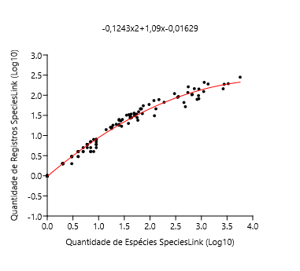
 |  |  |  |  |  |  |  |  |  |  |  |  |  |  |  |  |  |  | 1.799340549 | 1.653212514 | 1.66871 | -0.0154991
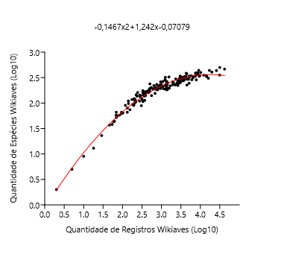
 |  |  |  |  |  |  |  |  |  |  |  |  |  |  |  |  |  |  | 0.301029996 | 0.301029996 | 0.228002 | 0.0730285
 |  |  |  |  |  |  | Polynomial regression, order 2 |  |  |  |  |  |  |  |  |  | Polynomial regression, order 2 |  | 1.230448921 | 1.146128036 | 1.20152 | -0.0553903
 |  |  |  |  |  |  |  |  |  |  |  |  |  |  |  |  |  |  | 1.230448921 | 1.230448921 | 1.20152 | 0.0289306
 |  |  |  |  |  |  | chi2: | 0.70113 |  |  |  |  |  |  |  |  | chi2: | 1.0307 | 1.785329835 | 1.740362689 | 1.65838 | 0.0819834
 |  |  |  |  |  |  | Akaike ICc: | 6.8448 |  |  |  |  |  |  |  |  | Akaike ICc: | 7.2034 | 3.481299273 | 2.531478917 | 2.47841 | 0.0530649
 |  |  |  |  |  |  | Akaike IC: | 6.7011 |  |  |  |  |  |  |  |  | Akaike IC: | 7.0307 | 1.913813852 | 1.477121255 | 1.75091 | -0.273789
 |  |  |  |  |  |  | R2: | 0.9647 |  |  |  |  |  |  |  |  | R2: | 0.98672 | 3.247727833 | 2.346352974 | 2.41705 | -0.070695
 |  |  |  |  |  |  | F: | 2295.7 |  |  |  |  |  |  |  |  | F: | 5199.5 | 0.698970004 | 0.602059991 | 0.676754 | -0.0746939
 |  |  |  |  |  |  | p: | 1.03E-122 |  |  |  |  |  |  |  |  | p: | 4.30E-132 | 3.113943352 | 2.344392274 | 2.37448 | -0.0300866
 |  |  |  |  |  |  |  |  |  |  |  |  |  |  |  |  |  |  | 2.831869774 | 2.278753601 | 2.26702 | 0.0117385
 |  |  |  |  |  |  | a0: | -0.0707915 |  |  |  |  |  |  |  |  | a0: | -0.0162947 | 1.812913357 | 1.672097858 | 1.67866 | -0.00656664
 |  |  |  |  |  |  | a1: | 1.24236 |  |  |  |  |  |  |  |  | a1: | 1.09026 | 1.505149978 | 1.414973348 | 1.43931 | -0.0243402
 |  |  |  |  |  |  | a2: | -0.146667 |  |  |  |  |  |  |  |  | a2: | -0.124282 | 1.544068044 | 1.477121255 | 1.47116 | 0.00596106
 |  |  |  |  |  |  |  |  |  |  |  |  |  |  |  |  |  |  | 2.037426498 | 2.004321374 | 1.83523 | 0.169093
 |  |  |  |  |  |  | Equation: -0,1467x2+1,242x-0,07079 |  |  |  |  |  |  |  |  |  | Equation: -0,1243x2+1,09x-0,01629 |  | 1.397940009 | 1.322219295 | 1.34922 | -0.0269989
 |  |  |  |  |  |  |  |  |  |  |  |  |  |  |  |  |  |  | 0.698970004 | 0.602059991 | 0.676754 | -0.0746939
 |  |  |  |  |  |  |  |  |  |  |  |  |  |  |  |  |  |  | 1.278753601 | 1.230448921 | 1.24498 | -0.0145355
 |  |  |  |  |  |  |  |  |  |  |  |  |  |  |  |  |  |  | 2.049218023 | 1.903089987 | 1.84303 | 0.0600594
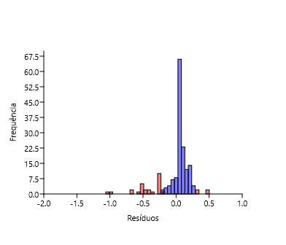
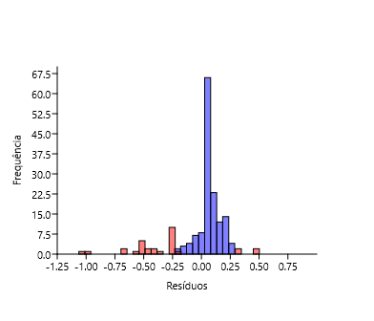
 |  |  |  |  |  |  |  |  |  |  |  |  |  |  |  |  |  |  | 2.404833717 | 2.071882007 | 2.05861 | 0.0132767
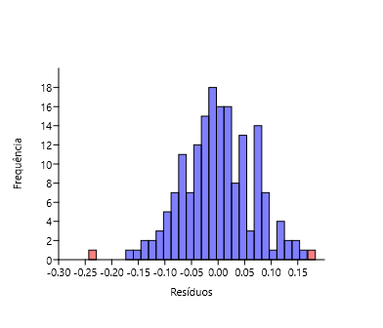
 |  |  |  |  |  |  |  |  |  |  |  |  |  |  |  |  |  |  | 2.240549248 | 2.068185862 | 1.96376 | 0.104424
 |  |  |  |  |  |  |  |  |  |  |  |  |  |  |  |  |  |  | 2.369215857 | 2.093421685 | 2.03873 | 0.0546872
 |  |  |  |  |  |  |  |  |  |  |  |  |  |  |  |  |  |  | 1.799340549 | 1.612783857 | 1.66871 | -0.0559278
 |  |  |  |  |  |  |  |  |  |  |  |  |  |  |  |  |  |  | 2.340444115 | 2.056904851 | 2.0224 | 0.0345014
 |  |  |  |  |  |  |  |  |  |  |  |  |  |  |  |  |  |  | 1.176091259 | 1.113943352 | 1.15176 | -0.0378197
 |  |  |  |  |  |  |  |  |  |  |  |  |  |  |  |  |  |  | 2.371067862 | 2.133538908 | 2.03978 | 0.0937617
 |  |  |  |  |  |  |  |  |  |  |  |  |  |  |  |  |  |  | 3.387923467 | 2.423245874 | 2.45586 | -0.0326121
 |  |  |  |  |  |  |  |  |  |  |  |  |  |  |  |  |  |  | 3.561459171 | 2.51054501 | 2.49568 | 0.0148675
 |  |  |  |  |  |  |  |  |  |  |  |  |  |  |  |  |  |  | 2.130333768 | 1.929418926 | 1.89556 | 0.0338541
 |  |  |  |  |  |  |  |  |  |  |  |  |  |  |  |  |  |  | 2.117271296 | 1.986771734 | 1.88724 | 0.0995326
 |  |  |  |  |  |  |  |  |  |  |  |  |  |  |  |  |  |  | 3.35545152 | 2.356025857 | 2.4474 | -0.0913711
 |  |  |  |  |  |  |  |  |  |  |  |  |  |  |  |  |  |  | 3.705863712 | 2.523746467 | 2.52188 | 0.00186557
 |  |  |  |  |  |  |  |  |  |  |  |  |  |  |  |  |  |  | 3.017033339 | 2.28780173 | 2.34027 | -0.0524657
 |  |  |  |  |  |  |  |  |  |  |  |  |  |  |  |  |  |  | 0.301029996 | 0.301029996 | 0.228002 | 0.0730285
 |  |  |  |  |  |  |  |  |  |  |  |  |  |  |  |  |  |  | 0 | 0 | -0.143234 | 0.143234
 |  |  |  |  |  |  |  |  |  |  |  |  |  |  |  |  |  |  | 2.394451681 | 2 | 2.05285 | -0.0528529
 |  |  |  |  |  |  |  |  |  |  |  |  |  |  |  |  |  |  | 2.484299839 | 1.949390007 | 2.10156 | -0.152168
 |  |  |  |  |  |  |  |  |  |  |  |  |  |  |  |  |  |  | 1.602059991 | 1.51851394 | 1.51777 | 0.000747378
 |  |  |  |  |  |  |  |  |  |  |  |  |  |  |  |  |  |  | 2.190331698 | 1.86923172 | 1.93314 | -0.0639122
 |  |  |  |  |  |  |  |  |  |  |  |  |  |  |  |  |  |  | 1.462397998 | 1.361727836 | 1.4038 | -0.0420745
 |  |  |  |  |  |  |  |  |  |  |  |  |  |  |  |  |  |  | 2.71432976 | 2.303196057 | 2.21514 | 0.0880526
 |  |  |  |  |  |  |  |  |  |  |  |  |  |  |  |  |  |  | 2.225309282 | 1.857332496 | 1.95455 | -0.0972177
 |  |  |  |  |  |  |  |  |  |  |  |  |  |  |  |  |  |  | 1.176091259 | 1.113943352 | 1.15176 | -0.0378197
 |  |  |  |  |  |  |  |  |  |  |  |  |  |  |  |  |  |  | 2.840106094 | 2.267171728 | 2.27049 | -0.00332175
 |  |  |  |  |  |  |  |  |  |  |  |  |  |  |  |  |  |  | 3.631646663 | 2.519827994 | 2.5092 | 0.0106279
 |  |  |  |  |  |  |  |  |  |  |  |  |  |  |  |  |  |  | 1.968482949 | 1.72427587 | 1.78877 | -0.0644942
 |  |  |  |  |  |  |  |  |  |  |  |  |  |  |  |  |  |  | 1.62324929 | 1.556302501 | 1.53454 | 0.0217601
 |  |  |  |  |  |  |  |  |  |  |  |  |  |  |  |  |  |  | 2.220108088 | 1.812913357 | 1.95139 | -0.138477
 |  |  |  |  |  |  |  |  |  |  |  |  |  |  |  |  |  |  | 2.621176282 | 2.245512668 | 2.17107 | 0.0744421
 |  |  |  |  |  |  |  |  |  |  |  |  |  |  |  |  |  |  | 2.439332694 | 2.155336037 | 2.07749 | 0.0778493
 |  |  |  |  |  |  |  |  |  |  |  |  |  |  |  |  |  |  | 3.14113609 | 2.418301291 | 2.38357 | 0.0347323
 |  |  |  |  |  |  |  |  |  |  |  |  |  |  |  |  |  |  | 3.584331224 | 2.450249108 | 2.50025 | -0.0499984
 |  |  |  |  |  |  |  |  |  |  |  |  |  |  |  |  |  |  | 2.771587481 | 2.309630167 | 2.24093 | 0.0686972
 |  |  |  |  |  |  |  |  |  |  |  |  |  |  |  |  |  |  | 3.969788537 | 2.527629901 | 2.5535 | -0.0258716
 |  |  |  |  |  |  |  |  |  |  |  |  |  |  |  |  |  |  | 3.483872454 | 2.399673721 | 2.479 | -0.0793246
 |  |  |  |  |  |  |  |  |  |  |  |  |  |  |  |  |  |  | 1.146128036 | 1.113943352 | 1.12396 | -0.010012
 |  |  |  |  |  |  |  |  |  |  |  |  |  |  |  |  |  |  | 0.77815125 | 0.77815125 | 0.760342 | 0.0178094
 |  |  |  |  |  |  |  |  |  |  |  |  |  |  |  |  |  |  | 2.1430148 | 1.892094603 | 1.9036 | -0.0115034
 |  |  |  |  |  |  |  |  |  |  |  |  |  |  |  |  |  |  | 3.120902818 | 2.357934847 | 2.37683 | -0.0188917
 |  |  |  |  |  |  |  |  |  |  |  |  |  |  |  |  |  |  | 3.036628895 | 2.344392274 | 2.34741 | -0.0030216
 |  |  |  |  |  |  |  |  |  |  |  |  |  |  |  |  |  |  | 0.301029996 | 0 | 0.228002 | -0.228002
 |  |  |  |  |  |  |  |  |  |  |  |  |  |  |  |  |  |  | 3.873553094 | 2.588831726 | 2.54441 | 0.0444236
 |  |  |  |  |  |  |  |  |  |  |  |  |  |  |  |  |  |  | 1.944482672 | 1.819543936 | 1.77226 | 0.0472835
 |  |  |  |  |  |  |  |  |  |  |  |  |  |  |  |  |  |  | 2.995635195 | 2.350248018 | 2.33233 | 0.0179168
 |  |  |  |  |  |  |  |  |  |  |  |  |  |  |  |  |  |  | 1.653212514 | 1.579783597 | 1.55803 | 0.0217502
 |  |  |  |  |  |  |  |  |  |  |  |  |  |  |  |  |  |  | 1.491361694 | 1.447158031 | 1.42792 | 0.0192372
 |  |  |  |  |  |  |  |  |  |  |  |  |  |  |  |  |  |  | 2.113943352 | 1.934498451 | 1.88511 | 0.0493886
 |  |  |  |  |  |  |  |  |  |  |  |  |  |  |  |  |  |  | 2.220108088 | 2.017033339 | 1.95139 | 0.0656429
 |  |  |  |  |  |  |  |  |  |  |  |  |  |  |  |  |  |  | 1 | 1 | 0.984455 | 0.0155455
 |  |  |  |  |  |  |  |  |  |  |  |  |  |  |  |  |  |  | 2.056904851 | 1.851258349 | 1.84809 | 0.00316419
 |  |  |  |  |  |  |  |  |  |  |  |  |  |  |  |  |  |  | 3.596047008 | 2.521138084 | 2.50253 | 0.0186109
 |  |  |  |  |  |  |  |  |  |  |  |  |  |  |  |  |  |  | 1.041392685 | 1.041392685 | 1.02462 | 0.0167682
 |  |  |  |  |  |  |  |  |  |  |  |  |  |  |  |  |  |  | 2.918030337 | 2.252853031 | 2.30239 | -0.0495358
 |  |  |  |  |  |  |  |  |  |  |  |  |  |  |  |  |  |  | 3.155943018 | 2.394451681 | 2.38842 | 0.00602687
 |  |  |  |  |  |  |  |  |  |  |  |  |  |  |  |  |  |  | 2.87909588 | 2.365487985 | 2.28668 | 0.0788063
 |  |  |  |  |  |  |  |  |  |  |  |  |  |  |  |  |  |  | 3.139879086 | 2.357934847 | 2.38315 | -0.0252188
 |  |  |  |  |  |  |  |  |  |  |  |  |  |  |  |  |  |  | 3.5132176 | 2.487138375 | 2.48552 | 0.00161783
 |  |  |  |  |  |  |  |  |  |  |  |  |  |  |  |  |  |  | 1.278753601 | 1.204119983 | 1.24498 | -0.0408645
 |  |  |  |  |  |  |  |  |  |  |  |  |  |  |  |  |  |  | 2.220108088 | 1.949390007 | 1.95139 | -0.00200044
 |  |  |  |  |  |  |  |  |  |  |  |  |  |  |  |  |  |  | 2.767897616 | 2.342422681 | 2.2393 | 0.103122
 |  |  |  |  |  |  |  |  |  |  |  |  |  |  |  |  |  |  | 2.371067862 | 2.053078443 | 2.03978 | 0.0133013
 |  |  |  |  |  |  |  |  |  |  |  |  |  |  |  |  |  |  | 1.176091259 | 1 | 1.15176 | -0.151763
 |  |  |  |  |  |  |  |  |  |  |  |  |  |  |  |  |  |  | 2.835056102 | 2.190331698 | 2.26836 | -0.0780315
 |  |  |  |  |  |  |  |  |  |  |  |  |  |  |  |  |  |  | 2.589949601 | 2.225309282 | 2.15571 | 0.0695991
 |  |  |  |  |  |  |  |  |  |  |  |  |  |  |  |  |  |  | 2.782472624 | 2.26245109 | 2.24572 | 0.0167273
 |  |  |  |  |  |  |  |  |  |  |  |  |  |  |  |  |  |  | 3.779740751 | 2.457881897 | 2.53285 | -0.0749699
 |  |  |  |  |  |  |  |  |  |  |  |  |  |  |  |  |  |  | 2.387389826 | 2.053078443 | 2.04892 | 0.00415699
 |  |  |  |  |  |  |  |  |  |  |  |  |  |  |  |  |  |  | 3.492900011 | 2.431363764 | 2.48103 | -0.0496687
 |  |  |  |  |  |  |  |  |  |  |  |  |  |  |  |  |  |  | 1.612783857 | 1.579783597 | 1.52627 | 0.0535098
 |  |  |  |  |  |  |  |  |  |  |  |  |  |  |  |  |  |  | 1.740362689 | 1.556302501 | 1.62482 | -0.068515
 |  |  |  |  |  |  |  |  |  |  |  |  |  |  |  |  |  |  | 3.547159121 | 2.451786436 | 2.49274 | -0.0409536
 |  |  |  |  |  |  |  |  |  |  |  |  |  |  |  |  |  |  | 2.991669007 | 2.326335861 | 2.33085 | -0.00450921
 |  |  |  |  |  |  |  |  |  |  |  |  |  |  |  |  |  |  | 2.117271296 | 1.929418926 | 1.88724 | 0.0421798
 |  |  |  |  |  |  |  |  |  |  |  |  |  |  |  |  |  |  | 1.69019608 | 1.491361694 | 1.58665 | -0.0952927
 |  |  |  |  |  |  |  |  |  |  |  |  |  |  |  |  |  |  | 3.085647288 | 2.371067862 | 2.36478 | 0.00628503
 |  |  |  |  |  |  |  |  |  |  |  |  |  |  |  |  |  |  | 3.314709693 | 2.392696953 | 2.43633 | -0.0436338
 |  |  |  |  |  |  |  |  |  |  |  |  |  |  |  |  |  |  | 1.69019608 | 1.643452676 | 1.58665 | 0.0567983
 |  |  |  |  |  |  |  |  |  |  |  |  |  |  |  |  |  |  | 2.549003262 | 2.324282455 | 2.13512 | 0.18916
 |  |  |  |  |  |  |  |  |  |  |  |  |  |  |  |  |  |  | 3.220892249 | 2.338456494 | 2.40894 | -0.070486
 |  |  |  |  |  |  |  |  |  |  |  |  |  |  |  |  |  |  | 2.383815366 | 1.897627091 | 2.04693 | -0.149299
 |  |  |  |  |  |  |  |  |  |  |  |  |  |  |  |  |  |  | 2.541579244 | 2.158362492 | 2.13134 | 0.0270269
 |  |  |  |  |  |  |  |  |  |  |  |  |  |  |  |  |  |  | 2.190331698 | 1.944482672 | 1.93314 | 0.0113388
 |  |  |  |  |  |  |  |  |  |  |  |  |  |  |  |  |  |  | 2.835056102 | 2.309630167 | 2.26836 | 0.041267
 |  |  |  |  |  |  |  |  |  |  |  |  |  |  |  |  |  |  | 2.567026366 | 2.139879086 | 2.14425 | -0.00436778
 |  |  |  |  |  |  |  |  |  |  |  |  |  |  |  |  |  |  | 3.65195607 | 2.471291711 | 2.51284 | -0.0415437
 |  |  |  |  |  |  |  |  |  |  |  |  |  |  |  |  |  |  | 1.041392685 | 1 | 1.02462 | -0.0246245
 |  |  |  |  |  |  |  |  |  |  |  |  |  |  |  |  |  |  | 3.409256652 | 2.346352974 | 2.46124 | -0.11489
 |  |  |  |  |  |  |  |  |  |  |  |  |  |  |  |  |  |  | 1.041392685 | 0.954242509 | 1.02462 | -0.070382
 |  |  |  |  |  |  |  |  |  |  |  |  |  |  |  |  |  |  | 1.973127854 | 1.792391689 | 1.79195 | 0.000446476
 |  |  |  |  |  |  |  |  |  |  |  |  |  |  |  |  |  |  | 0.301029996 | 0 | 0.228002 | -0.228002
 |  |  |  |  |  |  |  |  |  |  |  |  |  |  |  |  |  |  | 2.056904851 | 1.880813592 | 1.84809 | 0.0327194
 |  |  |  |  |  |  |  |  |  |  |  |  |  |  |  |  |  |  | 3.866405498 | 2.523746467 | 2.54362 | -0.0198747
 |  |  |  |  |  |  |  |  |  |  |  |  |  |  |  |  |  |  | 2.326335861 | 2.064457989 | 2.0143 | 0.0501539
 |  |  |  |  |  |  |  |  |  |  |  |  |  |  |  |  |  |  | 2.7084209 | 2.28780173 | 2.21243 | 0.0753761
 |  |  |  |  |  |  |  |  |  |  |  |  |  |  |  |  |  |  | 3.290702243 | 2.414973348 | 2.42958 | -0.0146019
 |  |  |  |  |  |  |  |  |  |  |  |  |  |  |  |  |  |  | 2.648360011 | 2.201397124 | 2.1842 | 0.0171946
 |  |  |  |  |  |  |  |  |  |  |  |  |  |  |  |  |  |  | 1.653212514 | 1.531478917 | 1.55803 | -0.0265545
 |  |  |  |  |  |  |  |  |  |  |  |  |  |  |  |  |  |  | 0.84509804 | 0.698970004 | 0.829538 | -0.130568
 |  |  |  |  |  |  |  |  |  |  |  |  |  |  |  |  |  |  | 2.176091259 | 1.968482949 | 1.92432 | 0.04416
 |  |  |  |  |  |  |  |  |  |  |  |  |  |  |  |  |  |  | 2.939519253 | 2.352182518 | 2.31086 | 0.0413205
 |  |  |  |  |  |  |  |  |  |  |  |  |  |  |  |  |  |  | 2.662757832 | 2.245512668 | 2.19107 | 0.0544452
 |  |  |  |  |  |  |  |  |  |  |  |  |  |  |  |  |  |  | 3.472902652 | 2.385606274 | 2.47649 | -0.0908872
 |  |  |  |  |  |  |  |  |  |  |  |  |  |  |  |  |  |  | 2.793790385 | 2.252853031 | 2.25067 | 0.00218593
 |  |  |  |  |  |  |  |  |  |  |  |  |  |  |  |  |  |  | 2.638489257 | 2.212187604 | 2.17946 | 0.0327276
 |  |  |  |  |  |  |  |  |  |  |  |  |  |  |  |  |  |  | 2.620136055 | 2.206825876 | 2.17056 | 0.0362622
 |  |  |  |  |  |  |  |  |  |  |  |  |  |  |  |  |  |  | 2.309630167 | 1.991226076 | 2.00464 | -0.0134098
 |  |  |  |  |  |  |  |  |  |  |  |  |  |  |  |  |  |  | 1.72427587 | 1.602059991 | 1.61266 | -0.0106026
 |  |  |  |  |  |  |  |  |  |  |  |  |  |  |  |  |  |  | 0.602059991 | 0.602059991 | 0.571874 | 0.0301859
 |  |  |  |  |  |  |  |  |  |  |  |  |  |  |  |  |  |  | 2.737987326 | 2.305351369 | 2.22592 | 0.0794323
 |  |  |  |  |  |  |  |  |  |  |  |  |  |  |  |  |  |  | 1.255272505 | 1.230448921 | 1.22394 | 0.00650551
 |  |  |  |  |  |  |  |  |  |  |  |  |  |  |  |  |  |  | 1.204119983 | 1.113943352 | 1.17753 | -0.0635867
 |  |  |  |  |  |  |  |  |  |  |  |  |  |  |  |  |  |  | 1.73239376 | 1.579783597 | 1.61881 | -0.0390225
 |  |  |  |  |  |  |  |  |  |  |  |  |  |  |  |  |  |  | 2.267171728 | 2.033423755 | 1.97968 | 0.0537394
 |  |  |  |  |  |  |  |  |  |  |  |  |  |  |  |  |  |  | 0.84509804 | 0.84509804 | 0.829538 | 0.0155605
 |  |  |  |  |  |  |  |  |  |  |  |  |  |  |  |  |  |  | 2.149219113 | 1.939519253 | 1.90751 | 0.0320086
 |  |  |  |  |  |  |  |  |  |  |  |  |  |  |  |  |  |  | 2.987666265 | 2.267171728 | 2.32934 | -0.0621686
 |  |  |  |  |  |  |  |  |  |  |  |  |  |  |  |  |  |  | 3.569490954 | 2.451786436 | 2.4973 | -0.0455139
 |  |  |  |  |  |  |  |  |  |  |  |  |  |  |  |  |  |  | 2.797267541 | 2.240549248 | 2.25218 | -0.0116288
 |  |  |  |  |  |  |  |  |  |  |  |  |  |  |  |  |  |  | 0.903089987 | 0.903089987 | 0.888384 | 0.0147064
 |  |  |  |  |  |  |  |  |  |  |  |  |  |  |  |  |  |  | 1.041392685 | 1 | 1.02462 | -0.0246245
 |  |  |  |  |  |  |  |  |  |  |  |  |  |  |  |  |  |  | 1.447158031 | 1.447158031 | 1.39101 | 0.0561479
 |  |  |  |  |  |  |  |  |  |  |  |  |  |  |  |  |  |  | 0 | 0 | -0.143234 | 0.143234
 |  |  |  |  |  |  |  |  |  |  |  |  |  |  |  |  |  |  | 3.06069784 | 2.315970345 | 2.35603 | -0.0400627
 |  |  |  |  |  |  |  |  |  |  |  |  |  |  |  |  |  |  | 2.484299839 | 2.146128036 | 2.10156 | 0.0445702
 |  |  |  |  |  |  |  |  |  |  |  |  |  |  |  |  |  |  | 3.173186268 | 2.394451681 | 2.394 | 0.000455484
 |  |  |  |  |  |  |  |  |  |  |  |  |  |  |  |  |  |  | 2.318063335 | 1.954242509 | 2.00953 | -0.0552845
 |  |  |  |  |  |  |  |  |  |  |  |  |  |  |  |  |  |  | 1.908485019 | 1.69019608 | 1.74717 | -0.0569757
 |  |  |  |  |  |  |  |  |  |  |  |  |  |  |  |  |  |  | 2.318063335 | 2.079181246 | 2.00953 | 0.0696542
 |  |  |  |  |  |  |  |  |  |  |  |  |  |  |  |  |  |  | 1.204119983 | 1.113943352 | 1.17753 | -0.0635867
 |  |  |  |  |  |  |  |  |  |  |  |  |  |  |  |  |  |  | 2.445604203 | 2.071882007 | 2.08088 | -0.00899851
 |  |  |  |  |  |  |  |  |  |  |  |  |  |  |  |  |  |  | 3.10002573 | 2.506505032 | 2.36974 | 0.136765
 |  |  |  |  |  |  |  |  |  |  |  |  |  |  |  |  |  |  | 2.503790683 | 2.025305865 | 2.1118 | -0.0864958
 |  |  |  |  |  |  |  |  |  |  |  |  |  |  |  |  |  |  | 3.537567257 | 2.485721426 | 2.49074 | -0.00501362
 |  |  |  |  |  |  |  |  |  |  |  |  |  |  |  |  |  |  | 2.559906625 | 2.167317335 | 2.14065 | 0.0266632
 |  |  |  |  |  |  |  |  |  |  |  |  |  |  |  |  |  |  | 2.170261715 | 1.963787827 | 1.92069 | 0.0430936
 |  |  |  |  |  |  |  |  |  |  |  |  |  |  |  |  |  |  | 2.583198774 | 2.198657087 | 2.15235 | 0.0463063
 |  |  |  |  |  |  |  |  |  |  |  |  |  |  |  |  |  |  | 0.477121255 | 0.477121255 | 0.432476 | 0.0446456
 |  |  |  |  |  |  |  |  |  |  |  |  |  |  |  |  |  |  | 2.703291378 | 2.376576957 | 2.21006 | 0.166519
 |  |  |  |  |  |  |  |  |  |  |  |  |  |  |  |  |  |  | 3.932169246 | 2.593286067 | 2.55028 | 0.0430063
 |  |  |  |  |  |  |  |  |  |  |  |  |  |  |  |  |  |  | 2.979548375 | 2.344392274 | 2.32627 | 0.0181184
 |  |  |  |  |  |  |  |  |  |  |  |  |  |  |  |  |  |  | 3.096214585 | 2.274157849 | 2.36843 | -0.0942743
 |  |  |  |  |  |  |  |  |  |  |  |  |  |  |  |  |  |  | 2.004321374 | 1.84509804 | 1.8131 | 0.0319987
 |  |  |  |  |  |  |  |  |  |  |  |  |  |  |  |  |  |  | 1.397940009 | 1.342422681 | 1.34922 | -0.00679552
 |  |  |  |  |  |  |  |  |  |  |  |  |  |  |  |  |  |  | 3.55291145 | 2.436162647 | 2.49393 | -0.0577664
 |  |  |  |  |  |  |  |  |  |  |  |  |  |  |  |  |  |  | 3.894205259 | 2.456366033 | 2.5466 | -0.0902292
 |  |  |  |  |  |  |  |  |  |  |  |  |  |  |  |  |  |  | 3.006466042 | 2.369215857 | 2.33637 | 0.0328503
 |  |  |  |  |  |  |  |  |  |  |  |  |  |  |  |  |  |  | 1.806179974 | 1.716003344 | 1.67373 | 0.0422694
 |  |  |  |  |  |  |  |  |  |  |  |  |  |  |  |  |  |  | 0.77815125 | 0.77815125 | 0.760342 | 0.0178094
 |  |  |  |  |  |  |  |  |  |  |  |  |  |  |  |  |  |  | 1.51851394 | 1.477121255 | 1.4503 | 0.0268204
 |  |  |  |  |  |  |  |  |  |  |  |  |  |  |  |  |  |  | 2.123851641 | 1.903089987 | 1.89144 | 0.0116503
 |  |  |  |  |  |  |  |  |  |  |  |  |  |  |  |  |  |  | 3.10754913 | 2.413299764 | 2.37231 | 0.0409908
 |  |  |  |  |  |  |  |  |  |  |  |  |  |  |  |  |  |  | 2.914871818 | 2.285557309 | 2.30113 | -0.0155744
 |  |  |  |  |  |  |  |  |  |  |  |  |  |  |  |  |  |  | 2.896526217 | 2.346352974 | 2.29377 | 0.0525828
 |  |  |  |  |  |  |  |  |  |  |  |  |  |  |  |  |  |  | 1.86332286 | 1.740362689 | 1.71514 | 0.0252201
 |  |  |  |  |  |  |  |  |  |  |  |  |  |  |  |  |  |  | 1.740362689 | 1.556302501 | 1.62482 | -0.068515
 |  |  |  |  |  |  |  |  |  |  |  |  |  |  |  |  |  |  | 0.477121255 | 0.477121255 | 0.432476 | 0.0446456
 |  |  |  |  |  |  |  |  |  |  |  |  |  |  |  |  |  |  | 1.838849091 | 1.716003344 | 1.69753 | 0.018475
 |  |  |  |  |  |  |  |  |  |  |  |  |  |  |  |  |  |  | 2.85672889 | 2.374748346 | 2.27745 | 0.0972971
 |  |  |  |  |  |  |  |  |  |  |  |  |  |  |  |  |  |  | 2.859138297 | 2.269512944 | 2.27845 | -0.00893989
 |  |  |  |  |  |  |  |  |  |  |  |  |  |  |  |  |  |  | 2.152288344 | 1.949390007 | 1.90944 | 0.0399481
 |  |  |  |  |  |  |  |  |  |  |  |  |  |  |  |  |  |  | 1.897627091 | 1.755874856 | 1.73953 | 0.0163473
 |  |  |  |  |  |  |  |  |  |  |  |  |  |  |  |  |  |  | 1.799340549 | 1.681241237 | 1.66871 | 0.0125296
 |  |  |  |  |  |  |  |  |  |  |  |  |  |  |  |  |  |  | 1.447158031 | 1.342422681 | 1.39101 | -0.0485875
 |  |  |  |  |  |  |  |  |  |  |  |  |  |  |  |  |  |  | 2.330413773 | 2.049218023 | 2.01665 | 0.0325667
 |  |  |  |  |  |  |  |  |  |  |  |  |  |  |  |  |  |  | 1.838849091 | 1.643452676 | 1.69753 | -0.0540757
 |  |  |  |  |  |  |  |  |  |  |  |  |  |  |  |  |  |  | 1.380211242 | 1.342422681 | 1.33399 | 0.0084375
 |  |  |  |  |  |  |  |  |  |  |  |  |  |  |  |  |  |  | 2.269512944 | 1.84509804 | 1.98107 | -0.135976
 |  |  |  |  |  |  |  |  |  |  |  |  |  |  |  |  |  |  | 2.478566496 | 2.152288344 | 2.09852 | 0.0537656
 |  |  |  |  |  |  |  |  |  |  |  |  |  |  |  |  |  |  | 2.499687083 | 2.064457989 | 2.10965 | -0.0451965
 |  |  |  |  |  |  |  |  |  |  |  |  |  |  |  |  |  |  | 1.568201724 | 1.477121255 | 1.49068 | -0.0135578
 |  |  |  |  |  |  |  |  |  |  |  |  |  |  |  |  |  |  | 2.605305046 | 2.170261715 | 2.1633 | 0.00696138
 |  |  |  |  |  |  |  |  |  |  |  |  |  |  |  |  |  |  | 2.08278537 | 1.995635195 | 1.86501 | 0.130624
 |  |  |  |  |  |  |  |  |  |  |  |  |  |  |  |  |  |  | 0.954242509 | 0.903089987 | 0.939447 | -0.0363566
 |  |  |  |  |  |  |  |  |  |  |  |  |  |  |  |  |  |  | 1 | 0.954242509 | 0.984455 | -0.030212
 |  |  |  |  |  |  |  |  |  |  |  |  |  |  |  |  |  |  | 3.504878459 | 2.356025857 | 2.48369 | -0.127668
 |  |  |  |  |  |  |  |  |  |  |  |  |  |  |  |  |  |  | 1.633468456 | 1.505149978 | 1.54258 | -0.0374347
 |  |  |  |  |  |  |  |  |  |  |  |  |  |  |  |  |  |  | 0.602059991 | 0.602059991 | 0.571874 | 0.0301859
 |  |  |  |  |  |  |  |  |  |  |  |  |  |  |  |  |  |  | 1.62324929 | 1.531478917 | 1.53454 | -0.00306353
 |  |  |  |  |  |  |  |  |  |  |  |  |  |  |  |  |  |  | 2.089905111 | 1.939519253 | 1.86963 | 0.0698895
 |  |  |  |  |  |  |  |  |  |  |  |  |  |  |  |  |  |  | 2.713490543 | 2.033423755 | 2.21476 | -0.181334
 |  |  |  |  |  |  |  |  |  |  |  |  |  |  |  |  |  |  | 1.531478917 | 1.380211242 | 1.46091 | -0.0806973
 |  |  |  |  |  |  |  |  |  |  |  |  |  |  |  |  |  |  | 2.130333768 | 2.041392685 | 1.89556 | 0.145828
 |  |  |  |  |  |  |  |  |  |  |  |  |  |  |  |  |  |  | 3.001733713 | 2.326335861 | 2.33461 | -0.00827132
 |  |  |  |  |  |  |  |  |  |  |  |  |  |  |  |  |  |  | 1.672097858 | 1.556302501 | 1.5727 | -0.0163976
 |  |  |  |  |  |  |  |  |  |  |  |  |  |  |  |  |  |  | 2.029383778 | 1.84509804 | 1.82988 | 0.0152153
 |  |  |  |  |  |  |  |  |  |  |  |  |  |  |  |  |  |  | 1.079181246 | 1.079181246 | 1.06085 | 0.0183362
 |  |  |  |  |  |  |  |  |  |  |  |  |  |  |  |  |  |  | 1.322219295 | 1.278753601 | 1.28349 | -0.00474041
 |  |  |  |  |  |  |  |  |  |  |  |  |  |  |  |  |  |  | 1.397940009 | 1.176091259 | 1.34922 | -0.173127
 |  |  |  |  |  |  |  |  |  |  |  |  |  |  |  |  |  |  | 1.544068044 | 1.431363764 | 1.47116 | -0.0397964
 |  |  |  |  |  |  |  |  |  |  |  |  |  |  |  |  |  |  | 1.255272505 | 1.204119983 | 1.22394 | -0.0198234
 |  |  |  |  |  |  |  |  |  |  |  |  |  |  |  |  |  |  | 2.661812686 | 2.212187604 | 2.19062 | 0.0215689
 |  |  |  |  |  |  |  |  |  |  |  |  |  |  |  |  |  |  | 2.5132176 | 2.181843588 | 2.11672 | 0.0651285
 |  |  |  |  |  |  |  |  |  |  |  |  |  |  |  |  |  |  | 3.350829274 | 2.491361694 | 2.44617 | 0.045195
 |  |  |  |  |  |  |  |  |  |  |  |  |  |  |  |  |  |  | 1.681241237 | 1.462397998 | 1.57976 | -0.117364
 |  |  |  |  |  |  |  |  |  |  |  |  |  |  |  |  |  |  | 2.44870632 | 2.127104798 | 2.08255 | 0.04455
 |  |  |  |  |  |  |  |  |  |  |  |  |  |  |  |  |  |  | 1.880813592 | 1.748188027 | 1.72762 | 0.0205679
 |  |  |  |  |  |  |  |  |  |  |  |  |  |  |  |  |  |  | 0 | 0 | -0.143234 | 0.143234
 |  |  |  |  |  |  |  |  |  |  |  |  |  |  |  |  |  |  | 2.603144373 | 2.195899652 | 2.16224 | 0.033663
 |  |  |  |  |  |  |  |  |  |  |  |  |  |  |  |  |  |  | 2.691965103 | 2.26245109 | 2.2048 | 0.0576498
 |  |  |  |  |  |  |  |  |  |  |  |  |  |  |  |  |  |  | 0.84509804 | 0.77815125 | 0.829538 | -0.0513863
 |  |  |  |  |  |  |  |  |  |  |  |  |  |  |  |  |  |  | 2.071882007 | 1.954242509 | 1.85791 | 0.0963337
 |  |  |  |  |  |  |  |  |  |  |  |  |  |  |  |  |  |  | 2.190331698 | 1.977723605 | 1.93314 | 0.0445797
 |  |  |  |  |  |  |  |  |  |  |  |  |  |  |  |  |  |  | 3.42258984 | 2.346352974 | 2.46454 | -0.118186
 |  |  |  |  |  |  |  |  |  |  |  |  |  |  |  |  |  |  | 1.113943352 | 1.041392685 | 1.09378 | -0.0523913
 |  |  |  |  |  |  |  |  |  |  |  |  |  |  |  |  |  |  | 1.51851394 | 1.491361694 | 1.4503 | 0.0410609
 |  |  |  |  |  |  |  |  |  |  |  |  |  |  |  |  |  |  | 2.729974286 | 2.214843848 | 2.22229 | -0.00744437
 |  |  |  |  |  |  |  |  |  |  |  |  |  |  |  |  |  |  | 2.565847819 | 2.093421685 | 2.14365 | -0.0502315
 |  |  |  |  |  |  |  |  |  |  |  |  |  |  |  |  |  |  | 0.84509804 | 0.602059991 | 0.829538 | -0.227478
 |  |  |  |  |  |  |  |  |  |  |  |  |  |  |  |  |  |  | 2.571708832 | 2.178976947 | 2.1466 | 0.0323756
 |  |  |  |  |  |  |  |  |  |  |  |  |  |  |  |  |  |  | 3.285332228 | 2.357934847 | 2.42804 | -0.0701055
 |  |  |  |  |  |  |  |  |  |  |  |  |  |  |  |  |  |  | 2.181843588 | 2.086359831 | 1.92789 | 0.158466
 |  |  |  |  |  |  |  |  |  |  |  |  |  |  |  |  |  |  | 3.173477643 | 2.401400541 | 2.39409 | 0.00731097
 |  |  |  |  |  |  |  |  |  |  |  |  |  |  |  |  |  |  | 2.008600172 | 1.806179974 | 1.81598 | -0.00979816
 |  |  |  |  |  |  |  |  |  |  |  |  |  |  |  |  |  |  | 2.120573931 | 1.819543936 | 1.88935 | -0.0698051
 |  |  |  |  |  |  |  |  |  |  |  |  |  |  |  |  |  |  | 1.397940009 | 1.255272505 | 1.34922 | -0.0939457
 |  |  |  |  |  |  |  |  |  |  |  |  |  |  |  |  |  |  | 4.231953569 | 2.641474111 | 2.56409 | 0.077386
 |  |  |  |  |  |  |  |  |  |  |  |  |  |  |  |  |  |  | 0.301029996 | 0.301029996 | 0.228002 | 0.0730285
 |  |  |  |  |  |  |  |  |  |  |  |  |  |  |  |  |  |  | 3.091666958 | 2.460897843 | 2.36687 | 0.094032
 |  |  |  |  |  |  |  |  |  |  |  |  |  |  |  |  |  |  | 2.350248018 | 2.127104798 | 2.028 | 0.0991085
 |  |  |  |  |  |  |  |  |  |  |  |  |  |  |  |  |  |  | 3.633872263 | 2.58546073 | 2.5096 | 0.0758562
 |  |  |  |  |  |  |  |  |  |  |  |  |  |  |  |  |  |  | 2.367355921 | 2.08278537 | 2.03769 | 0.045099
 |  |  |  |  |  |  |  |  |  |  |  |  |  |  |  |  |  |  | 2.77524626 | 2.322219295 | 2.24255 | 0.079672
 |  |  |  |  |  |  |  |  |  |  |  |  |  |  |  |  |  |  | 1.230448921 | 1.041392685 | 1.20152 | -0.160126
 |  |  |  |  |  |  |  |  |  |  |  |  |  |  |  |  |  |  | 2.625312451 | 2.227886705 | 2.17308 | 0.0548036
 |  |  |  |  |  |  |  |  |  |  |  |  |  |  |  |  |  |  | 2.7084209 | 2.245512668 | 2.21243 | 0.033087
 |  |  |  |  |  |  |  |  |  |  |  |  |  |  |  |  |  |  | 4.153509989 | 2.540329475 | 2.5631 | -0.0227668
 |  |  |  |  |  |  |  |  |  |  |  |  |  |  |  |  |  |  | 4.084862139 | 2.546542663 | 2.5607 | -0.0141612
 |  |  |  |  |  |  |  |  |  |  |  |  |  |  |  |  |  |  | 2.984077034 | 2.371067862 | 2.32799 | 0.0430809
 |  |  |  |  |  |  |  |  |  |  |  |  |  |  |  |  |  |  | 2.056904851 | 1.812913357 | 1.84809 | -0.0351808
 |  |  |  |  |  |  |  |  |  |  |  |  |  |  |  |  |  |  | 2.240549248 | 2.037426498 | 1.96376 | 0.073665
 |  |  |  |  |  |  |  |  |  |  |  |  |  |  |  |  |  |  | 1.301029996 | 1.176091259 | 1.26479 | -0.0887008
 |  |  |  |  |  |  |  |  |  |  |  |  |  |  |  |  |  |  | 3.116275588 | 2.367355921 | 2.37527 | -0.00791131
 |  |  |  |  |  |  |  |  |  |  |  |  |  |  |  |  |  |  | 2.096910013 | 1.886490725 | 1.87416 | 0.012332
 |  |  |  |  |  |  |  |  |  |  |  |  |  |  |  |  |  |  | 2.149219113 | 2.041392685 | 1.90751 | 0.133882
 |  |  |  |  |  |  |  |  |  |  |  |  |  |  |  |  |  |  | 2.23299611 | 1.995635195 | 1.95921 | 0.0364302
 |  |  |  |  |  |  |  |  |  |  |  |  |  |  |  |  |  |  | 1.397940009 | 1.397940009 | 1.34922 | 0.0487218
 |  |  |  |  |  |  |  |  |  |  |  |  |  |  |  |  |  |  | 1.698970004 | 1.579783597 | 1.59338 | -0.0136002
 |  |  |  |  |  |  |  |  |  |  |  |  |  |  |  |  |  |  | 1.146128036 | 1.146128036 | 1.12396 | 0.0221727
 |  |  |  |  |  |  |  |  |  |  |  |  |  |  |  |  |  |  | 1.255272505 | 1.204119983 | 1.22394 | -0.0198234
 |  |  |  |  |  |  |  |  |  |  |  |  |  |  |  |  |  |  | 2.033423755 | 1.740362689 | 1.83257 | -0.0922077
 |  |  |  |  |  |  |  |  |  |  |  |  |  |  |  |  |  |  | 1.995635195 | 1.929418926 | 1.80724 | 0.122181
 |  |  |  |  |  |  |  |  |  |  |  |  |  |  |  |  |  |  | 0.477121255 | 0.477121255 | 0.432476 | 0.0446456
 |  |  |  |  |  |  |  |  |  |  |  |  |  |  |  |  |  |  | 1.819543936 | 1.643452676 | 1.68351 | -0.0400538
 |  |  |  |  |  |  |  |  |  |  |  |  |  |  |  |  |  |  | 0.77815125 | 0.77815125 | 0.760342 | 0.0178094
 |  |  |  |  |  |  |  |  |  |  |  |  |  |  |  |  |  |  | 2.418301291 | 2.130333768 | 2.06602 | 0.0643148
 |  |  |  |  |  |  |  |  |  |  |  |  |  |  |  |  |  |  | 2.575187845 | 2.164352856 | 2.14835 | 0.0160064
 |  |  |  |  |  |  |  |  |  |  |  |  |  |  |  |  |  |  | 2.783903579 | 2.276461804 | 2.24635 | 0.0301108
 |  |  |  |  |  |  |  |  |  |  |  |  |  |  |  |  |  |  | 2.401400541 | 2.133538908 | 2.05671 | 0.0768322
 |  |  |  |  |  |  |  |  |  |  |  |  |  |  |  |  |  |  | 1.491361694 | 1.447158031 | 1.42792 | 0.0192372
 |  |  |  |  |  |  |  |  |  |  |  |  |  |  |  |  |  |  | 0.477121255 | 0.477121255 | 0.432476 | 0.0446456
 |  |  |  |  |  |  |  |  |  |  |  |  |  |  |  |  |  |  | 2.338456494 | 2.133538908 | 2.02127 | 0.112273
 |  |  |  |  |  |  |  |  |  |  |  |  |  |  |  |  |  |  | 3.090963077 | 2.348304863 | 2.36662 | -0.0183179
 |  |  |  |  |  |  |  |  |  |  |  |  |  |  |  |  |  |  | 1.342422681 | 1.301029996 | 1.3012 | -0.000169527
 |  |  |  |  |  |  |  |  |  |  |  |  |  |  |  |  |  |  | 1.698970004 | 1.505149978 | 1.59338 | -0.0882338
 |  |  |  |  |  |  |  |  |  |  |  |  |  |  |  |  |  |  | 1.785329835 | 1.672097858 | 1.65838 | 0.0137186
 |  |  |  |  |  |  |  |  |  |  |  |  |  |  |  |  |  |  | 2.588831726 | 2.187520721 | 2.15515 | 0.0323659
 |  |  |  |  |  |  |  |  |  |  |  |  |  |  |  |  |  |  | 3.070037867 | 2.257678575 | 2.35933 | -0.101652
 |  |  |  |  |  |  |  |  |  |  |  |  |  |  |  |  |  |  | 1.86923172 | 1.72427587 | 1.71937 | 0.00490769
 |  |  |  |  |  |  |  |  |  |  |  |  |  |  |  |  |  |  | 1.770852012 | 1.633468456 | 1.64764 | -0.0141718
 |  |  |  |  |  |  |  |  |  |  |  |  |  |  |  |  |  |  | 2.206825876 | 1.919078092 | 1.94328 | -0.0242063
 |  |  |  |  |  |  |  |  |  |  |  |  |  |  |  |  |  |  | 2.075546961 | 1.919078092 | 1.8603 | 0.0587779
 |  |  |  |  |  |  |  |  |  |  |  |  |  |  |  |  |  |  | 2.146128036 | 1.959041392 | 1.90556 | 0.0534786
 |  |  |  |  |  |  |  |  |  |  |  |  |  |  |  |  |  |  | 1.255272505 | 1.230448921 | 1.22394 | 0.00650551
 |  |  |  |  |  |  |  |  |  |  |  |  |  |  |  |  |  |  | 2.371067862 | 2.149219113 | 2.03978 | 0.109442
 |  |  |  |  |  |  |  |  |  |  |  |  |  |  |  |  |  |  | 2.555094449 | 2.167317335 | 2.13822 | 0.0291001
 |  |  |  |  |  |  |  |  |  |  |  |  |  |  |  |  |  |  | 2.725094521 | 2.260071388 | 2.22007 | 0.0400038
 |  |  |  |  |  |  |  |  |  |  |  |  |  |  |  |  |  |  | 1.505149978 | 1.447158031 | 1.43931 | 0.00784452
 |  |  |  |  |  |  |  |  |  |  |  |  |  |  |  |  |  |  | 1.612783857 | 1.568201724 | 1.52627 | 0.041928
 |  |  |  |  |  |  |  |  |  |  |  |  |  |  |  |  |  |  | 2.940018155 | 2.29666519 | 2.31106 | -0.0143919
 |  |  |  |  |  |  |  |  |  |  |  |  |  |  |  |  |  |  | 1.977723605 | 1.763427994 | 1.79508 | -0.0316523
 |  |  |  |  |  |  |  |  |  |  |  |  |  |  |  |  |  |  | 2.378397901 | 2.127104798 | 2.04389 | 0.0832111
 |  |  |  |  |  |  |  |  |  |  |  |  |  |  |  |  |  |  | 2.525044807 | 2.029383778 | 2.12284 | -0.0934578
 |  |  |  |  |  |  |  |  |  |  |  |  |  |  |  |  |  |  | 1.792391689 | 1.643452676 | 1.66359 | -0.0201419
 |  |  |  |  |  |  |  |  |  |  |  |  |  |  |  |  |  |  | 1.113943352 | 1.079181246 | 1.09378 | -0.0146027
 |  |  |  |  |  |  |  |  |  |  |  |  |  |  |  |  |  |  | 1 | 0.84509804 | 0.984455 | -0.139356
 |  |  |  |  |  |  |  |  |  |  |  |  |  |  |  |  |  |  | 1.579783597 | 1.342422681 | 1.49998 | -0.157561
 |  |  |  |  |  |  |  |  |  |  |  |  |  |  |  |  |  |  | 4.413299764 | 2.639486489 | 2.55927 | 0.0802185
 |  |  |  |  |  |  |  |  |  |  |  |  |  |  |  |  |  |  | 3.037426498 | 2.301029996 | 2.3477 | -0.0466723
 |  |  |  |  |  |  |  |  |  |  |  |  |  |  |  |  |  |  | 3.920332072 | 2.480006943 | 2.54918 | -0.0691707
 |  |  |  |  |  |  |  |  |  |  |  |  |  |  |  |  |  |  | 3.08350262 | 2.348304863 | 2.36404 | -0.0157332
 |  |  |  |  |  |  |  |  |  |  |  |  |  |  |  |  |  |  | 2.298853076 | 2.086359831 | 1.99835 | 0.0880058
 |  |  |  |  |  |  |  |  |  |  |  |  |  |  |  |  |  |  | 1.041392685 | 1.041392685 | 1.02462 | 0.0167682
 |  |  |  |  |  |  |  |  |  |  |  |  |  |  |  |  |  |  | 3.983490972 | 2.536558443 | 2.55457 | -0.0180104
 |  |  |  |  |  |  |  |  |  |  |  |  |  |  |  |  |  |  | 1.819543936 | 1.591064607 | 1.68351 | -0.0924418
 |  |  |  |  |  |  |  |  |  |  |  |  |  |  |  |  |  |  | 2.328379603 | 2.021189299 | 2.01548 | 0.00570822
 |  |  |  |  |  |  |  |  |  |  |  |  |  |  |  |  |  |  | 1.959041392 | 1.755874856 | 1.7823 | -0.0264212
 |  |  |  |  |  |  |  |  |  |  |  |  |  |  |  |  |  |  | 0.698970004 | 0.602059991 | 0.676754 | -0.0746939
 |  |  |  |  |  |  |  |  |  |  |  |  |  |  |  |  |  |  | 2.399673721 | 2.117271296 | 2.05575 | 0.0615209
 |  |  |  |  |  |  |  |  |  |  |  |  |  |  |  |  |  |  | 2.471291711 | 2.161368002 | 2.09466 | 0.0667107
 |  |  |  |  |  |  |  |  |  |  |  |  |  |  |  |  |  |  | 0 | 0 | -0.143234 | 0.143234
 |  |  |  |  |  |  |  |  |  |  |  |  |  |  |  |  |  |  | 2.463892989 | 2.064457989 | 2.09071 | -0.0262516
 |  |  |  |  |  |  |  |  |  |  |  |  |  |  |  |  |  |  | 1.770852012 | 1.62324929 | 1.64764 | -0.0243909
 |  |  |  |  |  |  |  |  |  |  |  |  |  |  |  |  |  |  | 1.62324929 | 1.544068044 | 1.53454 | 0.0095256
 |  |  |  |  |  |  |  |  |  |  |  |  |  |  |  |  |  |  | 2.164352856 | 1.973127854 | 1.91701 | 0.0561221
 |  |  |  |  |  |  |  |  |  |  |  |  |  |  |  |  |  |  | 2.480006943 | 2.181843588 | 2.09929 | 0.0825574
 |  |  |  |  |  |  |  |  |  |  |  |  |  |  |  |  |  |  | 3.904553263 | 2.59439255 | 2.54764 | 0.0467499
 |  |  |  |  |  |  |  |  |  |  |  |  |  |  |  |  |  |  | 1.447158031 | 1.278753601 | 1.39101 | -0.112257
 |  |  |  |  |  |  |  |  |  |  |  |  |  |  |  |  |  |  | 3.938469688 | 2.447158031 | 2.55085 | -0.103691
 |  |  |  |  |  |  |  |  |  |  |  |  |  |  |  |  |  |  | 2.608526034 | 2.176091259 | 2.16488 | 0.0112078
 |  |  |  |  |  |  |  |  |  |  |  |  |  |  |  |  |  |  | 1.633468456 | 1.51851394 | 1.54258 | -0.0240707
 |  |  |  |  |  |  |  |  |  |  |  |  |  |  |  |  |  |  | 1.959041392 | 1.913813852 | 1.7823 | 0.131518
 |  |  |  |  |  |  |  |  |  |  |  |  |  |  |  |  |  |  | 1.681241237 | 1.612783857 | 1.57976 | 0.0330216
 |  |  |  |  |  |  |  |  |  |  |  |  |  |  |  |  |  |  | 2.247973266 | 1.963787827 | 1.96822 | -0.00443551
 |  |  |  |  |  |  |  |  |  |  |  |  |  |  |  |  |  |  | 3.607240504 | 2.383815366 | 2.50467 | -0.120851
 |  |  |  |  |  |  |  |  |  |  |  |  |  |  |  |  |  |  | 2.858537198 | 2.318063335 | 2.2782 | 0.0398602
 |  |  |  |  |  |  |  |  |  |  |  |  |  |  |  |  |  |  | 1.991226076 | 1.785329835 | 1.80425 | -0.0189246
 |  |  |  |  |  |  |  |  |  |  |  |  |  |  |  |  |  |  | 2.850033258 | 2.416640507 | 2.27466 | 0.141982
 |  |  |  |  |  |  |  |  |  |  |  |  |  |  |  |  |  |  | 2.620136055 | 2.271841607 | 2.17056 | 0.101278
 |  |  |  |  |  |  |  |  |  |  |  |  |  |  |  |  |  |  | 2.260071388 | 2.029383778 | 1.97546 | 0.0539252
 |  |  |  |  |  |  |  |  |  |  |  |  |  |  |  |  |  |  | 1.944482672 | 1.755874856 | 1.77226 | -0.0163856
 |  |  |  |  |  |  |  |  |  |  |  |  |  |  |  |  |  |  | 1.414973348 | 1.397940009 | 1.36376 | 0.0341757
 |  |  |  |  |  |  |  |  |  |  |  |  |  |  |  |  |  |  | 3.617419747 | 2.428134794 | 2.50658 | -0.0784445
 |  |  |  |  |  |  |  |  |  |  |  |  |  |  |  |  |  |  | 2.235528447 | 1.880813592 | 1.96073 | -0.079921
 |  |  |  |  |  |  |  |  |  |  |  |  |  |  |  |  |  |  | 2.918030337 | 2.285557309 | 2.30239 | -0.0168316
 |  |  |  |  |  |  |  |  |  |  |  |  |  |  |  |  |  |  | 1.84509804 | 1.740362689 | 1.70204 | 0.0383197
 |  |  |  |  |  |  |  |  |  |  |  |  |  |  |  |  |  |  | 2.301029996 | 1.991226076 | 1.99963 | -0.00839972
 |  |  |  |  |  |  |  |  |  |  |  |  |  |  |  |  |  |  | 1.146128036 | 1.146128036 | 1.12396 | 0.0221727
 |  |  |  |  |  |  |  |  |  |  |  |  |  |  |  |  |  |  | 3.246990699 | 2.404833717 | 2.41683 | -0.0119945
 |  |  |  |  |  |  |  |  |  |  |  |  |  |  |  |  |  |  | 2.294466226 | 1.986771734 | 1.99579 | -0.00901527
 |  |  |  |  |  |  |  |  |  |  |  |  |  |  |  |  |  |  | 2.673020907 | 2.139879086 | 2.19592 | -0.0560436
 |  |  |  |  |  |  |  |  |  |  |  |  |  |  |  |  |  |  | 1.591064607 | 1.531478917 | 1.50901 | 0.022471
 |  |  |  |  |  |  |  |  |  |  |  |  |  |  |  |  |  |  | 3.238547888 | 2.372912003 | 2.4143 | -0.0413877
 |  |  |  |  |  |  |  |  |  |  |  |  |  |  |  |  |  |  | 1.69019608 | 1.447158031 | 1.58665 | -0.139496
 |  |  |  |  |  |  |  |  |  |  |  |  |  |  |  |  |  |  | 3.874771637 | 2.540329475 | 2.54454 | -0.00421123
 |  |  |  |  |  |  |  |  |  |  |  |  |  |  |  |  |  |  | 2.301029996 | 2.033423755 | 1.99963 | 0.033798
 |  |  |  |  |  |  |  |  |  |  |  |  |  |  |  |  |  |  | 2.586587305 | 2.146128036 | 2.15404 | -0.0079107
 |  |  |  |  |  |  |  |  |  |  |  |  |  |  |  |  |  |  | 2.152288344 | 1.991226076 | 1.90944 | 0.0817841
 |  |  |  |  |  |  |  |  |  |  |  |  |  |  |  |  |  |  | 2.161368002 | 1.832508913 | 1.91514 | -0.0826296
 |  |  |  |  |  |  |  |  |  |  |  |  |  |  |  |  |  |  | 3.476251796 | 2.485721426 | 2.47726 | 0.00845934
 |  |  |  |  |  |  |  |  |  |  |  |  |  |  |  |  |  |  | 0 | 0 | -0.143234 | 0.143234
 |  |  |  |  |  |  |  |  |  |  |  |  |  |  |  |  |  |  | 0 | 0 | -0.143234 | 0.143234
 |  |  |  |  |  |  |  |  |  |  |  |  |  |  |  |  |  |  | 3.169086357 | 2.283301229 | 2.39268 | -0.109378
 |  |  |  |  |  |  |  |  |  |  |  |  |  |  |  |  |  |  | 3.425697213 | 2.44870632 | 2.4653 | -0.0165934
...

